MMS19 _multivariate
Reported by Tex Li-Hsing Chi. tex@gate.sinica.edu.tw 2019-08-17

Table 2. The clinicopathological features of HNSCC cohort and MMS19 expression. (Chi square test)
Cutoff at -0.46 (30.0%)
 |  | MMS19 expression |  | MMS19 expression |  | (Optimised)
 | Features | Low | (%) | High | (%) | Case no | P-value | Remark | Matthews
Gender | Female | 90 | 21.7 | 216 | 52 | 415 | 0.685 | 0 | 0
2 | Male | 35 | 8.4 | 74 | 17.8
Age at diagnosis | <=65y | 85 | 20.5 | 189 | 45.5 | 415 | 0.6563 | 0 | 0
4 | >65y | 40 | 9.6 | 101 | 24.3
Clinical T Status | T1+T2 | 57 | 13.7 | 92 | 22.2 | 415 | 0.0095 | 1 | 0
6 | T3+T4 | 68 | 16.4 | 198 | 47.7
Clinical N Status | N0 | 64 | 15.4 | 152 | 36.6 | 415 | 0.9045 | 0 | 0
8 | N1-3 | 61 | 14.7 | 138 | 33.3
Clinical M Status | M0 | 124 | 29.9 | 288 | 69.4 | 415 | 1 | 0 | 0
10 | M1 | 1 | 0.2 | 2 | 0.5
Clinical Stage | Stage I+II | 33 | 8 | 69 | 16.6 | 415 | 0.6588 | 0 | 0
12 | Stage III+IV | 92 | 22.2 | 221 | 53.3
Surgical Margin status | Negative | 98 | 23.6 | 220 | 53 | 415 | 0.6148 | 0 | 0
14 | Positive | 27 | 6.5 | 70 | 16.9
Tobacco Exposure | Low | 50 | 12 | 111 | 26.7 | 415 | 0.7432 | 0 | 0
16 | High | 75 | 18.1 | 179 | 43.1

Table 3. Univariate/Multivariate Cox's proportional hazards regression analyses on OS time of MMS19 gene expression in HNSCC

 |  | Univariate |  |  |  | Multivariate
 | Features | HR | CI95%(L) | CI95%(H) | P-value | HR | CI95%(L) | CI95%(H) | P-value
1 | Female | 1 |  |  |  | 1
Gender | Male | 1.157 | 0.843 | 1.587 | 0.367 | 1.205 | 0.86 | 1.688 | 0.278
11 | <=65y | 1 |  |  |  | 1
Age at diagnosis | >65y | 1.329 | 0.99 | 1.784 | 0.058 | 1.361 | 0.999 | 1.855 | 0.051
12 | T1+T2 | 1 |  |  |  | 1
Clinical T Status | T3+T4 | 1.409 | 1.028 | 1.931 | 0.033 | 1.997 | 1.053 | 3.787 | 0.034
13 | N0 | 1 |  |  |  | 1
Clinical N Status | N1-3 | 1.185 | 0.89 | 1.577 | 0.246 | 1.239 | 0.868 | 1.768 | 0.237
14 | M0 | 1 |  |  |  | 1
Clinical M Status | M1 | 4.097 | 1.009 | 16.644 | 0.049 | 9.037 | 1.971 | 41.436 | 0.005
15 | Stage I+II | 1 |  |  |  | 1
Clinical Stage | Stage III+IV | 1.245 | 0.882 | 1.759 | 0.213 | 0.546 | 0.254 | 1.174 | 0.121
16 | Negative | 1 |  |  |  | 1
Surgical Margin status | Positive | 1.591 | 1.155 | 2.191 | 0.004 | 1.679 | 1.215 | 2.32 | 0.002
17 | Low | 1 |  |  |  | 1
Tobacco Exposure | High | 1.364 | 1.008 | 1.844 | 0.044 | 1.457 | 1.055 | 2.013 | 0.022
18 | Low | 1 |  |  |  | 1
RNAseq(z-score) | High | 1.625 | 1.156 | 2.285 | 0.005 | 1.534 | 1.087 | 2.165 | 0.015

Table 4. Univariate/Multivariate Cox's proportional hazards regression analyses on RFS time of MMS19 gene expression in HNSCC

 |  | Univariate |  |  |  | Multivariate
 | Features | HR | CI95%(L) | CI95%(H) | P-value | HR | CI95%(L) | CI95%(H) | P-value
1 | Female | 1 |  |  |  | 1
Gender | Male | 1.157 | 0.843 | 1.587 | 0.367 | 1.205 | 0.86 | 1.688 | 0.278
11 | <=65y | 1 |  |  |  | 1
Age at diagnosis | >65y | 1.329 | 0.99 | 1.784 | 0.058 | 1.361 | 0.999 | 1.855 | 0.051
12 | T1+T2 | 1 |  |  |  | 1
Clinical T Status | T3+T4 | 1.409 | 1.028 | 1.931 | 0.033 | 1.997 | 1.053 | 3.787 | 0.034
13 | N0 | 1 |  |  |  | 1
Clinical N Status | N1-3 | 1.185 | 0.89 | 1.577 | 0.246 | 1.239 | 0.868 | 1.768 | 0.237
14 | M0 | 1 |  |  |  | 1
Clinical M Status | M1 | 4.097 | 1.009 | 16.644 | 0.049 | 9.037 | 1.971 | 41.436 | 0.005
15 | Stage I+II | 1 |  |  |  | 1
Clinical Stage | Stage III+IV | 1.245 | 0.882 | 1.759 | 0.213 | 0.546 | 0.254 | 1.174 | 0.121
16 | Negative | 1 |  |  |  | 1
Surgical Margin status | Positive | 1.591 | 1.155 | 2.191 | 0.004 | 1.679 | 1.215 | 2.32 | 0.002
17 | Low | 1 |  |  |  | 1
Tobacco Exposure | High | 1.364 | 1.008 | 1.844 | 0.044 | 1.457 | 1.055 | 2.013 | 0.022
18 | Low | 1 |  |  |  | 1
RNAseq(z-score) | High | 1.625 | 1.156 | 2.285 | 0.005 | 1.534 | 1.087 | 2.165 | 0.015

Kaplan-Meier survival estimate: Cutoff at -0.46 (30.0%)

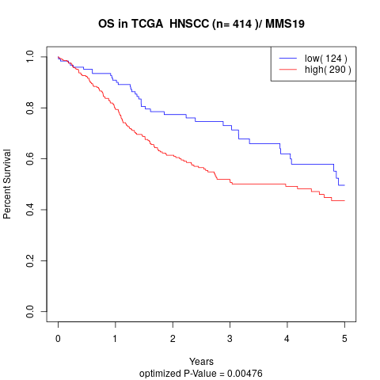

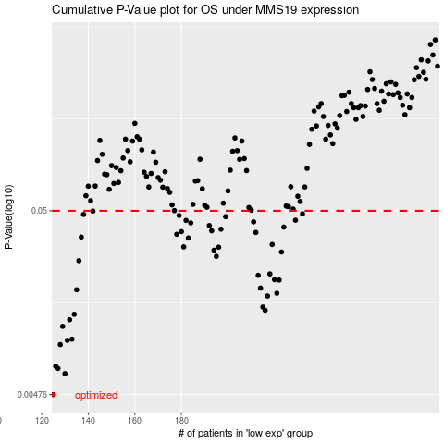

 |  |  |  |  |  | cases_OS | p_OS | rank | exp
 |  |  |  |  |  | 125 | 0.00476 | 385 | -0.4602021669
 |  |  |  |  |  | 130 | 0.00623 | 289 | -0.44155414866
 |  |  |  |  |  | 127 | 0.00666 | 206 | -0.45698914077
 |  |  |  |  |  | 126 | 0.00685 | 172 | -0.45759151512
 |  |  |  |  |  | 128 | 0.00903 | 118 | -0.45665379273
 |  |  |  |  |  | 131 | 0.00953 | 249 | -0.43877936143
 |  |  |  |  |  | 133 | 0.00968 | 65 | -0.40748284283
 |  |  |  |  |  | 129 | 0.0114 | 219 | -0.4532847971
 |  |  |  |  |  | 132 | 0.0124 | 42 | -0.41128082263
 |  |  |  |  |  | 134 | 0.0133 | 284 | -0.40659819907
 |  |  |  |  |  | 216 | 0.014 | 273 | 0.021706840315
 |  |  |  |  |  | 215 | 0.0146 | 20 | 0.02091365511
 |  |  |  |  |  | 217 | 0.0168 | 117 | 0.022982360516
 |  |  |  |  |  | 221 | 0.0174 | 266 | 0.039864629815
 |  |  |  |  |  | 135 | 0.0182 | 264 | -0.4064234479
 |  |  |  |  |  | 214 | 0.0186 | 150 | 0.015179802562
 |  |  |  |  |  | 222 | 0.0206 | 285 | 0.070837777104
 |  |  |  |  |  | 220 | 0.0207 | 317 | 0.035156147432
 |  |  |  |  |  | 213 | 0.0219 | 330 | 0.0094511217766
 |  |  |  |  |  | 218 | 0.0223 | 370 | 0.029279935288
 |  |  |  |  |  | 136 | 0.0264 | 23 | -0.39534035869
 |  |  |  |  |  | 195 | 0.0279 | 226 | -0.096140229494
 |  |  |  |  |  | 223 | 0.0295 | 196 | 0.071585777427
 |  |  |  |  |  | 194 | 0.0302 | 384 | -0.10617345071
 |  |  |  |  |  | 196 | 0.0314 | 260 | -0.094795570981
 |  |  |  |  |  | 181 | 0.0315 | 21 | -0.20684237191
 |  |  |  |  |  | 219 | 0.0325 | 232 | 0.030862222725
 |  |  |  |  |  | 183 | 0.0353 | 76 | -0.20029056413
 |  |  |  |  |  | 137 | 0.0357 | 58 | -0.39055511645
 |  |  |  |  |  | 178 | 0.037 | 86 | -0.21831987614
 |  |  |  |  |  | 212 | 0.0379 | 177 | 0.0084456220702
 |  |  |  |  |  | 180 | 0.0383 | 324 | -0.20698037634
 |  |  |  |  |  | 193 | 0.0387 | 301 | -0.11261256848
 |  |  |  |  |  | 197 | 0.0395 | 217 | -0.090908854601
 |  |  |  |  |  | 224 | 0.0406 | 409 | 0.072870552363
 |  |  |  |  |  | 192 | 0.0414 | 313 | -0.11619877819
 |  |  |  |  |  | 184 | 0.0428 | 92 | -0.18669481445
 |  |  |  |  |  | 211 | 0.0434 | 101 | 0.00084639608147
 |  |  |  |  |  | 182 | 0.0442 | 165 | -0.20070811599
 |  |  |  |  |  | 229 | 0.0443 | 61 | 0.097265488661
 |  |  |  |  |  | 199 | 0.0464 | 108 | -0.078163451717
 |  |  |  |  |  | 179 | 0.0471 | 126 | -0.21405943179
 |  |  |  |  |  | 138 | 0.0477 | 143 | -0.38880978236
 |  |  |  |  |  | 232 | 0.0481 | 250 | 0.11178698401
 |  |  |  |  |  | 142 | 0.0498 | 287 | -0.36088579796
 |  |  |  |  |  |  | cases_RFS | p_RFS | rank | exp
 |  |  |  |  |  |  |  | 0.00476 | 252 | -0.47139086896
 |  |  |  |  |  |  | 129 | 0.00623 | 219 | -0.4532847971
 |  |  |  |  |  |  | 126 | 0.00666 | 172 | -0.45759151512
 |  |  |  |  |  |  | 125 | 0.00685 | 385 | -0.4602021669
 |  |  |  |  |  |  | 127 | 0.00903 | 206 | -0.45698914077
 |  |  |  |  |  |  | 130 | 0.00953 | 289 | -0.44155414866
 |  |  |  |  |  |  | 132 | 0.00968 | 42 | -0.41128082263
 |  |  |  |  |  |  | 128 | 0.0114 | 118 | -0.45665379273
 |  |  |  |  |  |  | 131 | 0.0124 | 249 | -0.43877936143
 |  |  |  |  |  |  | 133 | 0.0133 | 65 | -0.40748284283
 |  |  |  |  |  |  | 215 | 0.014 | 20 | 0.02091365511
 |  |  |  |  |  |  | 214 | 0.0146 | 150 | 0.015179802562
 |  |  |  |  |  |  | 216 | 0.0168 | 273 | 0.021706840315
 |  |  |  |  |  |  | 220 | 0.0174 | 317 | 0.035156147432
 |  |  |  |  |  |  | 134 | 0.0182 | 284 | -0.40659819907
 |  |  |  |  |  |  | 213 | 0.0186 | 330 | 0.0094511217766
 |  |  |  |  |  |  | 221 | 0.0206 | 266 | 0.039864629815
 |  |  |  |  |  |  | 219 | 0.0207 | 232 | 0.030862222725
 |  |  |  |  |  |  | 212 | 0.0219 | 177 | 0.0084456220702
 |  |  |  |  |  |  | 217 | 0.0223 | 117 | 0.022982360516
 |  |  |  |  |  |  | 135 | 0.0264 | 264 | -0.4064234479
 |  |  |  |  |  |  | 194 | 0.0279 | 384 | -0.10617345071
 |  |  |  |  |  |  | 222 | 0.0295 | 285 | 0.070837777104
 |  |  |  |  |  |  | 193 | 0.0302 | 301 | -0.11261256848
 |  |  |  |  |  |  | 195 | 0.0314 | 226 | -0.096140229494
 |  |  |  |  |  |  | 180 | 0.0315 | 324 | -0.20698037634
 |  |  |  |  |  |  | 218 | 0.0325 | 370 | 0.029279935288
 |  |  |  |  |  |  | 182 | 0.0353 | 165 | -0.20070811599
 |  |  |  |  |  |  | 136 | 0.0357 | 23 | -0.39534035869
 |  |  |  |  |  |  | 177 | 0.037 | 120 | -0.21944405421
 |  |  |  |  |  |  | 211 | 0.0379 | 101 | 0.00084639608147
 |  |  |  |  |  |  | 179 | 0.0383 | 126 | -0.21405943179
 |  |  |  |  |  |  | 192 | 0.0387 | 313 | -0.11619877819
 |  |  |  |  |  |  | 196 | 0.0395 | 260 | -0.094795570981
 |  |  |  |  |  |  | 223 | 0.0406 | 196 | 0.071585777427
 |  |  |  |  |  |  | 191 | 0.0414 | 73 | -0.12375445248
 |  |  |  |  |  |  | 183 | 0.0428 | 76 | -0.20029056413
 |  |  |  |  |  |  | 210 | 0.0434 | 310 | -0.0010192495567
 |  |  |  |  |  |  | 181 | 0.0442 | 21 | -0.20684237191
 |  |  |  |  |  |  | 228 | 0.0443 | 11 | 0.094440889188
 |  |  |  |  |  |  | 198 | 0.0464 | 158 | -0.079333086866
 |  |  |  |  |  |  | 178 | 0.0471 | 86 | -0.21831987614
 |  |  |  |  |  |  | 137 | 0.0477 | 58 | -0.39055511645
 |  |  |  |  |  |  | 231 | 0.0481 | 235 | 0.10756192542
 |  |  |  |  |  |  | 141 | 0.0498 | 378 | -0.36946629802

