MN1 _multivariate
Reported by Tex Li-Hsing Chi. tex@gate.sinica.edu.tw 2019-08-17

Table 2. The clinicopathological features of HNSCC cohort and MN1 expression. (Chi square test)
Cutoff at -0.075 (50.0%)
 |  | MN1 expression |  | MN1 expression |  | (Optimised)
 | Features | Low | (%) | High | (%) | Case no | P-value | Remark | Matthews
Gender | Female | 154 | 37.1 | 152 | 36.6 | 415 | 0.8463 | 0 | 0
2 | Male | 53 | 12.8 | 56 | 13.5
Age at diagnosis | <=65y | 135 | 32.5 | 139 | 33.5 | 415 | 0.8084 | 0 | 0
4 | >65y | 72 | 17.3 | 69 | 16.6
Clinical T Status | T1+T2 | 66 | 15.9 | 83 | 20 | 415 | 0.1095 | 0 | 0
6 | T3+T4 | 141 | 34 | 125 | 30.1
Clinical N Status | N0 | 107 | 25.8 | 109 | 26.3 | 415 | 0.9624 | 0 | 0
8 | N1-3 | 100 | 24.1 | 99 | 23.9
Clinical M Status | M0 | 206 | 49.6 | 206 | 49.6 | 415 | 1 | 0 | 0
10 | M1 | 1 | 0.2 | 2 | 0.5
Clinical Stage | Stage I+II | 41 | 9.9 | 61 | 14.7 | 415 | 0.0325 | 1 | 0
12 | Stage III+IV | 166 | 40 | 147 | 35.4
Surgical Margin status | Negative | 147 | 35.4 | 171 | 41.2 | 415 | 0.0077 | 1 | 0
14 | Positive | 60 | 14.5 | 37 | 8.9
Tobacco Exposure | Low | 78 | 18.8 | 83 | 20 | 415 | 0.6873 | 0 | 0
16 | High | 129 | 31.1 | 125 | 30.1

Table 3. Univariate/Multivariate Cox's proportional hazards regression analyses on OS time of MN1 gene expression in HNSCC

 |  | Univariate |  |  |  | Multivariate
 | Features | HR | CI95%(L) | CI95%(H) | P-value | HR | CI95%(L) | CI95%(H) | P-value
1 | Female | 1 |  |  |  | 1
Gender | Male | 1.157 | 0.843 | 1.587 | 0.367 | 1.213 | 0.869 | 1.694 | 0.256
11 | <=65y | 1 |  |  |  | 1
Age at diagnosis | >65y | 1.329 | 0.99 | 1.784 | 0.058 | 1.398 | 1.029 | 1.9 | 0.032
12 | T1+T2 | 1 |  |  |  | 1
Clinical T Status | T3+T4 | 1.409 | 1.028 | 1.931 | 0.033 | 2.167 | 1.146 | 4.098 | 0.017
13 | N0 | 1 |  |  |  | 1
Clinical N Status | N1-3 | 1.185 | 0.89 | 1.577 | 0.246 | 1.239 | 0.869 | 1.767 | 0.236
14 | M0 | 1 |  |  |  | 1
Clinical M Status | M1 | 4.097 | 1.009 | 16.644 | 0.049 | 8.419 | 1.831 | 38.709 | 0.006
15 | Stage I+II | 1 |  |  |  | 1
Clinical Stage | Stage III+IV | 1.245 | 0.882 | 1.759 | 0.213 | 0.545 | 0.253 | 1.174 | 0.121
16 | Negative | 1 |  |  |  | 1
Surgical Margin status | Positive | 1.591 | 1.155 | 2.191 | 0.004 | 1.779 | 1.281 | 2.471 | 0.001
17 | Low | 1 |  |  |  | 1
Tobacco Exposure | High | 1.364 | 1.008 | 1.844 | 0.044 | 1.461 | 1.06 | 2.012 | 0.02
18 | Low | 1 |  |  |  | 1
RNAseq(z-score) | High | 1.253 | 0.939 | 1.673 | 0.126 | 1.389 | 1.032 | 1.871 | 0.03

Table 4. Univariate/Multivariate Cox's proportional hazards regression analyses on RFS time of MN1 gene expression in HNSCC

 |  | Univariate |  |  |  | Multivariate
 | Features | HR | CI95%(L) | CI95%(H) | P-value | HR | CI95%(L) | CI95%(H) | P-value
1 | Female | 1 |  |  |  | 1
Gender | Male | 1.157 | 0.843 | 1.587 | 0.367 | 1.213 | 0.869 | 1.694 | 0.256
11 | <=65y | 1 |  |  |  | 1
Age at diagnosis | >65y | 1.329 | 0.99 | 1.784 | 0.058 | 1.398 | 1.029 | 1.9 | 0.032
12 | T1+T2 | 1 |  |  |  | 1
Clinical T Status | T3+T4 | 1.409 | 1.028 | 1.931 | 0.033 | 2.167 | 1.146 | 4.098 | 0.017
13 | N0 | 1 |  |  |  | 1
Clinical N Status | N1-3 | 1.185 | 0.89 | 1.577 | 0.246 | 1.239 | 0.869 | 1.767 | 0.236
14 | M0 | 1 |  |  |  | 1
Clinical M Status | M1 | 4.097 | 1.009 | 16.644 | 0.049 | 8.419 | 1.831 | 38.709 | 0.006
15 | Stage I+II | 1 |  |  |  | 1
Clinical Stage | Stage III+IV | 1.245 | 0.882 | 1.759 | 0.213 | 0.545 | 0.253 | 1.174 | 0.121
16 | Negative | 1 |  |  |  | 1
Surgical Margin status | Positive | 1.591 | 1.155 | 2.191 | 0.004 | 1.779 | 1.281 | 2.471 | 0.001
17 | Low | 1 |  |  |  | 1
Tobacco Exposure | High | 1.364 | 1.008 | 1.844 | 0.044 | 1.461 | 1.06 | 2.012 | 0.02
18 | Low | 1 |  |  |  | 1
RNAseq(z-score) | High | 1.253 | 0.939 | 1.673 | 0.126 | 1.389 | 1.032 | 1.871 | 0.03

Kaplan-Meier survival estimate: Cutoff at -0.075 (50.0%)



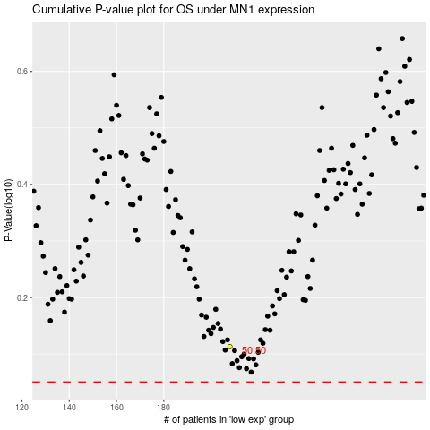

 |  |  |  |  |  | cases_OS | p_OS | rank | exp
 |  |  |  |  |  |  | cases_RFS | p_RFS | rank | exp

