MNAT1 _multivariate
Reported by Tex Li-Hsing Chi. tex@gate.sinica.edu.tw 2019-08-17

Table 2. The clinicopathological features of HNSCC cohort and MNAT1 expression. (Chi square test)
Cutoff at -0.48 (30.4%)
 |  | MNAT1 expression |  | MNAT1 expression |  | (Optimised)
 | Features | Low | (%) | High | (%) | Case no | P-value | Remark | Matthews
Gender | Female | 88 | 21.2 | 218 | 52.5 | 415 | 0.2132 | 0 | 0
2 | Male | 39 | 9.4 | 70 | 16.9
Age at diagnosis | <=65y | 86 | 20.7 | 188 | 45.3 | 415 | 0.7107 | 0 | 0
4 | >65y | 41 | 9.9 | 100 | 24.1
Clinical T Status | T1+T2 | 48 | 11.6 | 101 | 24.3 | 415 | 0.6727 | 0 | 0
6 | T3+T4 | 79 | 19 | 187 | 45.1
Clinical N Status | N0 | 69 | 16.6 | 147 | 35.4 | 415 | 0.609 | 0 | 0
8 | N1-3 | 58 | 14 | 141 | 34
Clinical M Status | M0 | 127 | 30.6 | 285 | 68.7 | 415 | 0.5562 | 0 | 0
10 | M1 | 0 | 0 | 3 | 0.7
Clinical Stage | Stage I+II | 34 | 8.2 | 68 | 16.4 | 415 | 0.5718 | 0 | 0
12 | Stage III+IV | 93 | 22.4 | 220 | 53
Surgical Margin status | Negative | 100 | 24.1 | 218 | 52.5 | 415 | 0.5314 | 0 | 0
14 | Positive | 27 | 6.5 | 70 | 16.9
Tobacco Exposure | Low | 58 | 14 | 103 | 24.8 | 415 | 0.0634 | 0 | 0
16 | High | 69 | 16.6 | 185 | 44.6

Table 3. Univariate/Multivariate Cox's proportional hazards regression analyses on OS time of MNAT1 gene expression in HNSCC

 |  | Univariate |  |  |  | Multivariate
 | Features | HR | CI95%(L) | CI95%(H) | P-value | HR | CI95%(L) | CI95%(H) | P-value
1 | Female | 1 |  |  |  | 1
Gender | Male | 1.157 | 0.843 | 1.587 | 0.367 | 1.199 | 0.856 | 1.679 | 0.291
11 | <=65y | 1 |  |  |  | 1
Age at diagnosis | >65y | 1.329 | 0.99 | 1.784 | 0.058 | 1.357 | 0.999 | 1.844 | 0.051
12 | T1+T2 | 1 |  |  |  | 1
Clinical T Status | T3+T4 | 1.409 | 1.028 | 1.931 | 0.033 | 2.183 | 1.155 | 4.127 | 0.016
13 | N0 | 1 |  |  |  | 1
Clinical N Status | N1-3 | 1.185 | 0.89 | 1.577 | 0.246 | 1.221 | 0.857 | 1.741 | 0.269
14 | M0 | 1 |  |  |  | 1
Clinical M Status | M1 | 4.097 | 1.009 | 16.644 | 0.049 | 8.418 | 1.832 | 38.683 | 0.006
15 | Stage I+II | 1 |  |  |  | 1
Clinical Stage | Stage III+IV | 1.245 | 0.882 | 1.759 | 0.213 | 0.508 | 0.237 | 1.09 | 0.082
16 | Negative | 1 |  |  |  | 1
Surgical Margin status | Positive | 1.591 | 1.155 | 2.191 | 0.004 | 1.631 | 1.18 | 2.255 | 0.003
17 | Low | 1 |  |  |  | 1
Tobacco Exposure | High | 1.364 | 1.008 | 1.844 | 0.044 | 1.394 | 1.009 | 1.927 | 0.044
18 | Low | 1 |  |  |  | 1
RNAseq(z-score) | High | 1.593 | 1.153 | 2.202 | 0.005 | 1.441 | 1.039 | 1.999 | 0.028

Table 4. Univariate/Multivariate Cox's proportional hazards regression analyses on RFS time of MNAT1 gene expression in HNSCC

 |  | Univariate |  |  |  | Multivariate
 | Features | HR | CI95%(L) | CI95%(H) | P-value | HR | CI95%(L) | CI95%(H) | P-value
1 | Female | 1 |  |  |  | 1
Gender | Male | 1.157 | 0.843 | 1.587 | 0.367 | 1.199 | 0.856 | 1.679 | 0.291
11 | <=65y | 1 |  |  |  | 1
Age at diagnosis | >65y | 1.329 | 0.99 | 1.784 | 0.058 | 1.357 | 0.999 | 1.844 | 0.051
12 | T1+T2 | 1 |  |  |  | 1
Clinical T Status | T3+T4 | 1.409 | 1.028 | 1.931 | 0.033 | 2.183 | 1.155 | 4.127 | 0.016
13 | N0 | 1 |  |  |  | 1
Clinical N Status | N1-3 | 1.185 | 0.89 | 1.577 | 0.246 | 1.221 | 0.857 | 1.741 | 0.269
14 | M0 | 1 |  |  |  | 1
Clinical M Status | M1 | 4.097 | 1.009 | 16.644 | 0.049 | 8.418 | 1.832 | 38.683 | 0.006
15 | Stage I+II | 1 |  |  |  | 1
Clinical Stage | Stage III+IV | 1.245 | 0.882 | 1.759 | 0.213 | 0.508 | 0.237 | 1.09 | 0.082
16 | Negative | 1 |  |  |  | 1
Surgical Margin status | Positive | 1.591 | 1.155 | 2.191 | 0.004 | 1.631 | 1.18 | 2.255 | 0.003
17 | Low | 1 |  |  |  | 1
Tobacco Exposure | High | 1.364 | 1.008 | 1.844 | 0.044 | 1.394 | 1.009 | 1.927 | 0.044
18 | Low | 1 |  |  |  | 1
RNAseq(z-score) | High | 1.593 | 1.153 | 2.202 | 0.005 | 1.441 | 1.039 | 1.999 | 0.028

Kaplan-Meier survival estimate: Cutoff at -0.48 (30.4%)

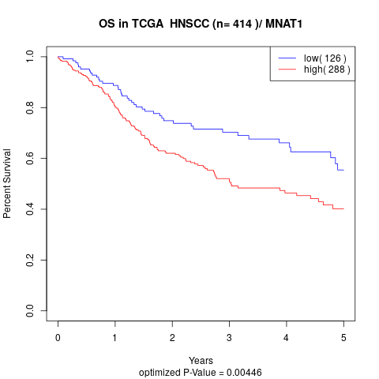

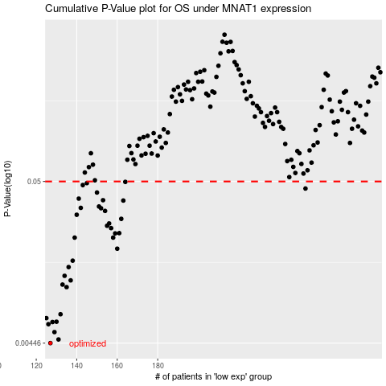

 |  |  |  |  |  | cases_OS | p_OS | rank | exp
 |  |  |  |  |  | 127 | 0.00446 | 236 | -0.48014765529
 |  |  |  |  |  | 131 | 0.00471 | 138 | -0.46947159344
 |  |  |  |  |  | 129 | 0.00526 | 211 | -0.47184306474
 |  |  |  |  |  | 126 | 0.00592 | 151 | -0.48031504523
 |  |  |  |  |  | 128 | 0.00611 | 299 | -0.47863977941
 |  |  |  |  |  | 130 | 0.00614 | 59 | -0.47181026998
 |  |  |  |  |  | 125 | 0.00648 | 46 | -0.48519873204
 |  |  |  |  |  | 132 | 0.00687 | 297 | -0.46906029245
 |  |  |  |  |  | 135 | 0.0103 | 176 | -0.45812050604
 |  |  |  |  |  | 133 | 0.0107 | 256 | -0.46659795231
 |  |  |  |  |  | 137 | 0.0114 | 181 | -0.45359756162
 |  |  |  |  |  | 134 | 0.0122 | 102 | -0.4612940826
 |  |  |  |  |  | 136 | 0.0139 | 357 | -0.45366998339
 |  |  |  |  |  | 138 | 0.0153 | 113 | -0.44734401022
 |  |  |  |  |  | 160 | 0.0183 | 265 | -0.33632280538
 |  |  |  |  |  | 139 | 0.0216 | 159 | -0.44573706683
 |  |  |  |  |  | 158 | 0.0216 | 218 | -0.35399371692
 |  |  |  |  |  | 159 | 0.023 | 116 | -0.3514753524
 |  |  |  |  |  | 161 | 0.0231 | 4 | -0.33114191602
 |  |  |  |  |  | 157 | 0.0249 | 16 | -0.36006416422
 |  |  |  |  |  | 155 | 0.0258 | 10 | -0.3631735177
 |  |  |  |  |  | 156 | 0.0267 | 98 | -0.36218489224
 |  |  |  |  |  | 162 | 0.0286 | 253 | -0.33067664032
 |  |  |  |  |  | 140 | 0.0304 | 260 | -0.44544259719
 |  |  |  |  |  | 154 | 0.0322 | 128 | -0.36363264439
 |  |  |  |  |  | 152 | 0.0335 | 226 | -0.37193996783
 |  |  |  |  |  | 142 | 0.0337 | 201 | -0.43239369757
 |  |  |  |  |  | 151 | 0.0344 | 173 | -0.37486348432
 |  |  |  |  |  | 163 | 0.0376 | 227 | -0.32994627362
 |  |  |  |  |  | 153 | 0.0378 | 337 | -0.36579504908
 |  |  |  |  |  | 141 | 0.0387 | 376 | -0.43571485057
 |  |  |  |  |  | 150 | 0.0424 | 150 | -0.37490584422
 |  |  |  |  |  | 253 | 0.045 | 372 | 0.081360180008
 |  |  |  |  |  | 143 | 0.0474 | 215 | -0.41532880592
 |  |  |  |  |  | 145 | 0.0488 | 92 | -0.40456460814
 |  |  |  |  |  | 164 | 0.0497 | 281 | -0.32244447155
 |  |  |  |  |  |  | cases_RFS | p_RFS | rank | exp
 |  |  |  |  |  |  | 126 | 0.00446 | 151 | -0.48031504523
 |  |  |  |  |  |  | 130 | 0.00471 | 59 | -0.47181026998
 |  |  |  |  |  |  | 128 | 0.00526 | 299 | -0.47863977941
 |  |  |  |  |  |  | 125 | 0.00592 | 46 | -0.48519873204
 |  |  |  |  |  |  | 127 | 0.00611 | 236 | -0.48014765529
 |  |  |  |  |  |  | 129 | 0.00614 | 211 | -0.47184306474
 |  |  |  |  |  |  |  | 0.00648 | 156 | -0.48660822363
 |  |  |  |  |  |  | 131 | 0.00687 | 138 | -0.46947159344
 |  |  |  |  |  |  | 134 | 0.0103 | 102 | -0.4612940826
 |  |  |  |  |  |  | 132 | 0.0107 | 297 | -0.46906029245
 |  |  |  |  |  |  | 136 | 0.0114 | 357 | -0.45366998339
 |  |  |  |  |  |  | 133 | 0.0122 | 256 | -0.46659795231
 |  |  |  |  |  |  | 135 | 0.0139 | 176 | -0.45812050604
 |  |  |  |  |  |  | 137 | 0.0153 | 181 | -0.45359756162
 |  |  |  |  |  |  | 159 | 0.0183 | 116 | -0.3514753524
 |  |  |  |  |  |  | 157 | 0.0216 | 16 | -0.36006416422
 |  |  |  |  |  |  | 138 | 0.0216 | 113 | -0.44734401022
 |  |  |  |  |  |  | 158 | 0.023 | 218 | -0.35399371692
 |  |  |  |  |  |  | 160 | 0.0231 | 265 | -0.33632280538
 |  |  |  |  |  |  | 156 | 0.0249 | 98 | -0.36218489224
 |  |  |  |  |  |  | 154 | 0.0258 | 128 | -0.36363264439
 |  |  |  |  |  |  | 155 | 0.0267 | 10 | -0.3631735177
 |  |  |  |  |  |  | 161 | 0.0286 | 4 | -0.33114191602
 |  |  |  |  |  |  | 139 | 0.0304 | 159 | -0.44573706683
 |  |  |  |  |  |  | 153 | 0.0322 | 337 | -0.36579504908
 |  |  |  |  |  |  | 151 | 0.0335 | 173 | -0.37486348432
 |  |  |  |  |  |  | 141 | 0.0337 | 376 | -0.43571485057
 |  |  |  |  |  |  | 150 | 0.0344 | 150 | -0.37490584422
 |  |  |  |  |  |  | 162 | 0.0376 | 253 | -0.33067664032
 |  |  |  |  |  |  | 152 | 0.0378 | 226 | -0.37193996783
 |  |  |  |  |  |  | 140 | 0.0387 | 260 | -0.44544259719
 |  |  |  |  |  |  | 149 | 0.0424 | 160 | -0.39124788463
 |  |  |  |  |  |  | 252 | 0.045 | 402 | 0.067440852724
 |  |  |  |  |  |  | 142 | 0.0474 | 201 | -0.43239369757
 |  |  |  |  |  |  | 144 | 0.0488 | 314 | -0.41029071043
 |  |  |  |  |  |  | 163 | 0.0497 | 227 | -0.32994627362

