MND1 _multivariate
Reported by Tex Li-Hsing Chi. tex@gate.sinica.edu.tw 2019-08-17

Table 2. The clinicopathological features of HNSCC cohort and MND1 expression. (Chi square test)
Cutoff at -0.211 (49.8%)
 |  | MND1 expression |  | MND1 expression |  | (Optimised)
 | Features | Low | (%) | High | (%) | Case no | P-value | Remark | Matthews
Gender | Female | 147 | 35.4 | 159 | 38.3 | 415 | 0.2523 | 0 | 0
2 | Male | 60 | 14.5 | 49 | 11.8
Age at diagnosis | <=65y | 143 | 34.5 | 131 | 31.6 | 415 | 0.2269 | 0 | 0
4 | >65y | 64 | 15.4 | 77 | 18.6
Clinical T Status | T1+T2 | 81 | 19.5 | 68 | 16.4 | 415 | 0.206 | 0 | 0
6 | T3+T4 | 126 | 30.4 | 140 | 33.7
Clinical N Status | N0 | 114 | 27.5 | 102 | 24.6 | 415 | 0.2576 | 1 | 0
8 | N1-3 | 93 | 22.4 | 106 | 25.5
Clinical M Status | M0 | 206 | 49.6 | 206 | 49.6 | 415 | 1 | 0 | 0
10 | M1 | 1 | 0.2 | 2 | 0.5
Clinical Stage | Stage I+II | 61 | 14.7 | 41 | 9.9 | 415 | 0.0282 | 1 | 0
12 | Stage III+IV | 146 | 35.2 | 167 | 40.2
Surgical Margin status | Negative | 172 | 41.4 | 146 | 35.2 | 415 | 0.0025 | 1 | 0
14 | Positive | 35 | 8.4 | 62 | 14.9
Tobacco Exposure | Low | 93 | 22.4 | 68 | 16.4 | 415 | 0.0118 | 1 | 0
16 | High | 114 | 27.5 | 140 | 33.7

Table 3. Univariate/Multivariate Cox's proportional hazards regression analyses on OS time of MND1 gene expression in HNSCC

 |  | Univariate |  |  |  | Multivariate
 | Features | HR | CI95%(L) | CI95%(H) | P-value | HR | CI95%(L) | CI95%(H) | P-value
1 | Female | 1 |  |  |  | 1
Gender | Male | 1.157 | 0.843 | 1.587 | 0.367 | 1.202 | 0.86 | 1.679 | 0.281
11 | <=65y | 1 |  |  |  | 1
Age at diagnosis | >65y | 1.329 | 0.99 | 1.784 | 0.058 | 1.384 | 1.015 | 1.888 | 0.04
12 | T1+T2 | 1 |  |  |  | 1
Clinical T Status | T3+T4 | 1.409 | 1.028 | 1.931 | 0.033 | 2.208 | 1.167 | 4.176 | 0.015
13 | N0 | 1 |  |  |  | 1
Clinical N Status | N1-3 | 1.185 | 0.89 | 1.577 | 0.246 | 1.242 | 0.871 | 1.773 | 0.232
14 | M0 | 1 |  |  |  | 1
Clinical M Status | M1 | 4.097 | 1.009 | 16.644 | 0.049 | 9.39 | 2.048 | 43.046 | 0.004
15 | Stage I+II | 1 |  |  |  | 1
Clinical Stage | Stage III+IV | 1.245 | 0.882 | 1.759 | 0.213 | 0.502 | 0.234 | 1.079 | 0.077
16 | Negative | 1 |  |  |  | 1
Surgical Margin status | Positive | 1.591 | 1.155 | 2.191 | 0.004 | 1.657 | 1.189 | 2.309 | 0.003
17 | Low | 1 |  |  |  | 1
Tobacco Exposure | High | 1.364 | 1.008 | 1.844 | 0.044 | 1.446 | 1.046 | 1.998 | 0.026
18 | Low | 1 |  |  |  | 1
RNAseq(z-score) | High | 1.212 | 0.91 | 1.615 | 0.189 | 1.036 | 0.767 | 1.4 | 0.817

Table 4. Univariate/Multivariate Cox's proportional hazards regression analyses on RFS time of MND1 gene expression in HNSCC

 |  | Univariate |  |  |  | Multivariate
 | Features | HR | CI95%(L) | CI95%(H) | P-value | HR | CI95%(L) | CI95%(H) | P-value
1 | Female | 1 |  |  |  | 1
Gender | Male | 1.157 | 0.843 | 1.587 | 0.367 | 1.202 | 0.86 | 1.679 | 0.281
11 | <=65y | 1 |  |  |  | 1
Age at diagnosis | >65y | 1.329 | 0.99 | 1.784 | 0.058 | 1.384 | 1.015 | 1.888 | 0.04
12 | T1+T2 | 1 |  |  |  | 1
Clinical T Status | T3+T4 | 1.409 | 1.028 | 1.931 | 0.033 | 2.208 | 1.167 | 4.176 | 0.015
13 | N0 | 1 |  |  |  | 1
Clinical N Status | N1-3 | 1.185 | 0.89 | 1.577 | 0.246 | 1.242 | 0.871 | 1.773 | 0.232
14 | M0 | 1 |  |  |  | 1
Clinical M Status | M1 | 4.097 | 1.009 | 16.644 | 0.049 | 9.39 | 2.048 | 43.046 | 0.004
15 | Stage I+II | 1 |  |  |  | 1
Clinical Stage | Stage III+IV | 1.245 | 0.882 | 1.759 | 0.213 | 0.502 | 0.234 | 1.079 | 0.077
16 | Negative | 1 |  |  |  | 1
Surgical Margin status | Positive | 1.591 | 1.155 | 2.191 | 0.004 | 1.657 | 1.189 | 2.309 | 0.003
17 | Low | 1 |  |  |  | 1
Tobacco Exposure | High | 1.364 | 1.008 | 1.844 | 0.044 | 1.446 | 1.046 | 1.998 | 0.026
18 | Low | 1 |  |  |  | 1
RNAseq(z-score) | High | 1.212 | 0.91 | 1.615 | 0.189 | 1.036 | 0.767 | 1.4 | 0.817

Kaplan-Meier survival estimate: Cutoff at -0.211 (49.8%)



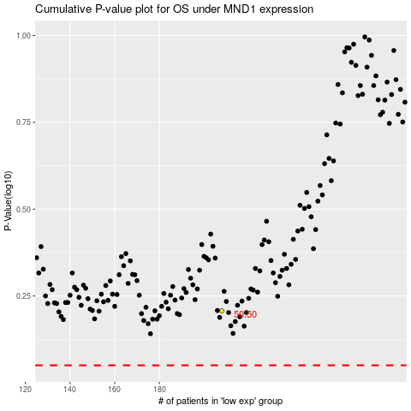

 |  |  |  |  |  | cases_OS | p_OS | rank | exp
 |  |  |  |  |  |  | cases_RFS | p_RFS | rank | exp

