MNDA _multivariate
Reported by Tex Li-Hsing Chi. tex@gate.sinica.edu.tw 2019-08-17

Table 2. The clinicopathological features of HNSCC cohort and MNDA expression. (Chi square test)
Cutoff at -0.309 (49.8%)
 |  | MNDA expression |  | MNDA expression |  | (Optimised)
 | Features | Low | (%) | High | (%) | Case no | P-value | Remark | Matthews
Gender | Female | 165 | 39.8 | 141 | 34 | 415 | 0.0081 | 1 | 0
2 | Male | 42 | 10.1 | 67 | 16.1
Age at diagnosis | <=65y | 139 | 33.5 | 135 | 32.5 | 415 | 0.7044 | 0 | 0
4 | >65y | 68 | 16.4 | 73 | 17.6
Clinical T Status | T1+T2 | 67 | 16.1 | 82 | 19.8 | 415 | 0.1628 | 0 | 0
6 | T3+T4 | 140 | 33.7 | 126 | 30.4
Clinical N Status | N0 | 120 | 28.9 | 96 | 23.1 | 415 | 0.0208 | 1 | 0
8 | N1-3 | 87 | 21 | 112 | 27
Clinical M Status | M0 | 206 | 49.6 | 206 | 49.6 | 415 | 1 | 0 | 0
10 | M1 | 1 | 0.2 | 2 | 0.5
Clinical Stage | Stage I+II | 49 | 11.8 | 53 | 12.8 | 415 | 0.7535 | 0 | 0
12 | Stage III+IV | 158 | 38.1 | 155 | 37.3
Surgical Margin status | Negative | 158 | 38.1 | 160 | 38.6 | 415 | 0.9081 | 0 | 0
14 | Positive | 49 | 11.8 | 48 | 11.6
Tobacco Exposure | Low | 71 | 17.1 | 90 | 21.7 | 415 | 0.0698 | 0 | 0
16 | High | 136 | 32.8 | 118 | 28.4

Table 3. Univariate/Multivariate Cox's proportional hazards regression analyses on OS time of MNDA gene expression in HNSCC

 |  | Univariate |  |  |  | Multivariate
 | Features | HR | CI95%(L) | CI95%(H) | P-value | HR | CI95%(L) | CI95%(H) | P-value
1 | Female | 1 |  |  |  | 1
Gender | Male | 1.157 | 0.843 | 1.587 | 0.367 | 1.22 | 0.872 | 1.707 | 0.245
11 | <=65y | 1 |  |  |  | 1
Age at diagnosis | >65y | 1.329 | 0.99 | 1.784 | 0.058 | 1.39 | 1.023 | 1.888 | 0.035
12 | T1+T2 | 1 |  |  |  | 1
Clinical T Status | T3+T4 | 1.409 | 1.028 | 1.931 | 0.033 | 2.164 | 1.144 | 4.093 | 0.018
13 | N0 | 1 |  |  |  | 1
Clinical N Status | N1-3 | 1.185 | 0.89 | 1.577 | 0.246 | 1.269 | 0.887 | 1.814 | 0.192
14 | M0 | 1 |  |  |  | 1
Clinical M Status | M1 | 4.097 | 1.009 | 16.644 | 0.049 | 9.673 | 2.109 | 44.362 | 0.003
15 | Stage I+II | 1 |  |  |  | 1
Clinical Stage | Stage III+IV | 1.245 | 0.882 | 1.759 | 0.213 | 0.506 | 0.236 | 1.085 | 0.08
16 | Negative | 1 |  |  |  | 1
Surgical Margin status | Positive | 1.591 | 1.155 | 2.191 | 0.004 | 1.672 | 1.21 | 2.31 | 0.002
17 | Low | 1 |  |  |  | 1
Tobacco Exposure | High | 1.364 | 1.008 | 1.844 | 0.044 | 1.431 | 1.037 | 1.975 | 0.029
18 | Low | 1 |  |  |  | 1
RNAseq(z-score) | High | 0.86 | 0.645 | 1.146 | 0.304 | 0.852 | 0.635 | 1.143 | 0.286

Table 4. Univariate/Multivariate Cox's proportional hazards regression analyses on RFS time of MNDA gene expression in HNSCC

 |  | Univariate |  |  |  | Multivariate
 | Features | HR | CI95%(L) | CI95%(H) | P-value | HR | CI95%(L) | CI95%(H) | P-value
1 | Female | 1 |  |  |  | 1
Gender | Male | 1.157 | 0.843 | 1.587 | 0.367 | 1.22 | 0.872 | 1.707 | 0.245
11 | <=65y | 1 |  |  |  | 1
Age at diagnosis | >65y | 1.329 | 0.99 | 1.784 | 0.058 | 1.39 | 1.023 | 1.888 | 0.035
12 | T1+T2 | 1 |  |  |  | 1
Clinical T Status | T3+T4 | 1.409 | 1.028 | 1.931 | 0.033 | 2.164 | 1.144 | 4.093 | 0.018
13 | N0 | 1 |  |  |  | 1
Clinical N Status | N1-3 | 1.185 | 0.89 | 1.577 | 0.246 | 1.269 | 0.887 | 1.814 | 0.192
14 | M0 | 1 |  |  |  | 1
Clinical M Status | M1 | 4.097 | 1.009 | 16.644 | 0.049 | 9.673 | 2.109 | 44.362 | 0.003
15 | Stage I+II | 1 |  |  |  | 1
Clinical Stage | Stage III+IV | 1.245 | 0.882 | 1.759 | 0.213 | 0.506 | 0.236 | 1.085 | 0.08
16 | Negative | 1 |  |  |  | 1
Surgical Margin status | Positive | 1.591 | 1.155 | 2.191 | 0.004 | 1.672 | 1.21 | 2.31 | 0.002
17 | Low | 1 |  |  |  | 1
Tobacco Exposure | High | 1.364 | 1.008 | 1.844 | 0.044 | 1.431 | 1.037 | 1.975 | 0.029
18 | Low | 1 |  |  |  | 1
RNAseq(z-score) | High | 0.86 | 0.645 | 1.146 | 0.304 | 0.852 | 0.635 | 1.143 | 0.286

Kaplan-Meier survival estimate: Cutoff at -0.309 (49.8%)



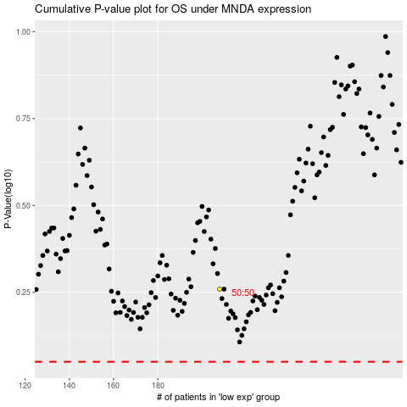

 |  |  |  |  |  | cases_OS | p_OS | rank | exp
 |  |  |  |  |  |  | cases_RFS | p_RFS | rank | exp

