MNT _multivariate
Reported by Tex Li-Hsing Chi. tex@gate.sinica.edu.tw 2019-08-17

Table 2. The clinicopathological features of HNSCC cohort and MNT expression. (Chi square test)
Cutoff at 0.394 (70.0%)
 |  | MNT expression |  | MNT expression |  | (Optimised)
 | Features | Low | (%) | High | (%) | Case no | P-value | Remark | Matthews
Gender | Female | 216 | 52 | 90 | 21.7 | 415 | 0.685 | 0 | 0
2 | Male | 74 | 17.8 | 35 | 8.4
Age at diagnosis | <=65y | 193 | 46.5 | 81 | 19.5 | 415 | 0.816 | 0 | 0
4 | >65y | 97 | 23.4 | 44 | 10.6
Clinical T Status | T1+T2 | 120 | 28.9 | 29 | 7 | 415 | 6e-04 | 1 | 0
6 | T3+T4 | 170 | 41 | 96 | 23.1
Clinical N Status | N0 | 140 | 33.7 | 76 | 18.3 | 415 | 0.0254 | 1 | 0
8 | N1-3 | 150 | 36.1 | 49 | 11.8
Clinical M Status | M0 | 287 | 69.2 | 125 | 30.1 | 415 | 0.5571 | 0 | 0
10 | M1 | 3 | 0.7 | 0 | 0
Clinical Stage | Stage I+II | 79 | 19 | 23 | 5.5 | 415 | 0.0727 | 0 | 0
12 | Stage III+IV | 211 | 50.8 | 102 | 24.6
Surgical Margin status | Negative | 218 | 52.5 | 100 | 24.1 | 415 | 0.3137 | 0 | 0
14 | Positive | 72 | 17.3 | 25 | 6
Tobacco Exposure | Low | 107 | 25.8 | 54 | 13 | 415 | 0.2296 | 0 | 0
16 | High | 183 | 44.1 | 71 | 17.1

Table 3. Univariate/Multivariate Cox's proportional hazards regression analyses on OS time of MNT gene expression in HNSCC

 |  | Univariate |  |  |  | Multivariate
 | Features | HR | CI95%(L) | CI95%(H) | P-value | HR | CI95%(L) | CI95%(H) | P-value
1 | Female | 1 |  |  |  | 1
Gender | Male | 1.157 | 0.843 | 1.587 | 0.367 | 1.202 | 0.86 | 1.678 | 0.281
11 | <=65y | 1 |  |  |  | 1
Age at diagnosis | >65y | 1.329 | 0.99 | 1.784 | 0.058 | 1.345 | 0.989 | 1.83 | 0.059
12 | T1+T2 | 1 |  |  |  | 1
Clinical T Status | T3+T4 | 1.409 | 1.028 | 1.931 | 0.033 | 2.312 | 1.221 | 4.379 | 0.01
13 | N0 | 1 |  |  |  | 1
Clinical N Status | N1-3 | 1.185 | 0.89 | 1.577 | 0.246 | 1.15 | 0.801 | 1.651 | 0.449
14 | M0 | 1 |  |  |  | 1
Clinical M Status | M1 | 4.097 | 1.009 | 16.644 | 0.049 | 9.044 | 1.973 | 41.463 | 0.005
15 | Stage I+II | 1 |  |  |  | 1
Clinical Stage | Stage III+IV | 1.245 | 0.882 | 1.759 | 0.213 | 0.53 | 0.247 | 1.138 | 0.104
16 | Negative | 1 |  |  |  | 1
Surgical Margin status | Positive | 1.591 | 1.155 | 2.191 | 0.004 | 1.627 | 1.177 | 2.249 | 0.003
17 | Low | 1 |  |  |  | 1
Tobacco Exposure | High | 1.364 | 1.008 | 1.844 | 0.044 | 1.426 | 1.035 | 1.965 | 0.03
18 | Low | 1 |  |  |  | 1
RNAseq(z-score) | High | 0.715 | 0.516 | 0.991 | 0.044 | 0.721 | 0.512 | 1.014 | 0.06

Table 4. Univariate/Multivariate Cox's proportional hazards regression analyses on RFS time of MNT gene expression in HNSCC

 |  | Univariate |  |  |  | Multivariate
 | Features | HR | CI95%(L) | CI95%(H) | P-value | HR | CI95%(L) | CI95%(H) | P-value
1 | Female | 1 |  |  |  | 1
Gender | Male | 1.157 | 0.843 | 1.587 | 0.367 | 1.202 | 0.86 | 1.678 | 0.281
11 | <=65y | 1 |  |  |  | 1
Age at diagnosis | >65y | 1.329 | 0.99 | 1.784 | 0.058 | 1.345 | 0.989 | 1.83 | 0.059
12 | T1+T2 | 1 |  |  |  | 1
Clinical T Status | T3+T4 | 1.409 | 1.028 | 1.931 | 0.033 | 2.312 | 1.221 | 4.379 | 0.01
13 | N0 | 1 |  |  |  | 1
Clinical N Status | N1-3 | 1.185 | 0.89 | 1.577 | 0.246 | 1.15 | 0.801 | 1.651 | 0.449
14 | M0 | 1 |  |  |  | 1
Clinical M Status | M1 | 4.097 | 1.009 | 16.644 | 0.049 | 9.044 | 1.973 | 41.463 | 0.005
15 | Stage I+II | 1 |  |  |  | 1
Clinical Stage | Stage III+IV | 1.245 | 0.882 | 1.759 | 0.213 | 0.53 | 0.247 | 1.138 | 0.104
16 | Negative | 1 |  |  |  | 1
Surgical Margin status | Positive | 1.591 | 1.155 | 2.191 | 0.004 | 1.627 | 1.177 | 2.249 | 0.003
17 | Low | 1 |  |  |  | 1
Tobacco Exposure | High | 1.364 | 1.008 | 1.844 | 0.044 | 1.426 | 1.035 | 1.965 | 0.03
18 | Low | 1 |  |  |  | 1
RNAseq(z-score) | High | 0.715 | 0.516 | 0.991 | 0.044 | 0.721 | 0.512 | 1.014 | 0.06

Kaplan-Meier survival estimate: Cutoff at 0.394 (70.0%)



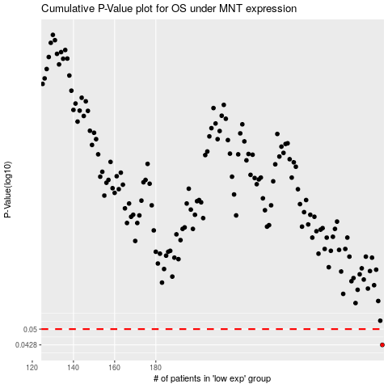

 |  |  |  |  |  | cases_OS | p_OS | rank | exp
 |  |  |  |  |  | 290 | 0.0428 | 356 | 0.39442933505
 |  |  |  |  |  |  | cases_RFS | p_RFS | rank | exp
 |  |  |  |  |  |  | 289 | 0.0428 | 206 | 0.38954363109

