MNX1 _multivariate
Reported by Tex Li-Hsing Chi. tex@gate.sinica.edu.tw 2019-08-17

Table 2. The clinicopathological features of HNSCC cohort and MNX1 expression. (Chi square test)
Cutoff at -0.282 (49.8%)
 |  | MNX1 expression |  | MNX1 expression |  | (Optimised)
 | Features | Low | (%) | High | (%) | Case no | P-value | Remark | Matthews
Gender | Female | 142 | 34.2 | 164 | 39.5 | 415 | 0.0238 | 1 | 0
2 | Male | 65 | 15.7 | 44 | 10.6
Age at diagnosis | <=65y | 131 | 31.6 | 143 | 34.5 | 415 | 0.2839 | 0 | 0
4 | >65y | 76 | 18.3 | 65 | 15.7
Clinical T Status | T1+T2 | 77 | 18.6 | 72 | 17.3 | 415 | 0.6556 | 0 | 0
6 | T3+T4 | 130 | 31.3 | 136 | 32.8
Clinical N Status | N0 | 109 | 26.3 | 107 | 25.8 | 415 | 0.8812 | 0 | 0
8 | N1-3 | 98 | 23.6 | 101 | 24.3
Clinical M Status | M0 | 207 | 49.9 | 205 | 49.4 | 415 | 0.2482 | 0 | 0
10 | M1 | 0 | 0 | 3 | 0.7
Clinical Stage | Stage I+II | 61 | 14.7 | 41 | 9.9 | 415 | 0.0282 | 1 | 0
12 | Stage III+IV | 146 | 35.2 | 167 | 40.2
Surgical Margin status | Negative | 157 | 37.8 | 161 | 38.8 | 415 | 0.729 | 0 | 0
14 | Positive | 50 | 12 | 47 | 11.3
Tobacco Exposure | Low | 94 | 22.7 | 67 | 16.1 | 415 | 0.0065 | 1 | 0
16 | High | 113 | 27.2 | 141 | 34

Table 3. Univariate/Multivariate Cox's proportional hazards regression analyses on OS time of MNX1 gene expression in HNSCC

 |  | Univariate |  |  |  | Multivariate
 | Features | HR | CI95%(L) | CI95%(H) | P-value | HR | CI95%(L) | CI95%(H) | P-value
1 | Female | 1 |  |  |  | 1
Gender | Male | 1.157 | 0.843 | 1.587 | 0.367 | 1.208 | 0.864 | 1.688 | 0.269
11 | <=65y | 1 |  |  |  | 1
Age at diagnosis | >65y | 1.329 | 0.99 | 1.784 | 0.058 | 1.388 | 1.021 | 1.888 | 0.037
12 | T1+T2 | 1 |  |  |  | 1
Clinical T Status | T3+T4 | 1.409 | 1.028 | 1.931 | 0.033 | 2.274 | 1.198 | 4.314 | 0.012
13 | N0 | 1 |  |  |  | 1
Clinical N Status | N1-3 | 1.185 | 0.89 | 1.577 | 0.246 | 1.26 | 0.882 | 1.802 | 0.204
14 | M0 | 1 |  |  |  | 1
Clinical M Status | M1 | 4.097 | 1.009 | 16.644 | 0.049 | 9.009 | 1.96 | 41.408 | 0.005
15 | Stage I+II | 1 |  |  |  | 1
Clinical Stage | Stage III+IV | 1.245 | 0.882 | 1.759 | 0.213 | 0.48 | 0.222 | 1.039 | 0.063
16 | Negative | 1 |  |  |  | 1
Surgical Margin status | Positive | 1.591 | 1.155 | 2.191 | 0.004 | 1.656 | 1.198 | 2.289 | 0.002
17 | Low | 1 |  |  |  | 1
Tobacco Exposure | High | 1.364 | 1.008 | 1.844 | 0.044 | 1.418 | 1.025 | 1.963 | 0.035
18 | Low | 1 |  |  |  | 1
RNAseq(z-score) | High | 1.196 | 0.897 | 1.596 | 0.223 | 1.146 | 0.851 | 1.543 | 0.37

Table 4. Univariate/Multivariate Cox's proportional hazards regression analyses on RFS time of MNX1 gene expression in HNSCC

 |  | Univariate |  |  |  | Multivariate
 | Features | HR | CI95%(L) | CI95%(H) | P-value | HR | CI95%(L) | CI95%(H) | P-value
1 | Female | 1 |  |  |  | 1
Gender | Male | 1.157 | 0.843 | 1.587 | 0.367 | 1.208 | 0.864 | 1.688 | 0.269
11 | <=65y | 1 |  |  |  | 1
Age at diagnosis | >65y | 1.329 | 0.99 | 1.784 | 0.058 | 1.388 | 1.021 | 1.888 | 0.037
12 | T1+T2 | 1 |  |  |  | 1
Clinical T Status | T3+T4 | 1.409 | 1.028 | 1.931 | 0.033 | 2.274 | 1.198 | 4.314 | 0.012
13 | N0 | 1 |  |  |  | 1
Clinical N Status | N1-3 | 1.185 | 0.89 | 1.577 | 0.246 | 1.26 | 0.882 | 1.802 | 0.204
14 | M0 | 1 |  |  |  | 1
Clinical M Status | M1 | 4.097 | 1.009 | 16.644 | 0.049 | 9.009 | 1.96 | 41.408 | 0.005
15 | Stage I+II | 1 |  |  |  | 1
Clinical Stage | Stage III+IV | 1.245 | 0.882 | 1.759 | 0.213 | 0.48 | 0.222 | 1.039 | 0.063
16 | Negative | 1 |  |  |  | 1
Surgical Margin status | Positive | 1.591 | 1.155 | 2.191 | 0.004 | 1.656 | 1.198 | 2.289 | 0.002
17 | Low | 1 |  |  |  | 1
Tobacco Exposure | High | 1.364 | 1.008 | 1.844 | 0.044 | 1.418 | 1.025 | 1.963 | 0.035
18 | Low | 1 |  |  |  | 1
RNAseq(z-score) | High | 1.196 | 0.897 | 1.596 | 0.223 | 1.146 | 0.851 | 1.543 | 0.37

Kaplan-Meier survival estimate: Cutoff at -0.282 (49.8%)



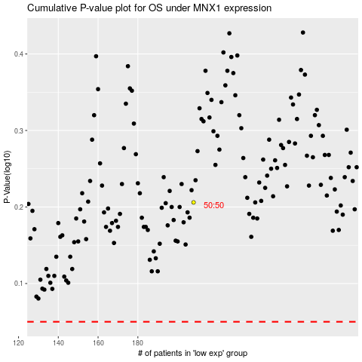

 |  |  |  |  |  | cases_OS | p_OS | rank | exp
 |  |  |  |  |  |  | cases_RFS | p_RFS | rank | exp

