MOAP1 _multivariate
Reported by Tex Li-Hsing Chi. tex@gate.sinica.edu.tw 2019-08-17

Table 2. The clinicopathological features of HNSCC cohort and MOAP1 expression. (Chi square test)
Cutoff at -0.284 (50.0%)
 |  | MOAP1 expression |  | MOAP1 expression |  | (Optimised)
 | Features | Low | (%) | High | (%) | Case no | P-value | Remark | Matthews
Gender | Female | 145 | 34.9 | 161 | 38.8 | 415 | 0.1116 | 0 | 0
2 | Male | 62 | 14.9 | 47 | 11.3
Age at diagnosis | <=65y | 135 | 32.5 | 139 | 33.5 | 415 | 0.8084 | 0 | 0
4 | >65y | 72 | 17.3 | 69 | 16.6
Clinical T Status | T1+T2 | 87 | 21 | 62 | 14.9 | 415 | 0.0127 | 1 | 0
6 | T3+T4 | 120 | 28.9 | 146 | 35.2
Clinical N Status | N0 | 103 | 24.8 | 113 | 27.2 | 415 | 0.4047 | 0 | 0
8 | N1-3 | 104 | 25.1 | 95 | 22.9
Clinical M Status | M0 | 205 | 49.4 | 207 | 49.9 | 415 | 0.6232 | 0 | 0
10 | M1 | 2 | 0.5 | 1 | 0.2
Clinical Stage | Stage I+II | 61 | 14.7 | 41 | 9.9 | 415 | 0.0282 | 1 | 0
12 | Stage III+IV | 146 | 35.2 | 167 | 40.2
Surgical Margin status | Negative | 166 | 40 | 152 | 36.6 | 415 | 0.1042 | 0 | 0
14 | Positive | 41 | 9.9 | 56 | 13.5
Tobacco Exposure | Low | 96 | 23.1 | 65 | 15.7 | 415 | 0.0018 | 1 | 0
16 | High | 111 | 26.7 | 143 | 34.5

Table 3. Univariate/Multivariate Cox's proportional hazards regression analyses on OS time of MOAP1 gene expression in HNSCC

 |  | Univariate |  |  |  | Multivariate
 | Features | HR | CI95%(L) | CI95%(H) | P-value | HR | CI95%(L) | CI95%(H) | P-value
1 | Female | 1 |  |  |  | 1
Gender | Male | 1.157 | 0.843 | 1.587 | 0.367 | 1.194 | 0.854 | 1.669 | 0.3
11 | <=65y | 1 |  |  |  | 1
Age at diagnosis | >65y | 1.329 | 0.99 | 1.784 | 0.058 | 1.401 | 1.03 | 1.907 | 0.032
12 | T1+T2 | 1 |  |  |  | 1
Clinical T Status | T3+T4 | 1.409 | 1.028 | 1.931 | 0.033 | 2.225 | 1.176 | 4.211 | 0.014
13 | N0 | 1 |  |  |  | 1
Clinical N Status | N1-3 | 1.185 | 0.89 | 1.577 | 0.246 | 1.222 | 0.853 | 1.749 | 0.274
14 | M0 | 1 |  |  |  | 1
Clinical M Status | M1 | 4.097 | 1.009 | 16.644 | 0.049 | 9.425 | 2.056 | 43.211 | 0.004
15 | Stage I+II | 1 |  |  |  | 1
Clinical Stage | Stage III+IV | 1.245 | 0.882 | 1.759 | 0.213 | 0.511 | 0.238 | 1.097 | 0.085
16 | Negative | 1 |  |  |  | 1
Surgical Margin status | Positive | 1.591 | 1.155 | 2.191 | 0.004 | 1.687 | 1.219 | 2.334 | 0.002
17 | Low | 1 |  |  |  | 1
Tobacco Exposure | High | 1.364 | 1.008 | 1.844 | 0.044 | 1.475 | 1.066 | 2.041 | 0.019
18 | Low | 1 |  |  |  | 1
RNAseq(z-score) | High | 1.007 | 0.757 | 1.342 | 0.959 | 0.912 | 0.676 | 1.23 | 0.545

Table 4. Univariate/Multivariate Cox's proportional hazards regression analyses on RFS time of MOAP1 gene expression in HNSCC

 |  | Univariate |  |  |  | Multivariate
 | Features | HR | CI95%(L) | CI95%(H) | P-value | HR | CI95%(L) | CI95%(H) | P-value
1 | Female | 1 |  |  |  | 1
Gender | Male | 1.157 | 0.843 | 1.587 | 0.367 | 1.194 | 0.854 | 1.669 | 0.3
11 | <=65y | 1 |  |  |  | 1
Age at diagnosis | >65y | 1.329 | 0.99 | 1.784 | 0.058 | 1.401 | 1.03 | 1.907 | 0.032
12 | T1+T2 | 1 |  |  |  | 1
Clinical T Status | T3+T4 | 1.409 | 1.028 | 1.931 | 0.033 | 2.225 | 1.176 | 4.211 | 0.014
13 | N0 | 1 |  |  |  | 1
Clinical N Status | N1-3 | 1.185 | 0.89 | 1.577 | 0.246 | 1.222 | 0.853 | 1.749 | 0.274
14 | M0 | 1 |  |  |  | 1
Clinical M Status | M1 | 4.097 | 1.009 | 16.644 | 0.049 | 9.425 | 2.056 | 43.211 | 0.004
15 | Stage I+II | 1 |  |  |  | 1
Clinical Stage | Stage III+IV | 1.245 | 0.882 | 1.759 | 0.213 | 0.511 | 0.238 | 1.097 | 0.085
16 | Negative | 1 |  |  |  | 1
Surgical Margin status | Positive | 1.591 | 1.155 | 2.191 | 0.004 | 1.687 | 1.219 | 2.334 | 0.002
17 | Low | 1 |  |  |  | 1
Tobacco Exposure | High | 1.364 | 1.008 | 1.844 | 0.044 | 1.475 | 1.066 | 2.041 | 0.019
18 | Low | 1 |  |  |  | 1
RNAseq(z-score) | High | 1.007 | 0.757 | 1.342 | 0.959 | 0.912 | 0.676 | 1.23 | 0.545

Kaplan-Meier survival estimate: Cutoff at -0.284 (50.0%)



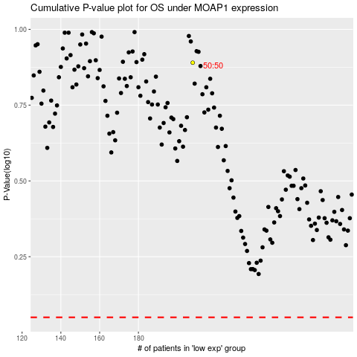

 |  |  |  |  |  | cases_OS | p_OS | rank | exp
 |  |  |  |  |  |  | cases_RFS | p_RFS | rank | exp

