MOBKL1A _multivariate
Reported by Tex Li-Hsing Chi. tex@gate.sinica.edu.tw 2019-08-17

Table 2. The clinicopathological features of HNSCC cohort and MOBKL1A expression. (Chi square test)
Cutoff at -0.101 (50.0%)
 |  | MOBKL1A expression |  | MOBKL1A expression |  | (Optimised)
 | Features | Low | (%) | High | (%) | Case no | P-value | Remark | Matthews
Gender | Female | 162 | 39 | 144 | 34.7 | 415 | 0.0479 | 1 | 0
2 | Male | 45 | 10.8 | 64 | 15.4
Age at diagnosis | <=65y | 139 | 33.5 | 135 | 32.5 | 415 | 0.7044 | 0 | 0
4 | >65y | 68 | 16.4 | 73 | 17.6
Clinical T Status | T1+T2 | 77 | 18.6 | 72 | 17.3 | 415 | 0.6556 | 0 | 0
6 | T3+T4 | 130 | 31.3 | 136 | 32.8
Clinical N Status | N0 | 104 | 25.1 | 112 | 27 | 415 | 0.5243 | 0 | 0
8 | N1-3 | 103 | 24.8 | 96 | 23.1
Clinical M Status | M0 | 204 | 49.2 | 208 | 50.1 | 415 | 0.1232 | 0 | 0
10 | M1 | 3 | 0.7 | 0 | 0
Clinical Stage | Stage I+II | 47 | 11.3 | 55 | 13.3 | 415 | 0.4413 | 0 | 0
12 | Stage III+IV | 160 | 38.6 | 153 | 36.9
Surgical Margin status | Negative | 162 | 39 | 156 | 37.6 | 415 | 0.4867 | 0 | 0
14 | Positive | 45 | 10.8 | 52 | 12.5
Tobacco Exposure | Low | 78 | 18.8 | 83 | 20 | 415 | 0.6873 | 0 | 0
16 | High | 129 | 31.1 | 125 | 30.1

Table 3. Univariate/Multivariate Cox's proportional hazards regression analyses on OS time of MOBKL1A gene expression in HNSCC

 |  | Univariate |  |  |  | Multivariate
 | Features | HR | CI95%(L) | CI95%(H) | P-value | HR | CI95%(L) | CI95%(H) | P-value
1 | Female | 1 |  |  |  | 1
Gender | Male | 1.157 | 0.843 | 1.587 | 0.367 | 1.204 | 0.862 | 1.682 | 0.276
11 | <=65y | 1 |  |  |  | 1
Age at diagnosis | >65y | 1.329 | 0.99 | 1.784 | 0.058 | 1.393 | 1.025 | 1.895 | 0.034
12 | T1+T2 | 1 |  |  |  | 1
Clinical T Status | T3+T4 | 1.409 | 1.028 | 1.931 | 0.033 | 2.197 | 1.162 | 4.154 | 0.015
13 | N0 | 1 |  |  |  | 1
Clinical N Status | N1-3 | 1.185 | 0.89 | 1.577 | 0.246 | 1.243 | 0.871 | 1.774 | 0.23
14 | M0 | 1 |  |  |  | 1
Clinical M Status | M1 | 4.097 | 1.009 | 16.644 | 0.049 | 9.659 | 2.094 | 44.547 | 0.004
15 | Stage I+II | 1 |  |  |  | 1
Clinical Stage | Stage III+IV | 1.245 | 0.882 | 1.759 | 0.213 | 0.508 | 0.236 | 1.09 | 0.082
16 | Negative | 1 |  |  |  | 1
Surgical Margin status | Positive | 1.591 | 1.155 | 2.191 | 0.004 | 1.675 | 1.212 | 2.315 | 0.002
17 | Low | 1 |  |  |  | 1
Tobacco Exposure | High | 1.364 | 1.008 | 1.844 | 0.044 | 1.459 | 1.058 | 2.012 | 0.021
18 | Low | 1 |  |  |  | 1
RNAseq(z-score) | High | 0.999 | 0.75 | 1.33 | 0.993 | 1.06 | 0.793 | 1.417 | 0.695

Table 4. Univariate/Multivariate Cox's proportional hazards regression analyses on RFS time of MOBKL1A gene expression in HNSCC

 |  | Univariate |  |  |  | Multivariate
 | Features | HR | CI95%(L) | CI95%(H) | P-value | HR | CI95%(L) | CI95%(H) | P-value
1 | Female | 1 |  |  |  | 1
Gender | Male | 1.157 | 0.843 | 1.587 | 0.367 | 1.204 | 0.862 | 1.682 | 0.276
11 | <=65y | 1 |  |  |  | 1
Age at diagnosis | >65y | 1.329 | 0.99 | 1.784 | 0.058 | 1.393 | 1.025 | 1.895 | 0.034
12 | T1+T2 | 1 |  |  |  | 1
Clinical T Status | T3+T4 | 1.409 | 1.028 | 1.931 | 0.033 | 2.197 | 1.162 | 4.154 | 0.015
13 | N0 | 1 |  |  |  | 1
Clinical N Status | N1-3 | 1.185 | 0.89 | 1.577 | 0.246 | 1.243 | 0.871 | 1.774 | 0.23
14 | M0 | 1 |  |  |  | 1
Clinical M Status | M1 | 4.097 | 1.009 | 16.644 | 0.049 | 9.659 | 2.094 | 44.547 | 0.004
15 | Stage I+II | 1 |  |  |  | 1
Clinical Stage | Stage III+IV | 1.245 | 0.882 | 1.759 | 0.213 | 0.508 | 0.236 | 1.09 | 0.082
16 | Negative | 1 |  |  |  | 1
Surgical Margin status | Positive | 1.591 | 1.155 | 2.191 | 0.004 | 1.675 | 1.212 | 2.315 | 0.002
17 | Low | 1 |  |  |  | 1
Tobacco Exposure | High | 1.364 | 1.008 | 1.844 | 0.044 | 1.459 | 1.058 | 2.012 | 0.021
18 | Low | 1 |  |  |  | 1
RNAseq(z-score) | High | 0.999 | 0.75 | 1.33 | 0.993 | 1.06 | 0.793 | 1.417 | 0.695

Kaplan-Meier survival estimate: Cutoff at -0.101 (50.0%)



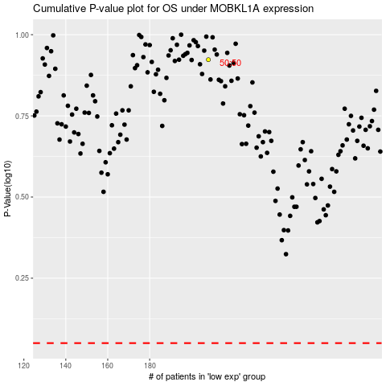

 |  |  |  |  |  | cases_OS | p_OS | rank | exp
 |  |  |  |  |  |  | cases_RFS | p_RFS | rank | exp

