MOBKL1B _multivariate
Reported by Tex Li-Hsing Chi. tex@gate.sinica.edu.tw 2019-08-17

Table 2. The clinicopathological features of HNSCC cohort and MOBKL1B expression. (Chi square test)
Cutoff at 0.058 (49.8%)
 |  | MOBKL1B expression |  | MOBKL1B expression |  | (Optimised)
 | Features | Low | (%) | High | (%) | Case no | P-value | Remark | Matthews
Gender | Female | 158 | 38.1 | 148 | 35.7 | 415 | 0.2774 | 0 | 0
2 | Male | 49 | 11.8 | 60 | 14.5
Age at diagnosis | <=65y | 145 | 34.9 | 129 | 31.1 | 415 | 0.1046 | 0 | 0
4 | >65y | 62 | 14.9 | 79 | 19
Clinical T Status | T1+T2 | 74 | 17.8 | 75 | 18.1 | 415 | 1 | 0 | 0
6 | T3+T4 | 133 | 32 | 133 | 32
Clinical N Status | N0 | 106 | 25.5 | 110 | 26.5 | 415 | 0.8075 | 0 | 0
8 | N1-3 | 101 | 24.3 | 98 | 23.6
Clinical M Status | M0 | 204 | 49.2 | 208 | 50.1 | 415 | 0.1232 | 0 | 0
10 | M1 | 3 | 0.7 | 0 | 0
Clinical Stage | Stage I+II | 49 | 11.8 | 53 | 12.8 | 415 | 0.7535 | 0 | 0
12 | Stage III+IV | 158 | 38.1 | 155 | 37.3
Surgical Margin status | Negative | 153 | 36.9 | 165 | 39.8 | 415 | 0.2036 | 0 | 0
14 | Positive | 54 | 13 | 43 | 10.4
Tobacco Exposure | Low | 78 | 18.8 | 83 | 20 | 415 | 0.6873 | 0 | 0
16 | High | 129 | 31.1 | 125 | 30.1

Table 3. Univariate/Multivariate Cox's proportional hazards regression analyses on OS time of MOBKL1B gene expression in HNSCC

 |  | Univariate |  |  |  | Multivariate
 | Features | HR | CI95%(L) | CI95%(H) | P-value | HR | CI95%(L) | CI95%(H) | P-value
1 | Female | 1 |  |  |  | 1
Gender | Male | 1.157 | 0.843 | 1.587 | 0.367 | 1.207 | 0.866 | 1.684 | 0.267
11 | <=65y | 1 |  |  |  | 1
Age at diagnosis | >65y | 1.329 | 0.99 | 1.784 | 0.058 | 1.364 | 1.002 | 1.856 | 0.048
12 | T1+T2 | 1 |  |  |  | 1
Clinical T Status | T3+T4 | 1.409 | 1.028 | 1.931 | 0.033 | 2.215 | 1.171 | 4.189 | 0.014
13 | N0 | 1 |  |  |  | 1
Clinical N Status | N1-3 | 1.185 | 0.89 | 1.577 | 0.246 | 1.243 | 0.871 | 1.773 | 0.231
14 | M0 | 1 |  |  |  | 1
Clinical M Status | M1 | 4.097 | 1.009 | 16.644 | 0.049 | 10.846 | 2.344 | 50.191 | 0.002
15 | Stage I+II | 1 |  |  |  | 1
Clinical Stage | Stage III+IV | 1.245 | 0.882 | 1.759 | 0.213 | 0.503 | 0.234 | 1.081 | 0.078
16 | Negative | 1 |  |  |  | 1
Surgical Margin status | Positive | 1.591 | 1.155 | 2.191 | 0.004 | 1.709 | 1.235 | 2.365 | 0.001
17 | Low | 1 |  |  |  | 1
Tobacco Exposure | High | 1.364 | 1.008 | 1.844 | 0.044 | 1.475 | 1.071 | 2.031 | 0.017
18 | Low | 1 |  |  |  | 1
RNAseq(z-score) | High | 1.218 | 0.914 | 1.624 | 0.179 | 1.294 | 0.966 | 1.734 | 0.084

Table 4. Univariate/Multivariate Cox's proportional hazards regression analyses on RFS time of MOBKL1B gene expression in HNSCC

 |  | Univariate |  |  |  | Multivariate
 | Features | HR | CI95%(L) | CI95%(H) | P-value | HR | CI95%(L) | CI95%(H) | P-value
1 | Female | 1 |  |  |  | 1
Gender | Male | 1.157 | 0.843 | 1.587 | 0.367 | 1.207 | 0.866 | 1.684 | 0.267
11 | <=65y | 1 |  |  |  | 1
Age at diagnosis | >65y | 1.329 | 0.99 | 1.784 | 0.058 | 1.364 | 1.002 | 1.856 | 0.048
12 | T1+T2 | 1 |  |  |  | 1
Clinical T Status | T3+T4 | 1.409 | 1.028 | 1.931 | 0.033 | 2.215 | 1.171 | 4.189 | 0.014
13 | N0 | 1 |  |  |  | 1
Clinical N Status | N1-3 | 1.185 | 0.89 | 1.577 | 0.246 | 1.243 | 0.871 | 1.773 | 0.231
14 | M0 | 1 |  |  |  | 1
Clinical M Status | M1 | 4.097 | 1.009 | 16.644 | 0.049 | 10.846 | 2.344 | 50.191 | 0.002
15 | Stage I+II | 1 |  |  |  | 1
Clinical Stage | Stage III+IV | 1.245 | 0.882 | 1.759 | 0.213 | 0.503 | 0.234 | 1.081 | 0.078
16 | Negative | 1 |  |  |  | 1
Surgical Margin status | Positive | 1.591 | 1.155 | 2.191 | 0.004 | 1.709 | 1.235 | 2.365 | 0.001
17 | Low | 1 |  |  |  | 1
Tobacco Exposure | High | 1.364 | 1.008 | 1.844 | 0.044 | 1.475 | 1.071 | 2.031 | 0.017
18 | Low | 1 |  |  |  | 1
RNAseq(z-score) | High | 1.218 | 0.914 | 1.624 | 0.179 | 1.294 | 0.966 | 1.734 | 0.084

Kaplan-Meier survival estimate: Cutoff at 0.058 (49.8%)



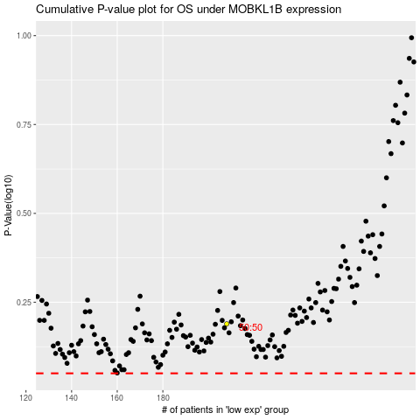

 |  |  |  |  |  | cases_OS | p_OS | rank | exp
 |  |  |  |  |  |  | cases_RFS | p_RFS | rank | exp

