MOBKL2B _multivariate
Reported by Tex Li-Hsing Chi. tex@gate.sinica.edu.tw 2019-08-17

Table 2. The clinicopathological features of HNSCC cohort and MOBKL2B expression. (Chi square test)
Cutoff at 0.283 (69.3%)
 |  | MOBKL2B expression |  | MOBKL2B expression |  | (Optimised)
 | Features | Low | (%) | High | (%) | Case no | P-value | Remark | Matthews
Gender | Female | 218 | 52.5 | 88 | 21.2 | 415 | 0.1555 | 0 | 0
2 | Male | 69 | 16.6 | 40 | 9.6
Age at diagnosis | <=65y | 194 | 46.7 | 80 | 19.3 | 415 | 0.3681 | 0 | 0
4 | >65y | 93 | 22.4 | 48 | 11.6
Clinical T Status | T1+T2 | 94 | 22.7 | 55 | 13.3 | 415 | 0.0584 | 0 | 0
6 | T3+T4 | 193 | 46.5 | 73 | 17.6
Clinical N Status | N0 | 154 | 37.1 | 62 | 14.9 | 415 | 0.3805 | 0 | 0
8 | N1-3 | 133 | 32 | 66 | 15.9
Clinical M Status | M0 | 285 | 68.7 | 127 | 30.6 | 415 | 1 | 0 | 0
10 | M1 | 2 | 0.5 | 1 | 0.2
Clinical Stage | Stage I+II | 64 | 15.4 | 38 | 9.2 | 415 | 0.136 | 0 | 0
12 | Stage III+IV | 223 | 53.7 | 90 | 21.7
Surgical Margin status | Negative | 225 | 54.2 | 93 | 22.4 | 415 | 0.2109 | 0 | 0
14 | Positive | 62 | 14.9 | 35 | 8.4
Tobacco Exposure | Low | 97 | 23.4 | 64 | 15.4 | 415 | 0.0022 | 1 | 0
16 | High | 190 | 45.8 | 64 | 15.4

Table 3. Univariate/Multivariate Cox's proportional hazards regression analyses on OS time of MOBKL2B gene expression in HNSCC

 |  | Univariate |  |  |  | Multivariate
 | Features | HR | CI95%(L) | CI95%(H) | P-value | HR | CI95%(L) | CI95%(H) | P-value
1 | Female | 1 |  |  |  | 1
Gender | Male | 1.157 | 0.843 | 1.587 | 0.367 | 1.193 | 0.854 | 1.667 | 0.3
11 | <=65y | 1 |  |  |  | 1
Age at diagnosis | >65y | 1.329 | 0.99 | 1.784 | 0.058 | 1.386 | 1.019 | 1.884 | 0.037
12 | T1+T2 | 1 |  |  |  | 1
Clinical T Status | T3+T4 | 1.409 | 1.028 | 1.931 | 0.033 | 2.232 | 1.179 | 4.226 | 0.014
13 | N0 | 1 |  |  |  | 1
Clinical N Status | N1-3 | 1.185 | 0.89 | 1.577 | 0.246 | 1.187 | 0.832 | 1.694 | 0.344
14 | M0 | 1 |  |  |  | 1
Clinical M Status | M1 | 4.097 | 1.009 | 16.644 | 0.049 | 9.086 | 1.98 | 41.692 | 0.005
15 | Stage I+II | 1 |  |  |  | 1
Clinical Stage | Stage III+IV | 1.245 | 0.882 | 1.759 | 0.213 | 0.542 | 0.252 | 1.169 | 0.118
16 | Negative | 1 |  |  |  | 1
Surgical Margin status | Positive | 1.591 | 1.155 | 2.191 | 0.004 | 1.568 | 1.131 | 2.173 | 0.007
17 | Low | 1 |  |  |  | 1
Tobacco Exposure | High | 1.364 | 1.008 | 1.844 | 0.044 | 1.55 | 1.121 | 2.143 | 0.008
18 | Low | 1 |  |  |  | 1
RNAseq(z-score) | High | 1.524 | 1.131 | 2.053 | 0.006 | 1.568 | 1.15 | 2.138 | 0.004

Table 4. Univariate/Multivariate Cox's proportional hazards regression analyses on RFS time of MOBKL2B gene expression in HNSCC

 |  | Univariate |  |  |  | Multivariate
 | Features | HR | CI95%(L) | CI95%(H) | P-value | HR | CI95%(L) | CI95%(H) | P-value
1 | Female | 1 |  |  |  | 1
Gender | Male | 1.157 | 0.843 | 1.587 | 0.367 | 1.193 | 0.854 | 1.667 | 0.3
11 | <=65y | 1 |  |  |  | 1
Age at diagnosis | >65y | 1.329 | 0.99 | 1.784 | 0.058 | 1.386 | 1.019 | 1.884 | 0.037
12 | T1+T2 | 1 |  |  |  | 1
Clinical T Status | T3+T4 | 1.409 | 1.028 | 1.931 | 0.033 | 2.232 | 1.179 | 4.226 | 0.014
13 | N0 | 1 |  |  |  | 1
Clinical N Status | N1-3 | 1.185 | 0.89 | 1.577 | 0.246 | 1.187 | 0.832 | 1.694 | 0.344
14 | M0 | 1 |  |  |  | 1
Clinical M Status | M1 | 4.097 | 1.009 | 16.644 | 0.049 | 9.086 | 1.98 | 41.692 | 0.005
15 | Stage I+II | 1 |  |  |  | 1
Clinical Stage | Stage III+IV | 1.245 | 0.882 | 1.759 | 0.213 | 0.542 | 0.252 | 1.169 | 0.118
16 | Negative | 1 |  |  |  | 1
Surgical Margin status | Positive | 1.591 | 1.155 | 2.191 | 0.004 | 1.568 | 1.131 | 2.173 | 0.007
17 | Low | 1 |  |  |  | 1
Tobacco Exposure | High | 1.364 | 1.008 | 1.844 | 0.044 | 1.55 | 1.121 | 2.143 | 0.008
18 | Low | 1 |  |  |  | 1
RNAseq(z-score) | High | 1.524 | 1.131 | 2.053 | 0.006 | 1.568 | 1.15 | 2.138 | 0.004

Kaplan-Meier survival estimate: Cutoff at 0.283 (69.3%)

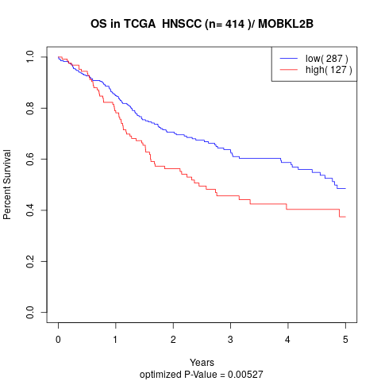

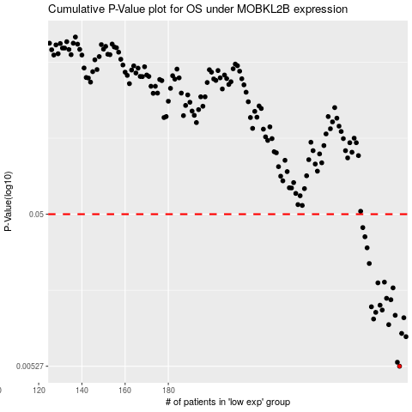

 |  |  |  |  |  | cases_OS | p_OS | rank | exp
 |  |  |  |  |  | 287 | 0.00527 | 225 | 0.28261643494
 |  |  |  |  |  | 286 | 0.00559 | 315 | 0.27721165449
 |  |  |  |  |  | 290 | 0.00816 | 9 | 0.29883048235
 |  |  |  |  |  | 288 | 0.00856 | 76 | 0.29111134116
 |  |  |  |  |  | 282 | 0.00975 | 68 | 0.24212864425
 |  |  |  |  |  | 275 | 0.0106 | 256 | 0.20637393146
 |  |  |  |  |  | 289 | 0.0108 | 160 | 0.29246327118
 |  |  |  |  |  | 285 | 0.0112 | 26 | 0.26278827498
 |  |  |  |  |  | 276 | 0.0117 | 349 | 0.21352410972
 |  |  |  |  |  | 279 | 0.0121 | 43 | 0.21874295938
 |  |  |  |  |  | 274 | 0.0127 | 269 | 0.19390672032
 |  |  |  |  |  | 278 | 0.013 | 298 | 0.21575513231
 |  |  |  |  |  | 283 | 0.0141 | 153 | 0.24769554461
 |  |  |  |  |  | 281 | 0.0144 | 140 | 0.23522686366
 |  |  |  |  |  | 284 | 0.0168 | 195 | 0.25374659994
 |  |  |  |  |  | 277 | 0.0181 | 109 | 0.21452108094
 |  |  |  |  |  | 280 | 0.0183 | 234 | 0.23042543967
 |  |  |  |  |  | 273 | 0.0241 | 230 | 0.1897254086
 |  |  |  |  |  | 272 | 0.0304 | 174 | 0.18879413783
 |  |  |  |  |  | 271 | 0.0358 | 376 | 0.18843182999
 |  |  |  |  |  | 270 | 0.041 | 29 | 0.16438576008
 |  |  |  |  |  |  | cases_RFS | p_RFS | rank | exp
 |  |  |  |  |  |  | 286 | 0.00527 | 315 | 0.27721165449
 |  |  |  |  |  |  | 285 | 0.00559 | 26 | 0.26278827498
 |  |  |  |  |  |  | 289 | 0.00816 | 160 | 0.29246327118
 |  |  |  |  |  |  | 287 | 0.00856 | 225 | 0.28261643494
 |  |  |  |  |  |  | 281 | 0.00975 | 140 | 0.23522686366
 |  |  |  |  |  |  | 274 | 0.0106 | 269 | 0.19390672032
 |  |  |  |  |  |  | 288 | 0.0108 | 76 | 0.29111134116
 |  |  |  |  |  |  | 284 | 0.0112 | 195 | 0.25374659994
 |  |  |  |  |  |  | 275 | 0.0117 | 256 | 0.20637393146
 |  |  |  |  |  |  | 278 | 0.0121 | 298 | 0.21575513231
 |  |  |  |  |  |  | 273 | 0.0127 | 230 | 0.1897254086
 |  |  |  |  |  |  | 277 | 0.013 | 109 | 0.21452108094
 |  |  |  |  |  |  | 282 | 0.0141 | 68 | 0.24212864425
 |  |  |  |  |  |  | 280 | 0.0144 | 234 | 0.23042543967
 |  |  |  |  |  |  | 283 | 0.0168 | 153 | 0.24769554461
 |  |  |  |  |  |  | 276 | 0.0181 | 349 | 0.21352410972
 |  |  |  |  |  |  | 279 | 0.0183 | 43 | 0.21874295938
 |  |  |  |  |  |  | 272 | 0.0241 | 174 | 0.18879413783
 |  |  |  |  |  |  | 271 | 0.0304 | 376 | 0.18843182999
 |  |  |  |  |  |  | 270 | 0.0358 | 29 | 0.16438576008
 |  |  |  |  |  |  | 269 | 0.041 | 60 | 0.1609500823

