MOBKL2C _multivariate
Reported by Tex Li-Hsing Chi. tex@gate.sinica.edu.tw 2019-08-17

Table 2. The clinicopathological features of HNSCC cohort and MOBKL2C expression. (Chi square test)
Cutoff at -0.202 (49.8%)
 |  | MOBKL2C expression |  | MOBKL2C expression |  | (Optimised)
 | Features | Low | (%) | High | (%) | Case no | P-value | Remark | Matthews
Gender | Female | 146 | 35.2 | 160 | 38.6 | 415 | 0.1714 | 0 | 0
2 | Male | 61 | 14.7 | 48 | 11.6
Age at diagnosis | <=65y | 128 | 30.8 | 146 | 35.2 | 415 | 0.0904 | 0 | 0
4 | >65y | 79 | 19 | 62 | 14.9
Clinical T Status | T1+T2 | 74 | 17.8 | 75 | 18.1 | 415 | 1 | 0 | 0
6 | T3+T4 | 133 | 32 | 133 | 32
Clinical N Status | N0 | 120 | 28.9 | 96 | 23.1 | 415 | 0.0208 | 1 | 0
8 | N1-3 | 87 | 21 | 112 | 27
Clinical M Status | M0 | 207 | 49.9 | 205 | 49.4 | 415 | 0.2482 | 0 | 0
10 | M1 | 0 | 0 | 3 | 0.7
Clinical Stage | Stage I+II | 55 | 13.3 | 47 | 11.3 | 415 | 0.4087 | 0 | 0
12 | Stage III+IV | 152 | 36.6 | 161 | 38.8
Surgical Margin status | Negative | 162 | 39 | 156 | 37.6 | 415 | 0.4867 | 0 | 0
14 | Positive | 45 | 10.8 | 52 | 12.5
Tobacco Exposure | Low | 89 | 21.4 | 72 | 17.3 | 415 | 0.0872 | 0 | 0
16 | High | 118 | 28.4 | 136 | 32.8

Table 3. Univariate/Multivariate Cox's proportional hazards regression analyses on OS time of MOBKL2C gene expression in HNSCC

 |  | Univariate |  |  |  | Multivariate
 | Features | HR | CI95%(L) | CI95%(H) | P-value | HR | CI95%(L) | CI95%(H) | P-value
1 | Female | 1 |  |  |  | 1
Gender | Male | 1.157 | 0.843 | 1.587 | 0.367 | 1.204 | 0.861 | 1.682 | 0.278
11 | <=65y | 1 |  |  |  | 1
Age at diagnosis | >65y | 1.329 | 0.99 | 1.784 | 0.058 | 1.381 | 1.016 | 1.879 | 0.039
12 | T1+T2 | 1 |  |  |  | 1
Clinical T Status | T3+T4 | 1.409 | 1.028 | 1.931 | 0.033 | 2.187 | 1.157 | 4.136 | 0.016
13 | N0 | 1 |  |  |  | 1
Clinical N Status | N1-3 | 1.185 | 0.89 | 1.577 | 0.246 | 1.248 | 0.875 | 1.782 | 0.222
14 | M0 | 1 |  |  |  | 1
Clinical M Status | M1 | 4.097 | 1.009 | 16.644 | 0.049 | 9.801 | 2.127 | 45.156 | 0.003
15 | Stage I+II | 1 |  |  |  | 1
Clinical Stage | Stage III+IV | 1.245 | 0.882 | 1.759 | 0.213 | 0.504 | 0.235 | 1.082 | 0.079
16 | Negative | 1 |  |  |  | 1
Surgical Margin status | Positive | 1.591 | 1.155 | 2.191 | 0.004 | 1.674 | 1.211 | 2.313 | 0.002
17 | Low | 1 |  |  |  | 1
Tobacco Exposure | High | 1.364 | 1.008 | 1.844 | 0.044 | 1.472 | 1.066 | 2.033 | 0.019
18 | Low | 1 |  |  |  | 1
RNAseq(z-score) | High | 0.934 | 0.701 | 1.244 | 0.638 | 0.906 | 0.676 | 1.214 | 0.508

Table 4. Univariate/Multivariate Cox's proportional hazards regression analyses on RFS time of MOBKL2C gene expression in HNSCC

 |  | Univariate |  |  |  | Multivariate
 | Features | HR | CI95%(L) | CI95%(H) | P-value | HR | CI95%(L) | CI95%(H) | P-value
1 | Female | 1 |  |  |  | 1
Gender | Male | 1.157 | 0.843 | 1.587 | 0.367 | 1.204 | 0.861 | 1.682 | 0.278
11 | <=65y | 1 |  |  |  | 1
Age at diagnosis | >65y | 1.329 | 0.99 | 1.784 | 0.058 | 1.381 | 1.016 | 1.879 | 0.039
12 | T1+T2 | 1 |  |  |  | 1
Clinical T Status | T3+T4 | 1.409 | 1.028 | 1.931 | 0.033 | 2.187 | 1.157 | 4.136 | 0.016
13 | N0 | 1 |  |  |  | 1
Clinical N Status | N1-3 | 1.185 | 0.89 | 1.577 | 0.246 | 1.248 | 0.875 | 1.782 | 0.222
14 | M0 | 1 |  |  |  | 1
Clinical M Status | M1 | 4.097 | 1.009 | 16.644 | 0.049 | 9.801 | 2.127 | 45.156 | 0.003
15 | Stage I+II | 1 |  |  |  | 1
Clinical Stage | Stage III+IV | 1.245 | 0.882 | 1.759 | 0.213 | 0.504 | 0.235 | 1.082 | 0.079
16 | Negative | 1 |  |  |  | 1
Surgical Margin status | Positive | 1.591 | 1.155 | 2.191 | 0.004 | 1.674 | 1.211 | 2.313 | 0.002
17 | Low | 1 |  |  |  | 1
Tobacco Exposure | High | 1.364 | 1.008 | 1.844 | 0.044 | 1.472 | 1.066 | 2.033 | 0.019
18 | Low | 1 |  |  |  | 1
RNAseq(z-score) | High | 0.934 | 0.701 | 1.244 | 0.638 | 0.906 | 0.676 | 1.214 | 0.508

Kaplan-Meier survival estimate: Cutoff at -0.202 (49.8%)



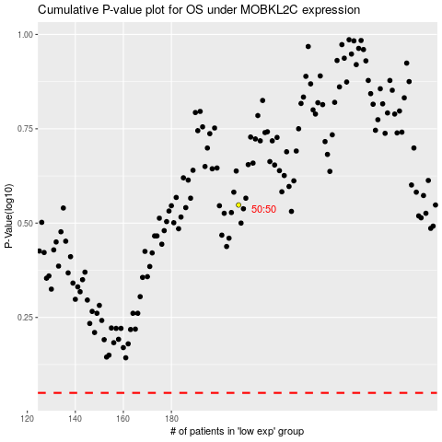

 |  |  |  |  |  | cases_OS | p_OS | rank | exp
 |  |  |  |  |  |  | cases_RFS | p_RFS | rank | exp

