MOBP _multivariate
Reported by Tex Li-Hsing Chi. tex@gate.sinica.edu.tw 2019-08-17

Table 2. The clinicopathological features of HNSCC cohort and MOBP expression. (Chi square test)
Cutoff at -0.225 (31.9%)
 |  | MOBP expression |  | MOBP expression |  | (Optimised)
 | Features | Low | (%) | High | (%) | Case no | P-value | Remark | Matthews
Gender | Female | 107 | 25.8 | 199 | 48 | 415 | 0.0281 | 1 | 0
2 | Male | 25 | 6 | 84 | 20.2
Age at diagnosis | <=65y | 92 | 22.2 | 182 | 43.9 | 415 | 0.3332 | 0 | 0
4 | >65y | 40 | 9.6 | 101 | 24.3
Clinical T Status | T1+T2 | 46 | 11.1 | 103 | 24.8 | 415 | 0.8445 | 0 | 0
6 | T3+T4 | 86 | 20.7 | 180 | 43.4
Clinical N Status | N0 | 73 | 17.6 | 143 | 34.5 | 415 | 0.4232 | 0 | 0
8 | N1-3 | 59 | 14.2 | 140 | 33.7
Clinical M Status | M0 | 129 | 31.1 | 283 | 68.2 | 415 | 0.0317 | 1 | 0
10 | M1 | 3 | 0.7 | 0 | 0
Clinical Stage | Stage I+II | 33 | 8 | 69 | 16.6 | 415 | 0.9889 | 0 | 0
12 | Stage III+IV | 99 | 23.9 | 214 | 51.6
Surgical Margin status | Negative | 109 | 26.3 | 209 | 50.4 | 415 | 0.0614 | 0 | 0
14 | Positive | 23 | 5.5 | 74 | 17.8
Tobacco Exposure | Low | 55 | 13.3 | 106 | 25.5 | 415 | 0.4494 | 0 | 0
16 | High | 77 | 18.6 | 177 | 42.7

Table 3. Univariate/Multivariate Cox's proportional hazards regression analyses on OS time of MOBP gene expression in HNSCC

 |  | Univariate |  |  |  | Multivariate
 | Features | HR | CI95%(L) | CI95%(H) | P-value | HR | CI95%(L) | CI95%(H) | P-value
1 | Female | 1 |  |  |  | 1
Gender | Male | 1.157 | 0.843 | 1.587 | 0.367 | 1.153 | 0.824 | 1.614 | 0.407
11 | <=65y | 1 |  |  |  | 1
Age at diagnosis | >65y | 1.329 | 0.99 | 1.784 | 0.058 | 1.38 | 1.015 | 1.876 | 0.04
12 | T1+T2 | 1 |  |  |  | 1
Clinical T Status | T3+T4 | 1.409 | 1.028 | 1.931 | 0.033 | 2.247 | 1.189 | 4.245 | 0.013
13 | N0 | 1 |  |  |  | 1
Clinical N Status | N1-3 | 1.185 | 0.89 | 1.577 | 0.246 | 1.241 | 0.87 | 1.769 | 0.234
14 | M0 | 1 |  |  |  | 1
Clinical M Status | M1 | 4.097 | 1.009 | 16.644 | 0.049 | 11.575 | 2.475 | 54.133 | 0.002
15 | Stage I+II | 1 |  |  |  | 1
Clinical Stage | Stage III+IV | 1.245 | 0.882 | 1.759 | 0.213 | 0.497 | 0.231 | 1.066 | 0.073
16 | Negative | 1 |  |  |  | 1
Surgical Margin status | Positive | 1.591 | 1.155 | 2.191 | 0.004 | 1.592 | 1.148 | 2.208 | 0.005
17 | Low | 1 |  |  |  | 1
Tobacco Exposure | High | 1.364 | 1.008 | 1.844 | 0.044 | 1.434 | 1.041 | 1.974 | 0.027
18 | Low | 1 |  |  |  | 1
RNAseq(z-score) | High | 1.391 | 1.007 | 1.92 | 0.045 | 1.336 | 0.954 | 1.87 | 0.092

Table 4. Univariate/Multivariate Cox's proportional hazards regression analyses on RFS time of MOBP gene expression in HNSCC

 |  | Univariate |  |  |  | Multivariate
 | Features | HR | CI95%(L) | CI95%(H) | P-value | HR | CI95%(L) | CI95%(H) | P-value
1 | Female | 1 |  |  |  | 1
Gender | Male | 1.157 | 0.843 | 1.587 | 0.367 | 1.153 | 0.824 | 1.614 | 0.407
11 | <=65y | 1 |  |  |  | 1
Age at diagnosis | >65y | 1.329 | 0.99 | 1.784 | 0.058 | 1.38 | 1.015 | 1.876 | 0.04
12 | T1+T2 | 1 |  |  |  | 1
Clinical T Status | T3+T4 | 1.409 | 1.028 | 1.931 | 0.033 | 2.247 | 1.189 | 4.245 | 0.013
13 | N0 | 1 |  |  |  | 1
Clinical N Status | N1-3 | 1.185 | 0.89 | 1.577 | 0.246 | 1.241 | 0.87 | 1.769 | 0.234
14 | M0 | 1 |  |  |  | 1
Clinical M Status | M1 | 4.097 | 1.009 | 16.644 | 0.049 | 11.575 | 2.475 | 54.133 | 0.002
15 | Stage I+II | 1 |  |  |  | 1
Clinical Stage | Stage III+IV | 1.245 | 0.882 | 1.759 | 0.213 | 0.497 | 0.231 | 1.066 | 0.073
16 | Negative | 1 |  |  |  | 1
Surgical Margin status | Positive | 1.591 | 1.155 | 2.191 | 0.004 | 1.592 | 1.148 | 2.208 | 0.005
17 | Low | 1 |  |  |  | 1
Tobacco Exposure | High | 1.364 | 1.008 | 1.844 | 0.044 | 1.434 | 1.041 | 1.974 | 0.027
18 | Low | 1 |  |  |  | 1
RNAseq(z-score) | High | 1.391 | 1.007 | 1.92 | 0.045 | 1.336 | 0.954 | 1.87 | 0.092

Kaplan-Meier survival estimate: Cutoff at -0.225 (31.9%)



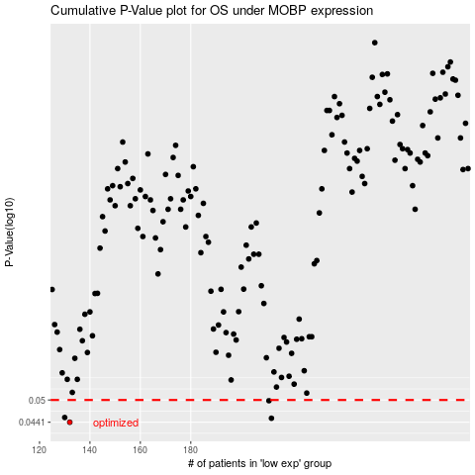

 |  |  |  |  |  | cases_OS | p_OS | rank | exp
 |  |  |  |  |  | 132 | 0.0441 | 153 | -0.22505342411
 |  |  |  |  |  | 212 | 0.0451 | 58 | -0.20682868304
 |  |  |  |  |  | 130 | 0.0453 | 248 | -0.22524248776
 |  |  |  |  |  | 211 | 0.0498 | 147 | -0.20703764813
 |  |  |  |  |  |  | cases_RFS | p_RFS | rank | exp
 |  |  |  |  |  |  | 131 | 0.0441 | 397 | -0.22522756168
 |  |  |  |  |  |  | 211 | 0.0451 | 147 | -0.20703764813
 |  |  |  |  |  |  | 129 | 0.0453 | 122 | -0.22537682246
 |  |  |  |  |  |  | 210 | 0.0498 | 406 | -0.20888848179

