MOCS2 _multivariate
Reported by Tex Li-Hsing Chi. tex@gate.sinica.edu.tw 2019-08-17

Table 2. The clinicopathological features of HNSCC cohort and MOCS2 expression. (Chi square test)
Cutoff at -0.195 (50.0%)
 |  | MOCS2 expression |  | MOCS2 expression |  | (Optimised)
 | Features | Low | (%) | High | (%) | Case no | P-value | Remark | Matthews
Gender | Female | 154 | 37.1 | 152 | 36.6 | 415 | 0.8463 | 0 | 0
2 | Male | 53 | 12.8 | 56 | 13.5
Age at diagnosis | <=65y | 136 | 32.8 | 138 | 33.3 | 415 | 0.9719 | 0 | 0
4 | >65y | 71 | 17.1 | 70 | 16.9
Clinical T Status | T1+T2 | 60 | 14.5 | 89 | 21.4 | 415 | 0.0047 | 1 | 0
6 | T3+T4 | 147 | 35.4 | 119 | 28.7
Clinical N Status | N0 | 109 | 26.3 | 107 | 25.8 | 415 | 0.8812 | 0 | 0
8 | N1-3 | 98 | 23.6 | 101 | 24.3
Clinical M Status | M0 | 206 | 49.6 | 206 | 49.6 | 415 | 1 | 0 | 0
10 | M1 | 1 | 0.2 | 2 | 0.5
Clinical Stage | Stage I+II | 41 | 9.9 | 61 | 14.7 | 415 | 0.0325 | 1 | 0
12 | Stage III+IV | 166 | 40 | 147 | 35.4
Surgical Margin status | Negative | 163 | 39.3 | 155 | 37.3 | 415 | 0.3537 | 0 | 0
14 | Positive | 44 | 10.6 | 53 | 12.8
Tobacco Exposure | Low | 74 | 17.8 | 87 | 21 | 415 | 0.227 | 0 | 0
16 | High | 133 | 32 | 121 | 29.2

Table 3. Univariate/Multivariate Cox's proportional hazards regression analyses on OS time of MOCS2 gene expression in HNSCC

 |  | Univariate |  |  |  | Multivariate
 | Features | HR | CI95%(L) | CI95%(H) | P-value | HR | CI95%(L) | CI95%(H) | P-value
1 | Female | 1 |  |  |  | 1
Gender | Male | 1.157 | 0.843 | 1.587 | 0.367 | 1.205 | 0.863 | 1.682 | 0.274
11 | <=65y | 1 |  |  |  | 1
Age at diagnosis | >65y | 1.329 | 0.99 | 1.784 | 0.058 | 1.393 | 1.025 | 1.892 | 0.034
12 | T1+T2 | 1 |  |  |  | 1
Clinical T Status | T3+T4 | 1.409 | 1.028 | 1.931 | 0.033 | 2.276 | 1.202 | 4.309 | 0.012
13 | N0 | 1 |  |  |  | 1
Clinical N Status | N1-3 | 1.185 | 0.89 | 1.577 | 0.246 | 1.235 | 0.866 | 1.761 | 0.243
14 | M0 | 1 |  |  |  | 1
Clinical M Status | M1 | 4.097 | 1.009 | 16.644 | 0.049 | 9.413 | 2.054 | 43.142 | 0.004
15 | Stage I+II | 1 |  |  |  | 1
Clinical Stage | Stage III+IV | 1.245 | 0.882 | 1.759 | 0.213 | 0.512 | 0.238 | 1.097 | 0.085
16 | Negative | 1 |  |  |  | 1
Surgical Margin status | Positive | 1.591 | 1.155 | 2.191 | 0.004 | 1.643 | 1.188 | 2.272 | 0.003
17 | Low | 1 |  |  |  | 1
Tobacco Exposure | High | 1.364 | 1.008 | 1.844 | 0.044 | 1.457 | 1.059 | 2.006 | 0.021
18 | Low | 1 |  |  |  | 1
RNAseq(z-score) | High | 1.153 | 0.866 | 1.535 | 0.331 | 1.231 | 0.919 | 1.65 | 0.164

Table 4. Univariate/Multivariate Cox's proportional hazards regression analyses on RFS time of MOCS2 gene expression in HNSCC

 |  | Univariate |  |  |  | Multivariate
 | Features | HR | CI95%(L) | CI95%(H) | P-value | HR | CI95%(L) | CI95%(H) | P-value
1 | Female | 1 |  |  |  | 1
Gender | Male | 1.157 | 0.843 | 1.587 | 0.367 | 1.205 | 0.863 | 1.682 | 0.274
11 | <=65y | 1 |  |  |  | 1
Age at diagnosis | >65y | 1.329 | 0.99 | 1.784 | 0.058 | 1.393 | 1.025 | 1.892 | 0.034
12 | T1+T2 | 1 |  |  |  | 1
Clinical T Status | T3+T4 | 1.409 | 1.028 | 1.931 | 0.033 | 2.276 | 1.202 | 4.309 | 0.012
13 | N0 | 1 |  |  |  | 1
Clinical N Status | N1-3 | 1.185 | 0.89 | 1.577 | 0.246 | 1.235 | 0.866 | 1.761 | 0.243
14 | M0 | 1 |  |  |  | 1
Clinical M Status | M1 | 4.097 | 1.009 | 16.644 | 0.049 | 9.413 | 2.054 | 43.142 | 0.004
15 | Stage I+II | 1 |  |  |  | 1
Clinical Stage | Stage III+IV | 1.245 | 0.882 | 1.759 | 0.213 | 0.512 | 0.238 | 1.097 | 0.085
16 | Negative | 1 |  |  |  | 1
Surgical Margin status | Positive | 1.591 | 1.155 | 2.191 | 0.004 | 1.643 | 1.188 | 2.272 | 0.003
17 | Low | 1 |  |  |  | 1
Tobacco Exposure | High | 1.364 | 1.008 | 1.844 | 0.044 | 1.457 | 1.059 | 2.006 | 0.021
18 | Low | 1 |  |  |  | 1
RNAseq(z-score) | High | 1.153 | 0.866 | 1.535 | 0.331 | 1.231 | 0.919 | 1.65 | 0.164

Kaplan-Meier survival estimate: Cutoff at -0.195 (50.0%)



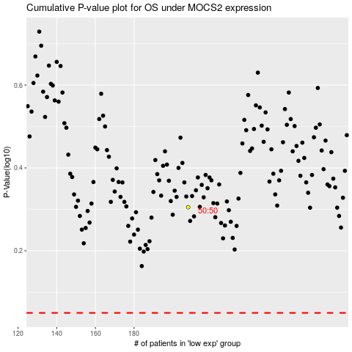

 |  |  |  |  |  | cases_OS | p_OS | rank | exp
 |  |  |  |  |  |  | cases_RFS | p_RFS | rank | exp

