MOGS _multivariate
Reported by Tex Li-Hsing Chi. tex@gate.sinica.edu.tw 2019-08-17

Table 2. The clinicopathological features of HNSCC cohort and MOGS expression. (Chi square test)
Cutoff at -0.047 (50.0%)
 |  | MOGS expression |  | MOGS expression |  | (Optimised)
 | Features | Low | (%) | High | (%) | Case no | P-value | Remark | Matthews
Gender | Female | 143 | 34.5 | 163 | 39.3 | 415 | 0.0416 | 1 | 0
2 | Male | 64 | 15.4 | 45 | 10.8
Age at diagnosis | <=65y | 130 | 31.3 | 144 | 34.7 | 415 | 0.2009 | 0 | 0
4 | >65y | 77 | 18.6 | 64 | 15.4
Clinical T Status | T1+T2 | 86 | 20.7 | 63 | 15.2 | 415 | 0.0221 | 1 | 0
6 | T3+T4 | 121 | 29.2 | 145 | 34.9
Clinical N Status | N0 | 108 | 26 | 108 | 26 | 415 | 1 | 0 | 0
8 | N1-3 | 99 | 23.9 | 100 | 24.1
Clinical M Status | M0 | 207 | 49.9 | 205 | 49.4 | 415 | 0.2482 | 0 | 0
10 | M1 | 0 | 0 | 3 | 0.7
Clinical Stage | Stage I+II | 58 | 14 | 44 | 10.6 | 415 | 0.131 | 0 | 0
12 | Stage III+IV | 149 | 35.9 | 164 | 39.5
Surgical Margin status | Negative | 163 | 39.3 | 155 | 37.3 | 415 | 0.3537 | 0 | 0
14 | Positive | 44 | 10.6 | 53 | 12.8
Tobacco Exposure | Low | 96 | 23.1 | 65 | 15.7 | 415 | 0.0018 | 1 | 0
16 | High | 111 | 26.7 | 143 | 34.5

Table 3. Univariate/Multivariate Cox's proportional hazards regression analyses on OS time of MOGS gene expression in HNSCC

 |  | Univariate |  |  |  | Multivariate
 | Features | HR | CI95%(L) | CI95%(H) | P-value | HR | CI95%(L) | CI95%(H) | P-value
1 | Female | 1 |  |  |  | 1
Gender | Male | 1.157 | 0.843 | 1.587 | 0.367 | 1.177 | 0.84 | 1.65 | 0.344
11 | <=65y | 1 |  |  |  | 1
Age at diagnosis | >65y | 1.329 | 0.99 | 1.784 | 0.058 | 1.392 | 1.024 | 1.893 | 0.035
12 | T1+T2 | 1 |  |  |  | 1
Clinical T Status | T3+T4 | 1.409 | 1.028 | 1.931 | 0.033 | 2.261 | 1.194 | 4.284 | 0.012
13 | N0 | 1 |  |  |  | 1
Clinical N Status | N1-3 | 1.185 | 0.89 | 1.577 | 0.246 | 1.235 | 0.865 | 1.762 | 0.245
14 | M0 | 1 |  |  |  | 1
Clinical M Status | M1 | 4.097 | 1.009 | 16.644 | 0.049 | 10.342 | 2.227 | 48.029 | 0.003
15 | Stage I+II | 1 |  |  |  | 1
Clinical Stage | Stage III+IV | 1.245 | 0.882 | 1.759 | 0.213 | 0.501 | 0.233 | 1.076 | 0.076
16 | Negative | 1 |  |  |  | 1
Surgical Margin status | Positive | 1.591 | 1.155 | 2.191 | 0.004 | 1.682 | 1.217 | 2.323 | 0.002
17 | Low | 1 |  |  |  | 1
Tobacco Exposure | High | 1.364 | 1.008 | 1.844 | 0.044 | 1.504 | 1.083 | 2.088 | 0.015
18 | Low | 1 |  |  |  | 1
RNAseq(z-score) | High | 0.987 | 0.741 | 1.316 | 0.931 | 0.863 | 0.637 | 1.17 | 0.344

Table 4. Univariate/Multivariate Cox's proportional hazards regression analyses on RFS time of MOGS gene expression in HNSCC

 |  | Univariate |  |  |  | Multivariate
 | Features | HR | CI95%(L) | CI95%(H) | P-value | HR | CI95%(L) | CI95%(H) | P-value
1 | Female | 1 |  |  |  | 1
Gender | Male | 1.157 | 0.843 | 1.587 | 0.367 | 1.177 | 0.84 | 1.65 | 0.344
11 | <=65y | 1 |  |  |  | 1
Age at diagnosis | >65y | 1.329 | 0.99 | 1.784 | 0.058 | 1.392 | 1.024 | 1.893 | 0.035
12 | T1+T2 | 1 |  |  |  | 1
Clinical T Status | T3+T4 | 1.409 | 1.028 | 1.931 | 0.033 | 2.261 | 1.194 | 4.284 | 0.012
13 | N0 | 1 |  |  |  | 1
Clinical N Status | N1-3 | 1.185 | 0.89 | 1.577 | 0.246 | 1.235 | 0.865 | 1.762 | 0.245
14 | M0 | 1 |  |  |  | 1
Clinical M Status | M1 | 4.097 | 1.009 | 16.644 | 0.049 | 10.342 | 2.227 | 48.029 | 0.003
15 | Stage I+II | 1 |  |  |  | 1
Clinical Stage | Stage III+IV | 1.245 | 0.882 | 1.759 | 0.213 | 0.501 | 0.233 | 1.076 | 0.076
16 | Negative | 1 |  |  |  | 1
Surgical Margin status | Positive | 1.591 | 1.155 | 2.191 | 0.004 | 1.682 | 1.217 | 2.323 | 0.002
17 | Low | 1 |  |  |  | 1
Tobacco Exposure | High | 1.364 | 1.008 | 1.844 | 0.044 | 1.504 | 1.083 | 2.088 | 0.015
18 | Low | 1 |  |  |  | 1
RNAseq(z-score) | High | 0.987 | 0.741 | 1.316 | 0.931 | 0.863 | 0.637 | 1.17 | 0.344

Kaplan-Meier survival estimate: Cutoff at -0.047 (50.0%)



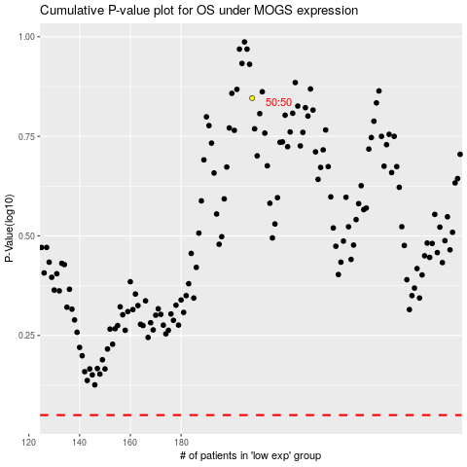

 |  |  |  |  |  | cases_OS | p_OS | rank | exp
 |  |  |  |  |  |  | cases_RFS | p_RFS | rank | exp

