MON1A _multivariate
Reported by Tex Li-Hsing Chi. tex@gate.sinica.edu.tw 2019-08-17

Table 2. The clinicopathological features of HNSCC cohort and MON1A expression. (Chi square test)
Cutoff at -0.261 (49.8%)
 |  | MON1A expression |  | MON1A expression |  | (Optimised)
 | Features | Low | (%) | High | (%) | Case no | P-value | Remark | Matthews
Gender | Female | 154 | 37.1 | 152 | 36.6 | 415 | 0.8463 | 0 | 0
2 | Male | 53 | 12.8 | 56 | 13.5
Age at diagnosis | <=65y | 131 | 31.6 | 143 | 34.5 | 415 | 0.2839 | 0 | 0
4 | >65y | 76 | 18.3 | 65 | 15.7
Clinical T Status | T1+T2 | 66 | 15.9 | 83 | 20 | 415 | 0.1095 | 0 | 0
6 | T3+T4 | 141 | 34 | 125 | 30.1
Clinical N Status | N0 | 108 | 26 | 108 | 26 | 415 | 1 | 0 | 0
8 | N1-3 | 99 | 23.9 | 100 | 24.1
Clinical M Status | M0 | 206 | 49.6 | 206 | 49.6 | 415 | 1 | 0 | 0
10 | M1 | 1 | 0.2 | 2 | 0.5
Clinical Stage | Stage I+II | 48 | 11.6 | 54 | 13 | 415 | 0.5878 | 0 | 0
12 | Stage III+IV | 159 | 38.3 | 154 | 37.1
Surgical Margin status | Negative | 155 | 37.3 | 163 | 39.3 | 415 | 0.4187 | 0 | 0
14 | Positive | 52 | 12.5 | 45 | 10.8
Tobacco Exposure | Low | 72 | 17.3 | 89 | 21.4 | 415 | 0.1071 | 0 | 0
16 | High | 135 | 32.5 | 119 | 28.7

Table 3. Univariate/Multivariate Cox's proportional hazards regression analyses on OS time of MON1A gene expression in HNSCC

 |  | Univariate |  |  |  | Multivariate
 | Features | HR | CI95%(L) | CI95%(H) | P-value | HR | CI95%(L) | CI95%(H) | P-value
1 | Female | 1 |  |  |  | 1
Gender | Male | 1.157 | 0.843 | 1.587 | 0.367 | 1.204 | 0.862 | 1.682 | 0.275
11 | <=65y | 1 |  |  |  | 1
Age at diagnosis | >65y | 1.329 | 0.99 | 1.784 | 0.058 | 1.385 | 1.019 | 1.884 | 0.038
12 | T1+T2 | 1 |  |  |  | 1
Clinical T Status | T3+T4 | 1.409 | 1.028 | 1.931 | 0.033 | 2.182 | 1.153 | 4.127 | 0.016
13 | N0 | 1 |  |  |  | 1
Clinical N Status | N1-3 | 1.185 | 0.89 | 1.577 | 0.246 | 1.244 | 0.872 | 1.775 | 0.228
14 | M0 | 1 |  |  |  | 1
Clinical M Status | M1 | 4.097 | 1.009 | 16.644 | 0.049 | 9.659 | 2.104 | 44.352 | 0.004
15 | Stage I+II | 1 |  |  |  | 1
Clinical Stage | Stage III+IV | 1.245 | 0.882 | 1.759 | 0.213 | 0.506 | 0.236 | 1.086 | 0.08
16 | Negative | 1 |  |  |  | 1
Surgical Margin status | Positive | 1.591 | 1.155 | 2.191 | 0.004 | 1.658 | 1.199 | 2.293 | 0.002
17 | Low | 1 |  |  |  | 1
Tobacco Exposure | High | 1.364 | 1.008 | 1.844 | 0.044 | 1.457 | 1.057 | 2.008 | 0.021
18 | Low | 1 |  |  |  | 1
RNAseq(z-score) | High | 0.866 | 0.649 | 1.155 | 0.326 | 0.898 | 0.671 | 1.201 | 0.467

Table 4. Univariate/Multivariate Cox's proportional hazards regression analyses on RFS time of MON1A gene expression in HNSCC

 |  | Univariate |  |  |  | Multivariate
 | Features | HR | CI95%(L) | CI95%(H) | P-value | HR | CI95%(L) | CI95%(H) | P-value
1 | Female | 1 |  |  |  | 1
Gender | Male | 1.157 | 0.843 | 1.587 | 0.367 | 1.204 | 0.862 | 1.682 | 0.275
11 | <=65y | 1 |  |  |  | 1
Age at diagnosis | >65y | 1.329 | 0.99 | 1.784 | 0.058 | 1.385 | 1.019 | 1.884 | 0.038
12 | T1+T2 | 1 |  |  |  | 1
Clinical T Status | T3+T4 | 1.409 | 1.028 | 1.931 | 0.033 | 2.182 | 1.153 | 4.127 | 0.016
13 | N0 | 1 |  |  |  | 1
Clinical N Status | N1-3 | 1.185 | 0.89 | 1.577 | 0.246 | 1.244 | 0.872 | 1.775 | 0.228
14 | M0 | 1 |  |  |  | 1
Clinical M Status | M1 | 4.097 | 1.009 | 16.644 | 0.049 | 9.659 | 2.104 | 44.352 | 0.004
15 | Stage I+II | 1 |  |  |  | 1
Clinical Stage | Stage III+IV | 1.245 | 0.882 | 1.759 | 0.213 | 0.506 | 0.236 | 1.086 | 0.08
16 | Negative | 1 |  |  |  | 1
Surgical Margin status | Positive | 1.591 | 1.155 | 2.191 | 0.004 | 1.658 | 1.199 | 2.293 | 0.002
17 | Low | 1 |  |  |  | 1
Tobacco Exposure | High | 1.364 | 1.008 | 1.844 | 0.044 | 1.457 | 1.057 | 2.008 | 0.021
18 | Low | 1 |  |  |  | 1
RNAseq(z-score) | High | 0.866 | 0.649 | 1.155 | 0.326 | 0.898 | 0.671 | 1.201 | 0.467

Kaplan-Meier survival estimate: Cutoff at -0.261 (49.8%)



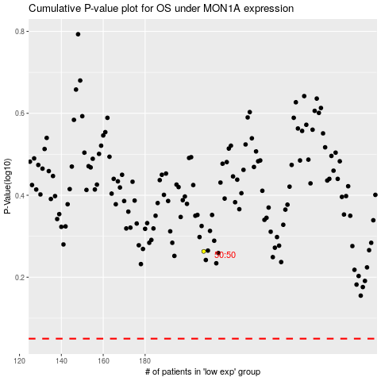

 |  |  |  |  |  | cases_OS | p_OS | rank | exp
 |  |  |  |  |  |  | cases_RFS | p_RFS | rank | exp

