MORC2 _multivariate
Reported by Tex Li-Hsing Chi. tex@gate.sinica.edu.tw 2019-08-17

Table 2. The clinicopathological features of HNSCC cohort and MORC2 expression. (Chi square test)
Cutoff at 0.002 (49.8%)
 |  | MORC2 expression |  | MORC2 expression |  | (Optimised)
 | Features | Low | (%) | High | (%) | Case no | P-value | Remark | Matthews
Gender | Female | 133 | 32 | 173 | 41.7 | 415 | 0 | 1 | 0
2 | Male | 74 | 17.8 | 35 | 8.4
Age at diagnosis | <=65y | 131 | 31.6 | 143 | 34.5 | 415 | 0.2839 | 0 | 0
4 | >65y | 76 | 18.3 | 65 | 15.7
Clinical T Status | T1+T2 | 93 | 22.4 | 56 | 13.5 | 415 | 2e-04 | 1 | 0
6 | T3+T4 | 114 | 27.5 | 152 | 36.6
Clinical N Status | N0 | 112 | 27 | 104 | 25.1 | 415 | 0.4599 | 0 | 0
8 | N1-3 | 95 | 22.9 | 104 | 25.1
Clinical M Status | M0 | 206 | 49.6 | 206 | 49.6 | 415 | 1 | 0 | 0
10 | M1 | 1 | 0.2 | 2 | 0.5
Clinical Stage | Stage I+II | 65 | 15.7 | 37 | 8.9 | 415 | 0.0019 | 1 | 0
12 | Stage III+IV | 142 | 34.2 | 171 | 41.2
Surgical Margin status | Negative | 156 | 37.6 | 162 | 39 | 415 | 0.5636 | 0 | 0
14 | Positive | 51 | 12.3 | 46 | 11.1
Tobacco Exposure | Low | 101 | 24.3 | 60 | 14.5 | 415 | 0 | 1 | 0
16 | High | 106 | 25.5 | 148 | 35.7

Table 3. Univariate/Multivariate Cox's proportional hazards regression analyses on OS time of MORC2 gene expression in HNSCC

 |  | Univariate |  |  |  | Multivariate
 | Features | HR | CI95%(L) | CI95%(H) | P-value | HR | CI95%(L) | CI95%(H) | P-value
1 | Female | 1 |  |  |  | 1
Gender | Male | 1.157 | 0.843 | 1.587 | 0.367 | 1.222 | 0.868 | 1.719 | 0.25
11 | <=65y | 1 |  |  |  | 1
Age at diagnosis | >65y | 1.329 | 0.99 | 1.784 | 0.058 | 1.394 | 1.026 | 1.896 | 0.034
12 | T1+T2 | 1 |  |  |  | 1
Clinical T Status | T3+T4 | 1.409 | 1.028 | 1.931 | 0.033 | 2.192 | 1.159 | 4.145 | 0.016
13 | N0 | 1 |  |  |  | 1
Clinical N Status | N1-3 | 1.185 | 0.89 | 1.577 | 0.246 | 1.251 | 0.875 | 1.788 | 0.219
14 | M0 | 1 |  |  |  | 1
Clinical M Status | M1 | 4.097 | 1.009 | 16.644 | 0.049 | 9.214 | 2.005 | 42.335 | 0.004
15 | Stage I+II | 1 |  |  |  | 1
Clinical Stage | Stage III+IV | 1.245 | 0.882 | 1.759 | 0.213 | 0.497 | 0.231 | 1.07 | 0.074
16 | Negative | 1 |  |  |  | 1
Surgical Margin status | Positive | 1.591 | 1.155 | 2.191 | 0.004 | 1.676 | 1.212 | 2.316 | 0.002
17 | Low | 1 |  |  |  | 1
Tobacco Exposure | High | 1.364 | 1.008 | 1.844 | 0.044 | 1.436 | 1.039 | 1.986 | 0.028
18 | Low | 1 |  |  |  | 1
RNAseq(z-score) | High | 1.14 | 0.852 | 1.525 | 0.379 | 1.081 | 0.791 | 1.478 | 0.625

Table 4. Univariate/Multivariate Cox's proportional hazards regression analyses on RFS time of MORC2 gene expression in HNSCC

 |  | Univariate |  |  |  | Multivariate
 | Features | HR | CI95%(L) | CI95%(H) | P-value | HR | CI95%(L) | CI95%(H) | P-value
1 | Female | 1 |  |  |  | 1
Gender | Male | 1.157 | 0.843 | 1.587 | 0.367 | 1.222 | 0.868 | 1.719 | 0.25
11 | <=65y | 1 |  |  |  | 1
Age at diagnosis | >65y | 1.329 | 0.99 | 1.784 | 0.058 | 1.394 | 1.026 | 1.896 | 0.034
12 | T1+T2 | 1 |  |  |  | 1
Clinical T Status | T3+T4 | 1.409 | 1.028 | 1.931 | 0.033 | 2.192 | 1.159 | 4.145 | 0.016
13 | N0 | 1 |  |  |  | 1
Clinical N Status | N1-3 | 1.185 | 0.89 | 1.577 | 0.246 | 1.251 | 0.875 | 1.788 | 0.219
14 | M0 | 1 |  |  |  | 1
Clinical M Status | M1 | 4.097 | 1.009 | 16.644 | 0.049 | 9.214 | 2.005 | 42.335 | 0.004
15 | Stage I+II | 1 |  |  |  | 1
Clinical Stage | Stage III+IV | 1.245 | 0.882 | 1.759 | 0.213 | 0.497 | 0.231 | 1.07 | 0.074
16 | Negative | 1 |  |  |  | 1
Surgical Margin status | Positive | 1.591 | 1.155 | 2.191 | 0.004 | 1.676 | 1.212 | 2.316 | 0.002
17 | Low | 1 |  |  |  | 1
Tobacco Exposure | High | 1.364 | 1.008 | 1.844 | 0.044 | 1.436 | 1.039 | 1.986 | 0.028
18 | Low | 1 |  |  |  | 1
RNAseq(z-score) | High | 1.14 | 0.852 | 1.525 | 0.379 | 1.081 | 0.791 | 1.478 | 0.625

Kaplan-Meier survival estimate: Cutoff at 0.002 (49.8%)



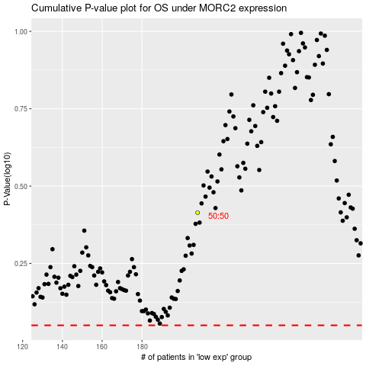

 |  |  |  |  |  | cases_OS | p_OS | rank | exp
 |  |  |  |  |  |  | cases_RFS | p_RFS | rank | exp

