MORN1 _multivariate
Reported by Tex Li-Hsing Chi. tex@gate.sinica.edu.tw 2019-08-17

Table 2. The clinicopathological features of HNSCC cohort and MORN1 expression. (Chi square test)
Cutoff at -0.338 (49.8%)
 |  | MORN1 expression |  | MORN1 expression |  | (Optimised)
 | Features | Low | (%) | High | (%) | Case no | P-value | Remark | Matthews
Gender | Female | 149 | 35.9 | 157 | 37.8 | 415 | 0.4848 | 0 | 0
2 | Male | 58 | 14 | 51 | 12.3
Age at diagnosis | <=65y | 136 | 32.8 | 138 | 33.3 | 415 | 0.9719 | 0 | 0
4 | >65y | 71 | 17.1 | 70 | 16.9
Clinical T Status | T1+T2 | 67 | 16.1 | 82 | 19.8 | 415 | 0.1628 | 0 | 0
6 | T3+T4 | 140 | 33.7 | 126 | 30.4
Clinical N Status | N0 | 111 | 26.7 | 105 | 25.3 | 415 | 0.5875 | 0 | 0
8 | N1-3 | 96 | 23.1 | 103 | 24.8
Clinical M Status | M0 | 207 | 49.9 | 205 | 49.4 | 415 | 0.2482 | 0 | 0
10 | M1 | 0 | 0 | 3 | 0.7
Clinical Stage | Stage I+II | 52 | 12.5 | 50 | 12 | 415 | 0.8871 | 0 | 0
12 | Stage III+IV | 155 | 37.3 | 158 | 38.1
Surgical Margin status | Negative | 163 | 39.3 | 155 | 37.3 | 415 | 0.3537 | 0 | 0
14 | Positive | 44 | 10.6 | 53 | 12.8
Tobacco Exposure | Low | 79 | 19 | 82 | 19.8 | 415 | 0.8405 | 0 | 0
16 | High | 128 | 30.8 | 126 | 30.4

Table 3. Univariate/Multivariate Cox's proportional hazards regression analyses on OS time of MORN1 gene expression in HNSCC

 |  | Univariate |  |  |  | Multivariate
 | Features | HR | CI95%(L) | CI95%(H) | P-value | HR | CI95%(L) | CI95%(H) | P-value
1 | Female | 1 |  |  |  | 1
Gender | Male | 1.157 | 0.843 | 1.587 | 0.367 | 1.189 | 0.849 | 1.666 | 0.314
11 | <=65y | 1 |  |  |  | 1
Age at diagnosis | >65y | 1.329 | 0.99 | 1.784 | 0.058 | 1.401 | 1.03 | 1.907 | 0.032
12 | T1+T2 | 1 |  |  |  | 1
Clinical T Status | T3+T4 | 1.409 | 1.028 | 1.931 | 0.033 | 2.176 | 1.149 | 4.123 | 0.017
13 | N0 | 1 |  |  |  | 1
Clinical N Status | N1-3 | 1.185 | 0.89 | 1.577 | 0.246 | 1.247 | 0.874 | 1.78 | 0.224
14 | M0 | 1 |  |  |  | 1
Clinical M Status | M1 | 4.097 | 1.009 | 16.644 | 0.049 | 9.626 | 2.094 | 44.249 | 0.004
15 | Stage I+II | 1 |  |  |  | 1
Clinical Stage | Stage III+IV | 1.245 | 0.882 | 1.759 | 0.213 | 0.51 | 0.237 | 1.095 | 0.084
16 | Negative | 1 |  |  |  | 1
Surgical Margin status | Positive | 1.591 | 1.155 | 2.191 | 0.004 | 1.68 | 1.215 | 2.322 | 0.002
17 | Low | 1 |  |  |  | 1
Tobacco Exposure | High | 1.364 | 1.008 | 1.844 | 0.044 | 1.45 | 1.052 | 1.998 | 0.023
18 | Low | 1 |  |  |  | 1
RNAseq(z-score) | High | 0.93 | 0.698 | 1.24 | 0.622 | 0.928 | 0.691 | 1.247 | 0.62

Table 4. Univariate/Multivariate Cox's proportional hazards regression analyses on RFS time of MORN1 gene expression in HNSCC

 |  | Univariate |  |  |  | Multivariate
 | Features | HR | CI95%(L) | CI95%(H) | P-value | HR | CI95%(L) | CI95%(H) | P-value
1 | Female | 1 |  |  |  | 1
Gender | Male | 1.157 | 0.843 | 1.587 | 0.367 | 1.189 | 0.849 | 1.666 | 0.314
11 | <=65y | 1 |  |  |  | 1
Age at diagnosis | >65y | 1.329 | 0.99 | 1.784 | 0.058 | 1.401 | 1.03 | 1.907 | 0.032
12 | T1+T2 | 1 |  |  |  | 1
Clinical T Status | T3+T4 | 1.409 | 1.028 | 1.931 | 0.033 | 2.176 | 1.149 | 4.123 | 0.017
13 | N0 | 1 |  |  |  | 1
Clinical N Status | N1-3 | 1.185 | 0.89 | 1.577 | 0.246 | 1.247 | 0.874 | 1.78 | 0.224
14 | M0 | 1 |  |  |  | 1
Clinical M Status | M1 | 4.097 | 1.009 | 16.644 | 0.049 | 9.626 | 2.094 | 44.249 | 0.004
15 | Stage I+II | 1 |  |  |  | 1
Clinical Stage | Stage III+IV | 1.245 | 0.882 | 1.759 | 0.213 | 0.51 | 0.237 | 1.095 | 0.084
16 | Negative | 1 |  |  |  | 1
Surgical Margin status | Positive | 1.591 | 1.155 | 2.191 | 0.004 | 1.68 | 1.215 | 2.322 | 0.002
17 | Low | 1 |  |  |  | 1
Tobacco Exposure | High | 1.364 | 1.008 | 1.844 | 0.044 | 1.45 | 1.052 | 1.998 | 0.023
18 | Low | 1 |  |  |  | 1
RNAseq(z-score) | High | 0.93 | 0.698 | 1.24 | 0.622 | 0.928 | 0.691 | 1.247 | 0.62

Kaplan-Meier survival estimate: Cutoff at -0.338 (49.8%)



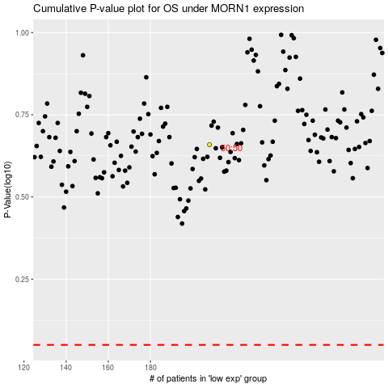

 |  |  |  |  |  | cases_OS | p_OS | rank | exp
 |  |  |  |  |  |  | cases_RFS | p_RFS | rank | exp

