MOSC1 _multivariate
Reported by Tex Li-Hsing Chi. tex@gate.sinica.edu.tw 2019-08-17

Table 2. The clinicopathological features of HNSCC cohort and MOSC1 expression. (Chi square test)
Cutoff at -0.376 (49.8%)
 |  | MOSC1 expression |  | MOSC1 expression |  | (Optimised)
 | Features | Low | (%) | High | (%) | Case no | P-value | Remark | Matthews
Gender | Female | 143 | 34.5 | 163 | 39.3 | 415 | 0.0416 | 1 | 0
2 | Male | 64 | 15.4 | 45 | 10.8
Age at diagnosis | <=65y | 135 | 32.5 | 139 | 33.5 | 415 | 0.8084 | 0 | 0
4 | >65y | 72 | 17.3 | 69 | 16.6
Clinical T Status | T1+T2 | 77 | 18.6 | 72 | 17.3 | 415 | 0.6556 | 0 | 0
6 | T3+T4 | 130 | 31.3 | 136 | 32.8
Clinical N Status | N0 | 113 | 27.2 | 103 | 24.8 | 415 | 0.3495 | 1 | 0
8 | N1-3 | 94 | 22.7 | 105 | 25.3
Clinical M Status | M0 | 207 | 49.9 | 205 | 49.4 | 415 | 0.2482 | 0 | 0
10 | M1 | 0 | 0 | 3 | 0.7
Clinical Stage | Stage I+II | 59 | 14.2 | 43 | 10.4 | 415 | 0.0822 | 0 | 0
12 | Stage III+IV | 148 | 35.7 | 165 | 39.8
Surgical Margin status | Negative | 156 | 37.6 | 162 | 39 | 415 | 0.5636 | 0 | 0
14 | Positive | 51 | 12.3 | 46 | 11.1
Tobacco Exposure | Low | 103 | 24.8 | 58 | 14 | 415 | 0 | 1 | 0
16 | High | 104 | 25.1 | 150 | 36.1

Table 3. Univariate/Multivariate Cox's proportional hazards regression analyses on OS time of MOSC1 gene expression in HNSCC

 |  | Univariate |  |  |  | Multivariate
 | Features | HR | CI95%(L) | CI95%(H) | P-value | HR | CI95%(L) | CI95%(H) | P-value
1 | Female | 1 |  |  |  | 1
Gender | Male | 1.157 | 0.843 | 1.587 | 0.367 | 1.184 | 0.847 | 1.655 | 0.324
11 | <=65y | 1 |  |  |  | 1
Age at diagnosis | >65y | 1.329 | 0.99 | 1.784 | 0.058 | 1.396 | 1.027 | 1.899 | 0.033
12 | T1+T2 | 1 |  |  |  | 1
Clinical T Status | T3+T4 | 1.409 | 1.028 | 1.931 | 0.033 | 2.165 | 1.144 | 4.1 | 0.018
13 | N0 | 1 |  |  |  | 1
Clinical N Status | N1-3 | 1.185 | 0.89 | 1.577 | 0.246 | 1.24 | 0.87 | 1.768 | 0.235
14 | M0 | 1 |  |  |  | 1
Clinical M Status | M1 | 4.097 | 1.009 | 16.644 | 0.049 | 10.107 | 2.194 | 46.566 | 0.003
15 | Stage I+II | 1 |  |  |  | 1
Clinical Stage | Stage III+IV | 1.245 | 0.882 | 1.759 | 0.213 | 0.53 | 0.246 | 1.142 | 0.105
16 | Negative | 1 |  |  |  | 1
Surgical Margin status | Positive | 1.591 | 1.155 | 2.191 | 0.004 | 1.665 | 1.205 | 2.3 | 0.002
17 | Low | 1 |  |  |  | 1
Tobacco Exposure | High | 1.364 | 1.008 | 1.844 | 0.044 | 1.516 | 1.092 | 2.106 | 0.013
18 | Low | 1 |  |  |  | 1
RNAseq(z-score) | High | 0.907 | 0.679 | 1.212 | 0.51 | 0.83 | 0.611 | 1.127 | 0.233

Table 4. Univariate/Multivariate Cox's proportional hazards regression analyses on RFS time of MOSC1 gene expression in HNSCC

 |  | Univariate |  |  |  | Multivariate
 | Features | HR | CI95%(L) | CI95%(H) | P-value | HR | CI95%(L) | CI95%(H) | P-value
1 | Female | 1 |  |  |  | 1
Gender | Male | 1.157 | 0.843 | 1.587 | 0.367 | 1.184 | 0.847 | 1.655 | 0.324
11 | <=65y | 1 |  |  |  | 1
Age at diagnosis | >65y | 1.329 | 0.99 | 1.784 | 0.058 | 1.396 | 1.027 | 1.899 | 0.033
12 | T1+T2 | 1 |  |  |  | 1
Clinical T Status | T3+T4 | 1.409 | 1.028 | 1.931 | 0.033 | 2.165 | 1.144 | 4.1 | 0.018
13 | N0 | 1 |  |  |  | 1
Clinical N Status | N1-3 | 1.185 | 0.89 | 1.577 | 0.246 | 1.24 | 0.87 | 1.768 | 0.235
14 | M0 | 1 |  |  |  | 1
Clinical M Status | M1 | 4.097 | 1.009 | 16.644 | 0.049 | 10.107 | 2.194 | 46.566 | 0.003
15 | Stage I+II | 1 |  |  |  | 1
Clinical Stage | Stage III+IV | 1.245 | 0.882 | 1.759 | 0.213 | 0.53 | 0.246 | 1.142 | 0.105
16 | Negative | 1 |  |  |  | 1
Surgical Margin status | Positive | 1.591 | 1.155 | 2.191 | 0.004 | 1.665 | 1.205 | 2.3 | 0.002
17 | Low | 1 |  |  |  | 1
Tobacco Exposure | High | 1.364 | 1.008 | 1.844 | 0.044 | 1.516 | 1.092 | 2.106 | 0.013
18 | Low | 1 |  |  |  | 1
RNAseq(z-score) | High | 0.907 | 0.679 | 1.212 | 0.51 | 0.83 | 0.611 | 1.127 | 0.233

Kaplan-Meier survival estimate: Cutoff at -0.376 (49.8%)



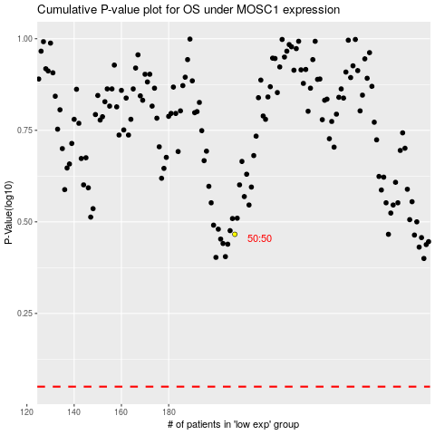

 |  |  |  |  |  | cases_OS | p_OS | rank | exp
 |  |  |  |  |  |  | cases_RFS | p_RFS | rank | exp

