MOSPD3 _multivariate
Reported by Tex Li-Hsing Chi. tex@gate.sinica.edu.tw 2019-08-17

Table 2. The clinicopathological features of HNSCC cohort and MOSPD3 expression. (Chi square test)
Cutoff at -0.51 (34.8%)
 |  | MOSPD3 expression |  | MOSPD3 expression |  | (Optimised)
 | Features | Low | (%) | High | (%) | Case no | P-value | Remark | Matthews
Gender | Female | 103 | 24.8 | 203 | 48.9 | 415 | 0.5303 | 0 | 0
2 | Male | 41 | 9.9 | 68 | 16.4
Age at diagnosis | <=65y | 97 | 23.4 | 177 | 42.7 | 415 | 0.7563 | 0 | 0
4 | >65y | 47 | 11.3 | 94 | 22.7
Clinical T Status | T1+T2 | 59 | 14.2 | 90 | 21.7 | 415 | 0.1439 | 0 | 0
6 | T3+T4 | 85 | 20.5 | 181 | 43.6
Clinical N Status | N0 | 73 | 17.6 | 143 | 34.5 | 415 | 0.7648 | 0 | 0
8 | N1-3 | 71 | 17.1 | 128 | 30.8
Clinical M Status | M0 | 144 | 34.7 | 268 | 64.6 | 415 | 0.5545 | 0 | 0
10 | M1 | 0 | 0 | 3 | 0.7
Clinical Stage | Stage I+II | 37 | 8.9 | 65 | 15.7 | 415 | 0.7909 | 0 | 0
12 | Stage III+IV | 107 | 25.8 | 206 | 49.6
Surgical Margin status | Negative | 111 | 26.7 | 207 | 49.9 | 415 | 0.9036 | 0 | 0
14 | Positive | 33 | 8 | 64 | 15.4
Tobacco Exposure | Low | 52 | 12.5 | 109 | 26.3 | 415 | 0.4592 | 0 | 0
16 | High | 92 | 22.2 | 162 | 39

Table 3. Univariate/Multivariate Cox's proportional hazards regression analyses on OS time of MOSPD3 gene expression in HNSCC

 |  | Univariate |  |  |  | Multivariate
 | Features | HR | CI95%(L) | CI95%(H) | P-value | HR | CI95%(L) | CI95%(H) | P-value
1 | Female | 1 |  |  |  | 1
Gender | Male | 1.157 | 0.843 | 1.587 | 0.367 | 1.195 | 0.857 | 1.666 | 0.295
11 | <=65y | 1 |  |  |  | 1
Age at diagnosis | >65y | 1.329 | 0.99 | 1.784 | 0.058 | 1.361 | 0.999 | 1.854 | 0.05
12 | T1+T2 | 1 |  |  |  | 1
Clinical T Status | T3+T4 | 1.409 | 1.028 | 1.931 | 0.033 | 2.355 | 1.241 | 4.467 | 0.009
13 | N0 | 1 |  |  |  | 1
Clinical N Status | N1-3 | 1.185 | 0.89 | 1.577 | 0.246 | 1.23 | 0.862 | 1.753 | 0.254
14 | M0 | 1 |  |  |  | 1
Clinical M Status | M1 | 4.097 | 1.009 | 16.644 | 0.049 | 11.408 | 2.464 | 52.811 | 0.002
15 | Stage I+II | 1 |  |  |  | 1
Clinical Stage | Stage III+IV | 1.245 | 0.882 | 1.759 | 0.213 | 0.479 | 0.223 | 1.031 | 0.06
16 | Negative | 1 |  |  |  | 1
Surgical Margin status | Positive | 1.591 | 1.155 | 2.191 | 0.004 | 1.694 | 1.225 | 2.341 | 0.001
17 | Low | 1 |  |  |  | 1
Tobacco Exposure | High | 1.364 | 1.008 | 1.844 | 0.044 | 1.47 | 1.067 | 2.025 | 0.019
18 | Low | 1 |  |  |  | 1
RNAseq(z-score) | High | 0.742 | 0.552 | 0.997 | 0.048 | 0.702 | 0.52 | 0.947 | 0.02

Table 4. Univariate/Multivariate Cox's proportional hazards regression analyses on RFS time of MOSPD3 gene expression in HNSCC

 |  | Univariate |  |  |  | Multivariate
 | Features | HR | CI95%(L) | CI95%(H) | P-value | HR | CI95%(L) | CI95%(H) | P-value
1 | Female | 1 |  |  |  | 1
Gender | Male | 1.157 | 0.843 | 1.587 | 0.367 | 1.195 | 0.857 | 1.666 | 0.295
11 | <=65y | 1 |  |  |  | 1
Age at diagnosis | >65y | 1.329 | 0.99 | 1.784 | 0.058 | 1.361 | 0.999 | 1.854 | 0.05
12 | T1+T2 | 1 |  |  |  | 1
Clinical T Status | T3+T4 | 1.409 | 1.028 | 1.931 | 0.033 | 2.355 | 1.241 | 4.467 | 0.009
13 | N0 | 1 |  |  |  | 1
Clinical N Status | N1-3 | 1.185 | 0.89 | 1.577 | 0.246 | 1.23 | 0.862 | 1.753 | 0.254
14 | M0 | 1 |  |  |  | 1
Clinical M Status | M1 | 4.097 | 1.009 | 16.644 | 0.049 | 11.408 | 2.464 | 52.811 | 0.002
15 | Stage I+II | 1 |  |  |  | 1
Clinical Stage | Stage III+IV | 1.245 | 0.882 | 1.759 | 0.213 | 0.479 | 0.223 | 1.031 | 0.06
16 | Negative | 1 |  |  |  | 1
Surgical Margin status | Positive | 1.591 | 1.155 | 2.191 | 0.004 | 1.694 | 1.225 | 2.341 | 0.001
17 | Low | 1 |  |  |  | 1
Tobacco Exposure | High | 1.364 | 1.008 | 1.844 | 0.044 | 1.47 | 1.067 | 2.025 | 0.019
18 | Low | 1 |  |  |  | 1
RNAseq(z-score) | High | 0.742 | 0.552 | 0.997 | 0.048 | 0.702 | 0.52 | 0.947 | 0.02

Kaplan-Meier survival estimate: Cutoff at -0.51 (34.8%)



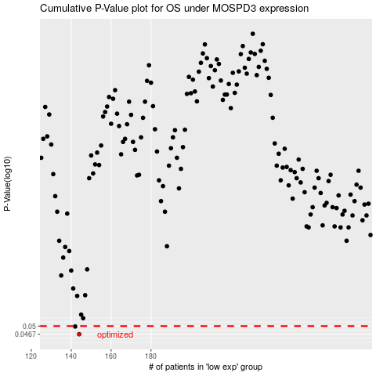

 |  |  |  |  |  | cases_OS | p_OS | rank | exp
 |  |  |  |  |  | 144 | 0.0467 | 33 | -0.50961329288
 |  |  |  |  |  | 142 | 0.0498 | 141 | -0.51736002346
 |  |  |  |  |  |  | cases_RFS | p_RFS | rank | exp
 |  |  |  |  |  |  | 143 | 0.0467 | 214 | -0.51320495342
 |  |  |  |  |  |  | 141 | 0.0498 | 222 | -0.52080588154

