MOV10 _multivariate
Reported by Tex Li-Hsing Chi. tex@gate.sinica.edu.tw 2019-08-17

Table 2. The clinicopathological features of HNSCC cohort and MOV10 expression. (Chi square test)
Cutoff at -0.138 (49.8%)
 |  | MOV10 expression |  | MOV10 expression |  | (Optimised)
 | Features | Low | (%) | High | (%) | Case no | P-value | Remark | Matthews
Gender | Female | 153 | 36.9 | 153 | 36.9 | 415 | 1 | 0 | 0
2 | Male | 54 | 13 | 55 | 13.3
Age at diagnosis | <=65y | 139 | 33.5 | 135 | 32.5 | 415 | 0.7044 | 0 | 0
4 | >65y | 68 | 16.4 | 73 | 17.6
Clinical T Status | T1+T2 | 70 | 16.9 | 79 | 19 | 415 | 0.4343 | 0 | 0
6 | T3+T4 | 137 | 33 | 129 | 31.1
Clinical N Status | N0 | 121 | 29.2 | 95 | 22.9 | 415 | 0.0122 | 1 | 0
8 | N1-3 | 86 | 20.7 | 113 | 27.2
Clinical M Status | M0 | 206 | 49.6 | 206 | 49.6 | 415 | 1 | 0 | 0
10 | M1 | 1 | 0.2 | 2 | 0.5
Clinical Stage | Stage I+II | 53 | 12.8 | 49 | 11.8 | 415 | 0.7113 | 0 | 0
12 | Stage III+IV | 154 | 37.1 | 159 | 38.3
Surgical Margin status | Negative | 164 | 39.5 | 154 | 37.1 | 415 | 0.2462 | 0 | 0
14 | Positive | 43 | 10.4 | 54 | 13
Tobacco Exposure | Low | 70 | 16.9 | 91 | 21.9 | 415 | 0.0439 | 1 | 0
16 | High | 137 | 33 | 117 | 28.2

Table 3. Univariate/Multivariate Cox's proportional hazards regression analyses on OS time of MOV10 gene expression in HNSCC

 |  | Univariate |  |  |  | Multivariate
 | Features | HR | CI95%(L) | CI95%(H) | P-value | HR | CI95%(L) | CI95%(H) | P-value
1 | Female | 1 |  |  |  | 1
Gender | Male | 1.157 | 0.843 | 1.587 | 0.367 | 1.213 | 0.868 | 1.696 | 0.258
11 | <=65y | 1 |  |  |  | 1
Age at diagnosis | >65y | 1.329 | 0.99 | 1.784 | 0.058 | 1.384 | 1.017 | 1.882 | 0.039
12 | T1+T2 | 1 |  |  |  | 1
Clinical T Status | T3+T4 | 1.409 | 1.028 | 1.931 | 0.033 | 2.217 | 1.172 | 4.193 | 0.014
13 | N0 | 1 |  |  |  | 1
Clinical N Status | N1-3 | 1.185 | 0.89 | 1.577 | 0.246 | 1.201 | 0.835 | 1.727 | 0.323
14 | M0 | 1 |  |  |  | 1
Clinical M Status | M1 | 4.097 | 1.009 | 16.644 | 0.049 | 9.495 | 2.07 | 43.544 | 0.004
15 | Stage I+II | 1 |  |  |  | 1
Clinical Stage | Stage III+IV | 1.245 | 0.882 | 1.759 | 0.213 | 0.511 | 0.238 | 1.097 | 0.085
16 | Negative | 1 |  |  |  | 1
Surgical Margin status | Positive | 1.591 | 1.155 | 2.191 | 0.004 | 1.663 | 1.203 | 2.299 | 0.002
17 | Low | 1 |  |  |  | 1
Tobacco Exposure | High | 1.364 | 1.008 | 1.844 | 0.044 | 1.489 | 1.075 | 2.062 | 0.017
18 | Low | 1 |  |  |  | 1
RNAseq(z-score) | High | 1.117 | 0.839 | 1.487 | 0.45 | 1.141 | 0.847 | 1.538 | 0.384

Table 4. Univariate/Multivariate Cox's proportional hazards regression analyses on RFS time of MOV10 gene expression in HNSCC

 |  | Univariate |  |  |  | Multivariate
 | Features | HR | CI95%(L) | CI95%(H) | P-value | HR | CI95%(L) | CI95%(H) | P-value
1 | Female | 1 |  |  |  | 1
Gender | Male | 1.157 | 0.843 | 1.587 | 0.367 | 1.213 | 0.868 | 1.696 | 0.258
11 | <=65y | 1 |  |  |  | 1
Age at diagnosis | >65y | 1.329 | 0.99 | 1.784 | 0.058 | 1.384 | 1.017 | 1.882 | 0.039
12 | T1+T2 | 1 |  |  |  | 1
Clinical T Status | T3+T4 | 1.409 | 1.028 | 1.931 | 0.033 | 2.217 | 1.172 | 4.193 | 0.014
13 | N0 | 1 |  |  |  | 1
Clinical N Status | N1-3 | 1.185 | 0.89 | 1.577 | 0.246 | 1.201 | 0.835 | 1.727 | 0.323
14 | M0 | 1 |  |  |  | 1
Clinical M Status | M1 | 4.097 | 1.009 | 16.644 | 0.049 | 9.495 | 2.07 | 43.544 | 0.004
15 | Stage I+II | 1 |  |  |  | 1
Clinical Stage | Stage III+IV | 1.245 | 0.882 | 1.759 | 0.213 | 0.511 | 0.238 | 1.097 | 0.085
16 | Negative | 1 |  |  |  | 1
Surgical Margin status | Positive | 1.591 | 1.155 | 2.191 | 0.004 | 1.663 | 1.203 | 2.299 | 0.002
17 | Low | 1 |  |  |  | 1
Tobacco Exposure | High | 1.364 | 1.008 | 1.844 | 0.044 | 1.489 | 1.075 | 2.062 | 0.017
18 | Low | 1 |  |  |  | 1
RNAseq(z-score) | High | 1.117 | 0.839 | 1.487 | 0.45 | 1.141 | 0.847 | 1.538 | 0.384

Kaplan-Meier survival estimate: Cutoff at -0.138 (49.8%)



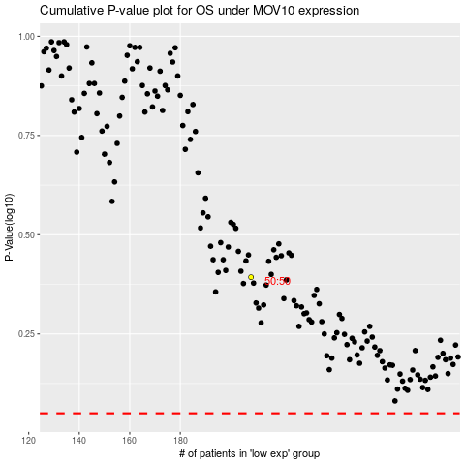

 |  |  |  |  |  | cases_OS | p_OS | rank | exp
 |  |  |  |  |  |  | cases_RFS | p_RFS | rank | exp

