MPDU1 _multivariate
Reported by Tex Li-Hsing Chi. tex@gate.sinica.edu.tw 2019-08-17

Table 2. The clinicopathological features of HNSCC cohort and MPDU1 expression. (Chi square test)
Cutoff at -0.532 (30.0%)
 |  | MPDU1 expression |  | MPDU1 expression |  | (Optimised)
 | Features | Low | (%) | High | (%) | Case no | P-value | Remark | Matthews
Gender | Female | 89 | 21.4 | 217 | 52.3 | 415 | 0.5164 | 0 | 0
2 | Male | 36 | 8.7 | 73 | 17.6
Age at diagnosis | <=65y | 89 | 21.4 | 185 | 44.6 | 415 | 0.1774 | 0 | 0
4 | >65y | 36 | 8.7 | 105 | 25.3
Clinical T Status | T1+T2 | 41 | 9.9 | 108 | 26 | 415 | 0.451 | 0 | 0
6 | T3+T4 | 84 | 20.2 | 182 | 43.9
Clinical N Status | N0 | 66 | 15.9 | 150 | 36.1 | 415 | 0.925 | 0 | 0
8 | N1-3 | 59 | 14.2 | 140 | 33.7
Clinical M Status | M0 | 125 | 30.1 | 287 | 69.2 | 415 | 0.5571 | 0 | 0
10 | M1 | 0 | 0 | 3 | 0.7
Clinical Stage | Stage I+II | 32 | 7.7 | 70 | 16.9 | 415 | 0.8469 | 0 | 0
12 | Stage III+IV | 93 | 22.4 | 220 | 53
Surgical Margin status | Negative | 101 | 24.3 | 217 | 52.3 | 415 | 0.2075 | 0 | 0
14 | Positive | 24 | 5.8 | 73 | 17.6
Tobacco Exposure | Low | 46 | 11.1 | 115 | 27.7 | 415 | 0.6607 | 0 | 0
16 | High | 79 | 19 | 175 | 42.2

Table 3. Univariate/Multivariate Cox's proportional hazards regression analyses on OS time of MPDU1 gene expression in HNSCC

 |  | Univariate |  |  |  | Multivariate
 | Features | HR | CI95%(L) | CI95%(H) | P-value | HR | CI95%(L) | CI95%(H) | P-value
1 | Female | 1 |  |  |  | 1
Gender | Male | 1.157 | 0.843 | 1.587 | 0.367 | 1.216 | 0.869 | 1.702 | 0.254
11 | <=65y | 1 |  |  |  | 1
Age at diagnosis | >65y | 1.329 | 0.99 | 1.784 | 0.058 | 1.393 | 1.025 | 1.892 | 0.034
12 | T1+T2 | 1 |  |  |  | 1
Clinical T Status | T3+T4 | 1.409 | 1.028 | 1.931 | 0.033 | 2.257 | 1.193 | 4.271 | 0.012
13 | N0 | 1 |  |  |  | 1
Clinical N Status | N1-3 | 1.185 | 0.89 | 1.577 | 0.246 | 1.266 | 0.887 | 1.807 | 0.193
14 | M0 | 1 |  |  |  | 1
Clinical M Status | M1 | 4.097 | 1.009 | 16.644 | 0.049 | 8.746 | 1.905 | 40.148 | 0.005
15 | Stage I+II | 1 |  |  |  | 1
Clinical Stage | Stage III+IV | 1.245 | 0.882 | 1.759 | 0.213 | 0.483 | 0.225 | 1.038 | 0.062
16 | Negative | 1 |  |  |  | 1
Surgical Margin status | Positive | 1.591 | 1.155 | 2.191 | 0.004 | 1.64 | 1.186 | 2.267 | 0.003
17 | Low | 1 |  |  |  | 1
Tobacco Exposure | High | 1.364 | 1.008 | 1.844 | 0.044 | 1.476 | 1.07 | 2.035 | 0.018
18 | Low | 1 |  |  |  | 1
RNAseq(z-score) | High | 1.411 | 1.019 | 1.954 | 0.038 | 1.404 | 1.012 | 1.947 | 0.042

Table 4. Univariate/Multivariate Cox's proportional hazards regression analyses on RFS time of MPDU1 gene expression in HNSCC

 |  | Univariate |  |  |  | Multivariate
 | Features | HR | CI95%(L) | CI95%(H) | P-value | HR | CI95%(L) | CI95%(H) | P-value
1 | Female | 1 |  |  |  | 1
Gender | Male | 1.157 | 0.843 | 1.587 | 0.367 | 1.216 | 0.869 | 1.702 | 0.254
11 | <=65y | 1 |  |  |  | 1
Age at diagnosis | >65y | 1.329 | 0.99 | 1.784 | 0.058 | 1.393 | 1.025 | 1.892 | 0.034
12 | T1+T2 | 1 |  |  |  | 1
Clinical T Status | T3+T4 | 1.409 | 1.028 | 1.931 | 0.033 | 2.257 | 1.193 | 4.271 | 0.012
13 | N0 | 1 |  |  |  | 1
Clinical N Status | N1-3 | 1.185 | 0.89 | 1.577 | 0.246 | 1.266 | 0.887 | 1.807 | 0.193
14 | M0 | 1 |  |  |  | 1
Clinical M Status | M1 | 4.097 | 1.009 | 16.644 | 0.049 | 8.746 | 1.905 | 40.148 | 0.005
15 | Stage I+II | 1 |  |  |  | 1
Clinical Stage | Stage III+IV | 1.245 | 0.882 | 1.759 | 0.213 | 0.483 | 0.225 | 1.038 | 0.062
16 | Negative | 1 |  |  |  | 1
Surgical Margin status | Positive | 1.591 | 1.155 | 2.191 | 0.004 | 1.64 | 1.186 | 2.267 | 0.003
17 | Low | 1 |  |  |  | 1
Tobacco Exposure | High | 1.364 | 1.008 | 1.844 | 0.044 | 1.476 | 1.07 | 2.035 | 0.018
18 | Low | 1 |  |  |  | 1
RNAseq(z-score) | High | 1.411 | 1.019 | 1.954 | 0.038 | 1.404 | 1.012 | 1.947 | 0.042

Kaplan-Meier survival estimate: Cutoff at -0.532 (30.0%)



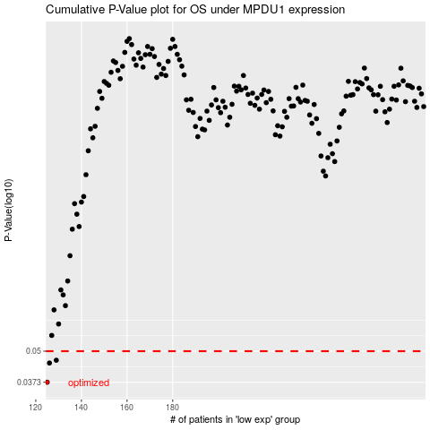

 |  |  |  |  |  | cases_OS | p_OS | rank | exp
 |  |  |  |  |  | 125 | 0.0373 | 251 | -0.53188957282
 |  |  |  |  |  | 126 | 0.0447 | 373 | -0.52838831058
 |  |  |  |  |  | 129 | 0.0459 | 155 | -0.50522563793
 |  |  |  |  |  |  | cases_RFS | p_RFS | rank | exp
 |  |  |  |  |  |  |  | 0.0373 | 169 | -0.53309195176
 |  |  |  |  |  |  | 125 | 0.0447 | 251 | -0.53188957282
 |  |  |  |  |  |  | 128 | 0.0459 | 175 | -0.50558826974

