MPHOSPH10 _multivariate
Reported by Tex Li-Hsing Chi. tex@gate.sinica.edu.tw 2019-08-17

Table 2. The clinicopathological features of HNSCC cohort and MPHOSPH10 expression. (Chi square test)
Cutoff at -0.204 (50.0%)
 |  | MPHOSPH10 expression |  | MPHOSPH10 expression |  | (Optimised)
 | Features | Low | (%) | High | (%) | Case no | P-value | Remark | Matthews
Gender | Female | 151 | 36.4 | 155 | 37.3 | 415 | 0.8007 | 0 | 0
2 | Male | 56 | 13.5 | 53 | 12.8
Age at diagnosis | <=65y | 129 | 31.1 | 145 | 34.9 | 415 | 0.1372 | 0 | 0
4 | >65y | 78 | 18.8 | 63 | 15.2
Clinical T Status | T1+T2 | 76 | 18.3 | 73 | 17.6 | 415 | 0.8092 | 0 | 0
6 | T3+T4 | 131 | 31.6 | 135 | 32.5
Clinical N Status | N0 | 102 | 24.6 | 114 | 27.5 | 415 | 0.3031 | 0 | 0
8 | N1-3 | 105 | 25.3 | 94 | 22.7
Clinical M Status | M0 | 207 | 49.9 | 205 | 49.4 | 415 | 0.2482 | 0 | 0
10 | M1 | 0 | 0 | 3 | 0.7
Clinical Stage | Stage I+II | 50 | 12 | 52 | 12.5 | 415 | 0.9315 | 0 | 0
12 | Stage III+IV | 157 | 37.8 | 156 | 37.6
Surgical Margin status | Negative | 158 | 38.1 | 160 | 38.6 | 415 | 0.9081 | 0 | 0
14 | Positive | 49 | 11.8 | 48 | 11.6
Tobacco Exposure | Low | 83 | 20 | 78 | 18.8 | 415 | 0.6152 | 0 | 0
16 | High | 124 | 29.9 | 130 | 31.3

Table 3. Univariate/Multivariate Cox's proportional hazards regression analyses on OS time of MPHOSPH10 gene expression in HNSCC

 |  | Univariate |  |  |  | Multivariate
 | Features | HR | CI95%(L) | CI95%(H) | P-value | HR | CI95%(L) | CI95%(H) | P-value
1 | Female | 1 |  |  |  | 1
Gender | Male | 1.157 | 0.843 | 1.587 | 0.367 | 1.2 | 0.859 | 1.677 | 0.284
11 | <=65y | 1 |  |  |  | 1
Age at diagnosis | >65y | 1.329 | 0.99 | 1.784 | 0.058 | 1.401 | 1.026 | 1.913 | 0.034
12 | T1+T2 | 1 |  |  |  | 1
Clinical T Status | T3+T4 | 1.409 | 1.028 | 1.931 | 0.033 | 2.194 | 1.159 | 4.151 | 0.016
13 | N0 | 1 |  |  |  | 1
Clinical N Status | N1-3 | 1.185 | 0.89 | 1.577 | 0.246 | 1.245 | 0.872 | 1.778 | 0.228
14 | M0 | 1 |  |  |  | 1
Clinical M Status | M1 | 4.097 | 1.009 | 16.644 | 0.049 | 9.187 | 1.984 | 42.546 | 0.005
15 | Stage I+II | 1 |  |  |  | 1
Clinical Stage | Stage III+IV | 1.245 | 0.882 | 1.759 | 0.213 | 0.504 | 0.235 | 1.082 | 0.079
16 | Negative | 1 |  |  |  | 1
Surgical Margin status | Positive | 1.591 | 1.155 | 2.191 | 0.004 | 1.672 | 1.21 | 2.311 | 0.002
17 | Low | 1 |  |  |  | 1
Tobacco Exposure | High | 1.364 | 1.008 | 1.844 | 0.044 | 1.448 | 1.05 | 1.997 | 0.024
18 | Low | 1 |  |  |  | 1
RNAseq(z-score) | High | 1.06 | 0.795 | 1.413 | 0.693 | 1.04 | 0.774 | 1.399 | 0.794

Table 4. Univariate/Multivariate Cox's proportional hazards regression analyses on RFS time of MPHOSPH10 gene expression in HNSCC

 |  | Univariate |  |  |  | Multivariate
 | Features | HR | CI95%(L) | CI95%(H) | P-value | HR | CI95%(L) | CI95%(H) | P-value
1 | Female | 1 |  |  |  | 1
Gender | Male | 1.157 | 0.843 | 1.587 | 0.367 | 1.2 | 0.859 | 1.677 | 0.284
11 | <=65y | 1 |  |  |  | 1
Age at diagnosis | >65y | 1.329 | 0.99 | 1.784 | 0.058 | 1.401 | 1.026 | 1.913 | 0.034
12 | T1+T2 | 1 |  |  |  | 1
Clinical T Status | T3+T4 | 1.409 | 1.028 | 1.931 | 0.033 | 2.194 | 1.159 | 4.151 | 0.016
13 | N0 | 1 |  |  |  | 1
Clinical N Status | N1-3 | 1.185 | 0.89 | 1.577 | 0.246 | 1.245 | 0.872 | 1.778 | 0.228
14 | M0 | 1 |  |  |  | 1
Clinical M Status | M1 | 4.097 | 1.009 | 16.644 | 0.049 | 9.187 | 1.984 | 42.546 | 0.005
15 | Stage I+II | 1 |  |  |  | 1
Clinical Stage | Stage III+IV | 1.245 | 0.882 | 1.759 | 0.213 | 0.504 | 0.235 | 1.082 | 0.079
16 | Negative | 1 |  |  |  | 1
Surgical Margin status | Positive | 1.591 | 1.155 | 2.191 | 0.004 | 1.672 | 1.21 | 2.311 | 0.002
17 | Low | 1 |  |  |  | 1
Tobacco Exposure | High | 1.364 | 1.008 | 1.844 | 0.044 | 1.448 | 1.05 | 1.997 | 0.024
18 | Low | 1 |  |  |  | 1
RNAseq(z-score) | High | 1.06 | 0.795 | 1.413 | 0.693 | 1.04 | 0.774 | 1.399 | 0.794

Kaplan-Meier survival estimate: Cutoff at -0.204 (50.0%)

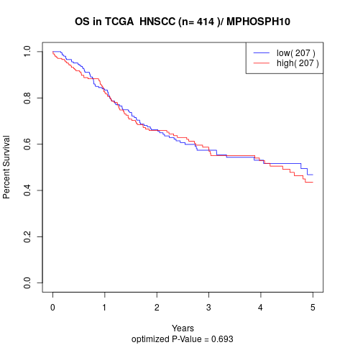

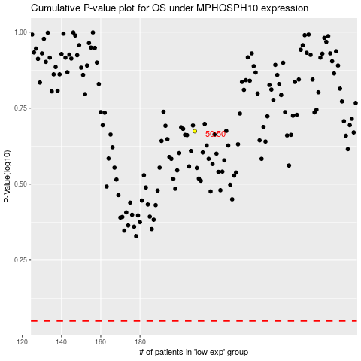

 |  |  |  |  |  | cases_OS | p_OS | rank | exp
 |  |  |  |  |  |  | cases_RFS | p_RFS | rank | exp

