MPHOSPH6 _multivariate
Reported by Tex Li-Hsing Chi. tex@gate.sinica.edu.tw 2019-08-17

Table 2. The clinicopathological features of HNSCC cohort and MPHOSPH6 expression. (Chi square test)
Cutoff at -0.06 (50.0%)
 |  | MPHOSPH6 expression |  | MPHOSPH6 expression |  | (Optimised)
 | Features | Low | (%) | High | (%) | Case no | P-value | Remark | Matthews
Gender | Female | 154 | 37.1 | 152 | 36.6 | 415 | 0.8463 | 0 | 0
2 | Male | 53 | 12.8 | 56 | 13.5
Age at diagnosis | <=65y | 135 | 32.5 | 139 | 33.5 | 415 | 0.8084 | 0 | 0
4 | >65y | 72 | 17.3 | 69 | 16.6
Clinical T Status | T1+T2 | 85 | 20.5 | 64 | 15.4 | 415 | 0.0372 | 1 | 0
6 | T3+T4 | 122 | 29.4 | 144 | 34.7
Clinical N Status | N0 | 105 | 25.3 | 111 | 26.7 | 415 | 0.6598 | 0 | 0
8 | N1-3 | 102 | 24.6 | 97 | 23.4
Clinical M Status | M0 | 207 | 49.9 | 205 | 49.4 | 415 | 0.2482 | 0 | 0
10 | M1 | 0 | 0 | 3 | 0.7
Clinical Stage | Stage I+II | 53 | 12.8 | 49 | 11.8 | 415 | 0.7113 | 0 | 0
12 | Stage III+IV | 154 | 37.1 | 159 | 38.3
Surgical Margin status | Negative | 157 | 37.8 | 161 | 38.8 | 415 | 0.729 | 0 | 0
14 | Positive | 50 | 12 | 47 | 11.3
Tobacco Exposure | Low | 81 | 19.5 | 80 | 19.3 | 415 | 0.9199 | 0 | 0
16 | High | 126 | 30.4 | 128 | 30.8

Table 3. Univariate/Multivariate Cox's proportional hazards regression analyses on OS time of MPHOSPH6 gene expression in HNSCC

 |  | Univariate |  |  |  | Multivariate
 | Features | HR | CI95%(L) | CI95%(H) | P-value | HR | CI95%(L) | CI95%(H) | P-value
1 | Female | 1 |  |  |  | 1
Gender | Male | 1.157 | 0.843 | 1.587 | 0.367 | 1.213 | 0.868 | 1.695 | 0.258
11 | <=65y | 1 |  |  |  | 1
Age at diagnosis | >65y | 1.329 | 0.99 | 1.784 | 0.058 | 1.376 | 1.011 | 1.873 | 0.042
12 | T1+T2 | 1 |  |  |  | 1
Clinical T Status | T3+T4 | 1.409 | 1.028 | 1.931 | 0.033 | 2.266 | 1.196 | 4.293 | 0.012
13 | N0 | 1 |  |  |  | 1
Clinical N Status | N1-3 | 1.185 | 0.89 | 1.577 | 0.246 | 1.227 | 0.859 | 1.752 | 0.26
14 | M0 | 1 |  |  |  | 1
Clinical M Status | M1 | 4.097 | 1.009 | 16.644 | 0.049 | 10.595 | 2.277 | 49.306 | 0.003
15 | Stage I+II | 1 |  |  |  | 1
Clinical Stage | Stage III+IV | 1.245 | 0.882 | 1.759 | 0.213 | 0.491 | 0.229 | 1.056 | 0.069
16 | Negative | 1 |  |  |  | 1
Surgical Margin status | Positive | 1.591 | 1.155 | 2.191 | 0.004 | 1.671 | 1.209 | 2.31 | 0.002
17 | Low | 1 |  |  |  | 1
Tobacco Exposure | High | 1.364 | 1.008 | 1.844 | 0.044 | 1.461 | 1.061 | 2.012 | 0.02
18 | Low | 1 |  |  |  | 1
RNAseq(z-score) | High | 0.876 | 0.657 | 1.169 | 0.369 | 0.846 | 0.631 | 1.133 | 0.261

Table 4. Univariate/Multivariate Cox's proportional hazards regression analyses on RFS time of MPHOSPH6 gene expression in HNSCC

 |  | Univariate |  |  |  | Multivariate
 | Features | HR | CI95%(L) | CI95%(H) | P-value | HR | CI95%(L) | CI95%(H) | P-value
1 | Female | 1 |  |  |  | 1
Gender | Male | 1.157 | 0.843 | 1.587 | 0.367 | 1.213 | 0.868 | 1.695 | 0.258
11 | <=65y | 1 |  |  |  | 1
Age at diagnosis | >65y | 1.329 | 0.99 | 1.784 | 0.058 | 1.376 | 1.011 | 1.873 | 0.042
12 | T1+T2 | 1 |  |  |  | 1
Clinical T Status | T3+T4 | 1.409 | 1.028 | 1.931 | 0.033 | 2.266 | 1.196 | 4.293 | 0.012
13 | N0 | 1 |  |  |  | 1
Clinical N Status | N1-3 | 1.185 | 0.89 | 1.577 | 0.246 | 1.227 | 0.859 | 1.752 | 0.26
14 | M0 | 1 |  |  |  | 1
Clinical M Status | M1 | 4.097 | 1.009 | 16.644 | 0.049 | 10.595 | 2.277 | 49.306 | 0.003
15 | Stage I+II | 1 |  |  |  | 1
Clinical Stage | Stage III+IV | 1.245 | 0.882 | 1.759 | 0.213 | 0.491 | 0.229 | 1.056 | 0.069
16 | Negative | 1 |  |  |  | 1
Surgical Margin status | Positive | 1.591 | 1.155 | 2.191 | 0.004 | 1.671 | 1.209 | 2.31 | 0.002
17 | Low | 1 |  |  |  | 1
Tobacco Exposure | High | 1.364 | 1.008 | 1.844 | 0.044 | 1.461 | 1.061 | 2.012 | 0.02
18 | Low | 1 |  |  |  | 1
RNAseq(z-score) | High | 0.876 | 0.657 | 1.169 | 0.369 | 0.846 | 0.631 | 1.133 | 0.261

Kaplan-Meier survival estimate: Cutoff at -0.06 (50.0%)



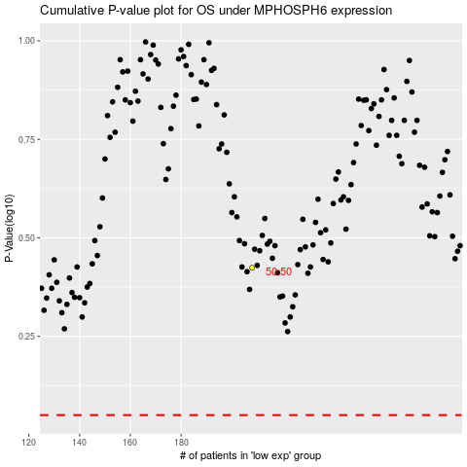

 |  |  |  |  |  | cases_OS | p_OS | rank | exp
 |  |  |  |  |  |  | cases_RFS | p_RFS | rank | exp

