MPHOSPH8 _multivariate
Reported by Tex Li-Hsing Chi. tex@gate.sinica.edu.tw 2019-08-17

Table 2. The clinicopathological features of HNSCC cohort and MPHOSPH8 expression. (Chi square test)
Cutoff at -0.161 (49.8%)
 |  | MPHOSPH8 expression |  | MPHOSPH8 expression |  | (Optimised)
 | Features | Low | (%) | High | (%) | Case no | P-value | Remark | Matthews
Gender | Female | 152 | 36.6 | 154 | 37.1 | 415 | 0.9766 | 0 | 0
2 | Male | 55 | 13.3 | 54 | 13
Age at diagnosis | <=65y | 139 | 33.5 | 135 | 32.5 | 415 | 0.7044 | 0 | 0
4 | >65y | 68 | 16.4 | 73 | 17.6
Clinical T Status | T1+T2 | 73 | 17.6 | 76 | 18.3 | 415 | 0.8666 | 0 | 0
6 | T3+T4 | 134 | 32.3 | 132 | 31.8
Clinical N Status | N0 | 105 | 25.3 | 111 | 26.7 | 415 | 0.6598 | 0 | 0
8 | N1-3 | 102 | 24.6 | 97 | 23.4
Clinical M Status | M0 | 206 | 49.6 | 206 | 49.6 | 415 | 1 | 0 | 0
10 | M1 | 1 | 0.2 | 2 | 0.5
Clinical Stage | Stage I+II | 49 | 11.8 | 53 | 12.8 | 415 | 0.7535 | 0 | 0
12 | Stage III+IV | 158 | 38.1 | 155 | 37.3
Surgical Margin status | Negative | 162 | 39 | 156 | 37.6 | 415 | 0.4867 | 0 | 0
14 | Positive | 45 | 10.8 | 52 | 12.5
Tobacco Exposure | Low | 75 | 18.1 | 86 | 20.7 | 415 | 0.3141 | 0 | 0
16 | High | 132 | 31.8 | 122 | 29.4

Table 3. Univariate/Multivariate Cox's proportional hazards regression analyses on OS time of MPHOSPH8 gene expression in HNSCC

 |  | Univariate |  |  |  | Multivariate
 | Features | HR | CI95%(L) | CI95%(H) | P-value | HR | CI95%(L) | CI95%(H) | P-value
1 | Female | 1 |  |  |  | 1
Gender | Male | 1.157 | 0.843 | 1.587 | 0.367 | 1.225 | 0.876 | 1.714 | 0.236
11 | <=65y | 1 |  |  |  | 1
Age at diagnosis | >65y | 1.329 | 0.99 | 1.784 | 0.058 | 1.374 | 1.011 | 1.868 | 0.042
12 | T1+T2 | 1 |  |  |  | 1
Clinical T Status | T3+T4 | 1.409 | 1.028 | 1.931 | 0.033 | 2.202 | 1.165 | 4.163 | 0.015
13 | N0 | 1 |  |  |  | 1
Clinical N Status | N1-3 | 1.185 | 0.89 | 1.577 | 0.246 | 1.254 | 0.879 | 1.788 | 0.212
14 | M0 | 1 |  |  |  | 1
Clinical M Status | M1 | 4.097 | 1.009 | 16.644 | 0.049 | 9.246 | 2.017 | 42.396 | 0.004
15 | Stage I+II | 1 |  |  |  | 1
Clinical Stage | Stage III+IV | 1.245 | 0.882 | 1.759 | 0.213 | 0.5 | 0.233 | 1.073 | 0.075
16 | Negative | 1 |  |  |  | 1
Surgical Margin status | Positive | 1.591 | 1.155 | 2.191 | 0.004 | 1.67 | 1.208 | 2.308 | 0.002
17 | Low | 1 |  |  |  | 1
Tobacco Exposure | High | 1.364 | 1.008 | 1.844 | 0.044 | 1.512 | 1.092 | 2.094 | 0.013
18 | Low | 1 |  |  |  | 1
RNAseq(z-score) | High | 1.195 | 0.895 | 1.594 | 0.227 | 1.262 | 0.94 | 1.693 | 0.121

Table 4. Univariate/Multivariate Cox's proportional hazards regression analyses on RFS time of MPHOSPH8 gene expression in HNSCC

 |  | Univariate |  |  |  | Multivariate
 | Features | HR | CI95%(L) | CI95%(H) | P-value | HR | CI95%(L) | CI95%(H) | P-value
1 | Female | 1 |  |  |  | 1
Gender | Male | 1.157 | 0.843 | 1.587 | 0.367 | 1.225 | 0.876 | 1.714 | 0.236
11 | <=65y | 1 |  |  |  | 1
Age at diagnosis | >65y | 1.329 | 0.99 | 1.784 | 0.058 | 1.374 | 1.011 | 1.868 | 0.042
12 | T1+T2 | 1 |  |  |  | 1
Clinical T Status | T3+T4 | 1.409 | 1.028 | 1.931 | 0.033 | 2.202 | 1.165 | 4.163 | 0.015
13 | N0 | 1 |  |  |  | 1
Clinical N Status | N1-3 | 1.185 | 0.89 | 1.577 | 0.246 | 1.254 | 0.879 | 1.788 | 0.212
14 | M0 | 1 |  |  |  | 1
Clinical M Status | M1 | 4.097 | 1.009 | 16.644 | 0.049 | 9.246 | 2.017 | 42.396 | 0.004
15 | Stage I+II | 1 |  |  |  | 1
Clinical Stage | Stage III+IV | 1.245 | 0.882 | 1.759 | 0.213 | 0.5 | 0.233 | 1.073 | 0.075
16 | Negative | 1 |  |  |  | 1
Surgical Margin status | Positive | 1.591 | 1.155 | 2.191 | 0.004 | 1.67 | 1.208 | 2.308 | 0.002
17 | Low | 1 |  |  |  | 1
Tobacco Exposure | High | 1.364 | 1.008 | 1.844 | 0.044 | 1.512 | 1.092 | 2.094 | 0.013
18 | Low | 1 |  |  |  | 1
RNAseq(z-score) | High | 1.195 | 0.895 | 1.594 | 0.227 | 1.262 | 0.94 | 1.693 | 0.121

Kaplan-Meier survival estimate: Cutoff at -0.161 (49.8%)



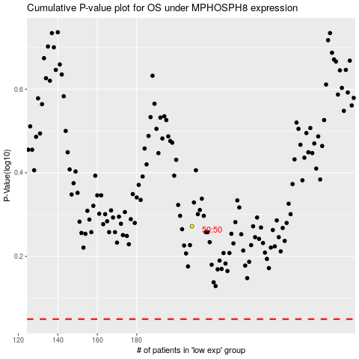

 |  |  |  |  |  | cases_OS | p_OS | rank | exp
 |  |  |  |  |  |  | cases_RFS | p_RFS | rank | exp

