MPP3 _multivariate
Reported by Tex Li-Hsing Chi. tex@gate.sinica.edu.tw 2019-08-17

Table 2. The clinicopathological features of HNSCC cohort and MPP3 expression. (Chi square test)
Cutoff at -0.188 (49.8%)
 |  | MPP3 expression |  | MPP3 expression |  | (Optimised)
 | Features | Low | (%) | High | (%) | Case no | P-value | Remark | Matthews
Gender | Female | 143 | 34.5 | 163 | 39.3 | 415 | 0.0416 | 1 | 0
2 | Male | 64 | 15.4 | 45 | 10.8
Age at diagnosis | <=65y | 137 | 33 | 137 | 33 | 415 | 1 | 0 | 0
4 | >65y | 70 | 16.9 | 71 | 17.1
Clinical T Status | T1+T2 | 81 | 19.5 | 68 | 16.4 | 415 | 0.206 | 0 | 0
6 | T3+T4 | 126 | 30.4 | 140 | 33.7
Clinical N Status | N0 | 111 | 26.7 | 105 | 25.3 | 415 | 0.5875 | 0 | 0
8 | N1-3 | 96 | 23.1 | 103 | 24.8
Clinical M Status | M0 | 207 | 49.9 | 205 | 49.4 | 415 | 0.2482 | 0 | 0
10 | M1 | 0 | 0 | 3 | 0.7
Clinical Stage | Stage I+II | 56 | 13.5 | 46 | 11.1 | 415 | 0.2918 | 0 | 0
12 | Stage III+IV | 151 | 36.4 | 162 | 39
Surgical Margin status | Negative | 161 | 38.8 | 157 | 37.8 | 415 | 0.6429 | 0 | 0
14 | Positive | 46 | 11.1 | 51 | 12.3
Tobacco Exposure | Low | 93 | 22.4 | 68 | 16.4 | 415 | 0.0118 | 1 | 0
16 | High | 114 | 27.5 | 140 | 33.7

Table 3. Univariate/Multivariate Cox's proportional hazards regression analyses on OS time of MPP3 gene expression in HNSCC

 |  | Univariate |  |  |  | Multivariate
 | Features | HR | CI95%(L) | CI95%(H) | P-value | HR | CI95%(L) | CI95%(H) | P-value
1 | Female | 1 |  |  |  | 1
Gender | Male | 1.157 | 0.843 | 1.587 | 0.367 | 1.181 | 0.845 | 1.651 | 0.329
11 | <=65y | 1 |  |  |  | 1
Age at diagnosis | >65y | 1.329 | 0.99 | 1.784 | 0.058 | 1.407 | 1.034 | 1.913 | 0.03
12 | T1+T2 | 1 |  |  |  | 1
Clinical T Status | T3+T4 | 1.409 | 1.028 | 1.931 | 0.033 | 2.22 | 1.174 | 4.198 | 0.014
13 | N0 | 1 |  |  |  | 1
Clinical N Status | N1-3 | 1.185 | 0.89 | 1.577 | 0.246 | 1.244 | 0.872 | 1.773 | 0.228
14 | M0 | 1 |  |  |  | 1
Clinical M Status | M1 | 4.097 | 1.009 | 16.644 | 0.049 | 10.247 | 2.217 | 47.369 | 0.003
15 | Stage I+II | 1 |  |  |  | 1
Clinical Stage | Stage III+IV | 1.245 | 0.882 | 1.759 | 0.213 | 0.508 | 0.237 | 1.09 | 0.082
16 | Negative | 1 |  |  |  | 1
Surgical Margin status | Positive | 1.591 | 1.155 | 2.191 | 0.004 | 1.68 | 1.216 | 2.321 | 0.002
17 | Low | 1 |  |  |  | 1
Tobacco Exposure | High | 1.364 | 1.008 | 1.844 | 0.044 | 1.497 | 1.082 | 2.071 | 0.015
18 | Low | 1 |  |  |  | 1
RNAseq(z-score) | High | 0.949 | 0.712 | 1.264 | 0.719 | 0.848 | 0.63 | 1.143 | 0.279

Table 4. Univariate/Multivariate Cox's proportional hazards regression analyses on RFS time of MPP3 gene expression in HNSCC

 |  | Univariate |  |  |  | Multivariate
 | Features | HR | CI95%(L) | CI95%(H) | P-value | HR | CI95%(L) | CI95%(H) | P-value
1 | Female | 1 |  |  |  | 1
Gender | Male | 1.157 | 0.843 | 1.587 | 0.367 | 1.181 | 0.845 | 1.651 | 0.329
11 | <=65y | 1 |  |  |  | 1
Age at diagnosis | >65y | 1.329 | 0.99 | 1.784 | 0.058 | 1.407 | 1.034 | 1.913 | 0.03
12 | T1+T2 | 1 |  |  |  | 1
Clinical T Status | T3+T4 | 1.409 | 1.028 | 1.931 | 0.033 | 2.22 | 1.174 | 4.198 | 0.014
13 | N0 | 1 |  |  |  | 1
Clinical N Status | N1-3 | 1.185 | 0.89 | 1.577 | 0.246 | 1.244 | 0.872 | 1.773 | 0.228
14 | M0 | 1 |  |  |  | 1
Clinical M Status | M1 | 4.097 | 1.009 | 16.644 | 0.049 | 10.247 | 2.217 | 47.369 | 0.003
15 | Stage I+II | 1 |  |  |  | 1
Clinical Stage | Stage III+IV | 1.245 | 0.882 | 1.759 | 0.213 | 0.508 | 0.237 | 1.09 | 0.082
16 | Negative | 1 |  |  |  | 1
Surgical Margin status | Positive | 1.591 | 1.155 | 2.191 | 0.004 | 1.68 | 1.216 | 2.321 | 0.002
17 | Low | 1 |  |  |  | 1
Tobacco Exposure | High | 1.364 | 1.008 | 1.844 | 0.044 | 1.497 | 1.082 | 2.071 | 0.015
18 | Low | 1 |  |  |  | 1
RNAseq(z-score) | High | 0.949 | 0.712 | 1.264 | 0.719 | 0.848 | 0.63 | 1.143 | 0.279

Kaplan-Meier survival estimate: Cutoff at -0.188 (49.8%)



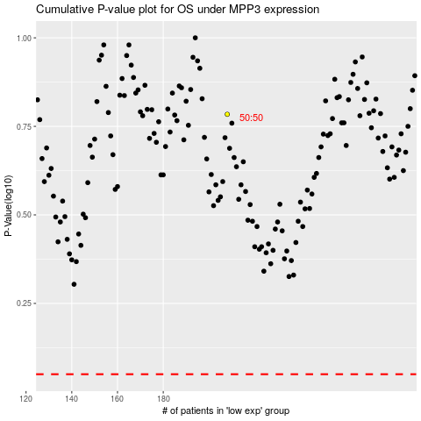

 |  |  |  |  |  | cases_OS | p_OS | rank | exp
 |  |  |  |  |  |  | cases_RFS | p_RFS | rank | exp

