MPST _multivariate
Reported by Tex Li-Hsing Chi. tex@gate.sinica.edu.tw 2019-08-17

Table 2. The clinicopathological features of HNSCC cohort and MPST expression. (Chi square test)
Cutoff at -0.247 (49.8%)
 |  | MPST expression |  | MPST expression |  | (Optimised)
 | Features | Low | (%) | High | (%) | Case no | P-value | Remark | Matthews
Gender | Female | 151 | 36.4 | 155 | 37.3 | 415 | 0.8007 | 0 | 0
2 | Male | 56 | 13.5 | 53 | 12.8
Age at diagnosis | <=65y | 135 | 32.5 | 139 | 33.5 | 415 | 0.8084 | 0 | 0
4 | >65y | 72 | 17.3 | 69 | 16.6
Clinical T Status | T1+T2 | 86 | 20.7 | 63 | 15.2 | 415 | 0.0221 | 1 | 0
6 | T3+T4 | 121 | 29.2 | 145 | 34.9
Clinical N Status | N0 | 103 | 24.8 | 113 | 27.2 | 415 | 0.4047 | 0 | 0
8 | N1-3 | 104 | 25.1 | 95 | 22.9
Clinical M Status | M0 | 207 | 49.9 | 205 | 49.4 | 415 | 0.2482 | 0 | 0
10 | M1 | 0 | 0 | 3 | 0.7
Clinical Stage | Stage I+II | 57 | 13.7 | 45 | 10.8 | 415 | 0.1998 | 0 | 0
12 | Stage III+IV | 150 | 36.1 | 163 | 39.3
Surgical Margin status | Negative | 167 | 40.2 | 151 | 36.4 | 415 | 0.0632 | 0 | 0
14 | Positive | 40 | 9.6 | 57 | 13.7
Tobacco Exposure | Low | 78 | 18.8 | 83 | 20 | 415 | 0.6873 | 0 | 0
16 | High | 129 | 31.1 | 125 | 30.1

Table 3. Univariate/Multivariate Cox's proportional hazards regression analyses on OS time of MPST gene expression in HNSCC

 |  | Univariate |  |  |  | Multivariate
 | Features | HR | CI95%(L) | CI95%(H) | P-value | HR | CI95%(L) | CI95%(H) | P-value
1 | Female | 1 |  |  |  | 1
Gender | Male | 1.157 | 0.843 | 1.587 | 0.367 | 1.202 | 0.86 | 1.679 | 0.282
11 | <=65y | 1 |  |  |  | 1
Age at diagnosis | >65y | 1.329 | 0.99 | 1.784 | 0.058 | 1.392 | 1.022 | 1.895 | 0.036
12 | T1+T2 | 1 |  |  |  | 1
Clinical T Status | T3+T4 | 1.409 | 1.028 | 1.931 | 0.033 | 2.202 | 1.161 | 4.176 | 0.016
13 | N0 | 1 |  |  |  | 1
Clinical N Status | N1-3 | 1.185 | 0.89 | 1.577 | 0.246 | 1.241 | 0.869 | 1.773 | 0.236
14 | M0 | 1 |  |  |  | 1
Clinical M Status | M1 | 4.097 | 1.009 | 16.644 | 0.049 | 9.399 | 2.021 | 43.699 | 0.004
15 | Stage I+II | 1 |  |  |  | 1
Clinical Stage | Stage III+IV | 1.245 | 0.882 | 1.759 | 0.213 | 0.505 | 0.235 | 1.083 | 0.079
16 | Negative | 1 |  |  |  | 1
Surgical Margin status | Positive | 1.591 | 1.155 | 2.191 | 0.004 | 1.671 | 1.207 | 2.313 | 0.002
17 | Low | 1 |  |  |  | 1
Tobacco Exposure | High | 1.364 | 1.008 | 1.844 | 0.044 | 1.453 | 1.054 | 2.002 | 0.022
18 | Low | 1 |  |  |  | 1
RNAseq(z-score) | High | 1.076 | 0.808 | 1.434 | 0.616 | 1.001 | 0.746 | 1.344 | 0.994

Table 4. Univariate/Multivariate Cox's proportional hazards regression analyses on RFS time of MPST gene expression in HNSCC

 |  | Univariate |  |  |  | Multivariate
 | Features | HR | CI95%(L) | CI95%(H) | P-value | HR | CI95%(L) | CI95%(H) | P-value
1 | Female | 1 |  |  |  | 1
Gender | Male | 1.157 | 0.843 | 1.587 | 0.367 | 1.202 | 0.86 | 1.679 | 0.282
11 | <=65y | 1 |  |  |  | 1
Age at diagnosis | >65y | 1.329 | 0.99 | 1.784 | 0.058 | 1.392 | 1.022 | 1.895 | 0.036
12 | T1+T2 | 1 |  |  |  | 1
Clinical T Status | T3+T4 | 1.409 | 1.028 | 1.931 | 0.033 | 2.202 | 1.161 | 4.176 | 0.016
13 | N0 | 1 |  |  |  | 1
Clinical N Status | N1-3 | 1.185 | 0.89 | 1.577 | 0.246 | 1.241 | 0.869 | 1.773 | 0.236
14 | M0 | 1 |  |  |  | 1
Clinical M Status | M1 | 4.097 | 1.009 | 16.644 | 0.049 | 9.399 | 2.021 | 43.699 | 0.004
15 | Stage I+II | 1 |  |  |  | 1
Clinical Stage | Stage III+IV | 1.245 | 0.882 | 1.759 | 0.213 | 0.505 | 0.235 | 1.083 | 0.079
16 | Negative | 1 |  |  |  | 1
Surgical Margin status | Positive | 1.591 | 1.155 | 2.191 | 0.004 | 1.671 | 1.207 | 2.313 | 0.002
17 | Low | 1 |  |  |  | 1
Tobacco Exposure | High | 1.364 | 1.008 | 1.844 | 0.044 | 1.453 | 1.054 | 2.002 | 0.022
18 | Low | 1 |  |  |  | 1
RNAseq(z-score) | High | 1.076 | 0.808 | 1.434 | 0.616 | 1.001 | 0.746 | 1.344 | 0.994

Kaplan-Meier survival estimate: Cutoff at -0.247 (49.8%)



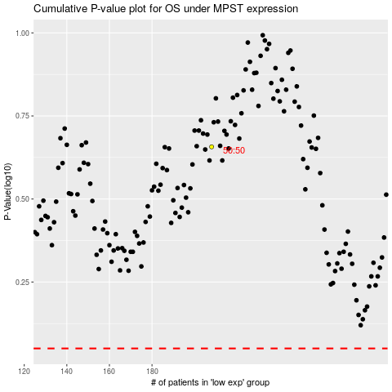

 |  |  |  |  |  | cases_OS | p_OS | rank | exp
 |  |  |  |  |  |  | cases_RFS | p_RFS | rank | exp

