MPZL3 _multivariate
Reported by Tex Li-Hsing Chi. tex@gate.sinica.edu.tw 2019-08-17

Table 2. The clinicopathological features of HNSCC cohort and MPZL3 expression. (Chi square test)
Cutoff at -0.341 (50.0%)
 |  | MPZL3 expression |  | MPZL3 expression |  | (Optimised)
 | Features | Low | (%) | High | (%) | Case no | P-value | Remark | Matthews
Gender | Female | 163 | 39.3 | 143 | 34.5 | 415 | 0.0277 | 1 | 0
2 | Male | 44 | 10.6 | 65 | 15.7
Age at diagnosis | <=65y | 138 | 33.3 | 136 | 32.8 | 415 | 0.8634 | 0 | 0
4 | >65y | 69 | 16.6 | 72 | 17.3
Clinical T Status | T1+T2 | 85 | 20.5 | 64 | 15.4 | 415 | 0.0372 | 1 | 0
6 | T3+T4 | 122 | 29.4 | 144 | 34.7
Clinical N Status | N0 | 101 | 24.3 | 115 | 27.7 | 415 | 0.2201 | 0 | 0
8 | N1-3 | 106 | 25.5 | 93 | 22.4
Clinical M Status | M0 | 204 | 49.2 | 208 | 50.1 | 415 | 0.1232 | 0 | 0
10 | M1 | 3 | 0.7 | 0 | 0
Clinical Stage | Stage I+II | 52 | 12.5 | 50 | 12 | 415 | 0.8871 | 0 | 0
12 | Stage III+IV | 155 | 37.3 | 158 | 38.1
Surgical Margin status | Negative | 153 | 36.9 | 165 | 39.8 | 415 | 0.2036 | 0 | 0
14 | Positive | 54 | 13 | 43 | 10.4
Tobacco Exposure | Low | 85 | 20.5 | 76 | 18.3 | 415 | 0.3655 | 0 | 0
16 | High | 122 | 29.4 | 132 | 31.8

Table 3. Univariate/Multivariate Cox's proportional hazards regression analyses on OS time of MPZL3 gene expression in HNSCC

 |  | Univariate |  |  |  | Multivariate
 | Features | HR | CI95%(L) | CI95%(H) | P-value | HR | CI95%(L) | CI95%(H) | P-value
1 | Female | 1 |  |  |  | 1
Gender | Male | 1.157 | 0.843 | 1.587 | 0.367 | 1.197 | 0.855 | 1.677 | 0.295
11 | <=65y | 1 |  |  |  | 1
Age at diagnosis | >65y | 1.329 | 0.99 | 1.784 | 0.058 | 1.391 | 1.023 | 1.891 | 0.035
12 | T1+T2 | 1 |  |  |  | 1
Clinical T Status | T3+T4 | 1.409 | 1.028 | 1.931 | 0.033 | 2.196 | 1.16 | 4.156 | 0.016
13 | N0 | 1 |  |  |  | 1
Clinical N Status | N1-3 | 1.185 | 0.89 | 1.577 | 0.246 | 1.243 | 0.871 | 1.774 | 0.231
14 | M0 | 1 |  |  |  | 1
Clinical M Status | M1 | 4.097 | 1.009 | 16.644 | 0.049 | 9.5 | 2.064 | 43.738 | 0.004
15 | Stage I+II | 1 |  |  |  | 1
Clinical Stage | Stage III+IV | 1.245 | 0.882 | 1.759 | 0.213 | 0.505 | 0.235 | 1.083 | 0.079
16 | Negative | 1 |  |  |  | 1
Surgical Margin status | Positive | 1.591 | 1.155 | 2.191 | 0.004 | 1.678 | 1.211 | 2.327 | 0.002
17 | Low | 1 |  |  |  | 1
Tobacco Exposure | High | 1.364 | 1.008 | 1.844 | 0.044 | 1.453 | 1.054 | 2.001 | 0.022
18 | Low | 1 |  |  |  | 1
RNAseq(z-score) | High | 1.014 | 0.76 | 1.354 | 0.924 | 1.027 | 0.762 | 1.383 | 0.863

Table 4. Univariate/Multivariate Cox's proportional hazards regression analyses on RFS time of MPZL3 gene expression in HNSCC

 |  | Univariate |  |  |  | Multivariate
 | Features | HR | CI95%(L) | CI95%(H) | P-value | HR | CI95%(L) | CI95%(H) | P-value
1 | Female | 1 |  |  |  | 1
Gender | Male | 1.157 | 0.843 | 1.587 | 0.367 | 1.197 | 0.855 | 1.677 | 0.295
11 | <=65y | 1 |  |  |  | 1
Age at diagnosis | >65y | 1.329 | 0.99 | 1.784 | 0.058 | 1.391 | 1.023 | 1.891 | 0.035
12 | T1+T2 | 1 |  |  |  | 1
Clinical T Status | T3+T4 | 1.409 | 1.028 | 1.931 | 0.033 | 2.196 | 1.16 | 4.156 | 0.016
13 | N0 | 1 |  |  |  | 1
Clinical N Status | N1-3 | 1.185 | 0.89 | 1.577 | 0.246 | 1.243 | 0.871 | 1.774 | 0.231
14 | M0 | 1 |  |  |  | 1
Clinical M Status | M1 | 4.097 | 1.009 | 16.644 | 0.049 | 9.5 | 2.064 | 43.738 | 0.004
15 | Stage I+II | 1 |  |  |  | 1
Clinical Stage | Stage III+IV | 1.245 | 0.882 | 1.759 | 0.213 | 0.505 | 0.235 | 1.083 | 0.079
16 | Negative | 1 |  |  |  | 1
Surgical Margin status | Positive | 1.591 | 1.155 | 2.191 | 0.004 | 1.678 | 1.211 | 2.327 | 0.002
17 | Low | 1 |  |  |  | 1
Tobacco Exposure | High | 1.364 | 1.008 | 1.844 | 0.044 | 1.453 | 1.054 | 2.001 | 0.022
18 | Low | 1 |  |  |  | 1
RNAseq(z-score) | High | 1.014 | 0.76 | 1.354 | 0.924 | 1.027 | 0.762 | 1.383 | 0.863

Kaplan-Meier survival estimate: Cutoff at -0.341 (50.0%)



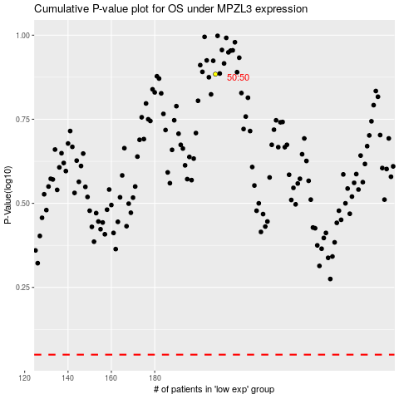

 |  |  |  |  |  | cases_OS | p_OS | rank | exp
 |  |  |  |  |  |  | cases_RFS | p_RFS | rank | exp

