MR1 _multivariate
Reported by Tex Li-Hsing Chi. tex@gate.sinica.edu.tw 2019-08-17

Table 2. The clinicopathological features of HNSCC cohort and MR1 expression. (Chi square test)
Cutoff at -0.125 (50.0%)
 |  | MR1 expression |  | MR1 expression |  | (Optimised)
 | Features | Low | (%) | High | (%) | Case no | P-value | Remark | Matthews
Gender | Female | 151 | 36.4 | 155 | 37.3 | 415 | 0.8007 | 0 | 0
2 | Male | 56 | 13.5 | 53 | 12.8
Age at diagnosis | <=65y | 140 | 33.7 | 134 | 32.3 | 415 | 0.5574 | 0 | 0
4 | >65y | 67 | 16.1 | 74 | 17.8
Clinical T Status | T1+T2 | 79 | 19 | 70 | 16.9 | 415 | 0.3924 | 0 | 0
6 | T3+T4 | 128 | 30.8 | 138 | 33.3
Clinical N Status | N0 | 110 | 26.5 | 106 | 25.5 | 415 | 0.7294 | 0 | 0
8 | N1-3 | 97 | 23.4 | 102 | 24.6
Clinical M Status | M0 | 207 | 49.9 | 205 | 49.4 | 415 | 0.2482 | 0 | 0
10 | M1 | 0 | 0 | 3 | 0.7
Clinical Stage | Stage I+II | 53 | 12.8 | 49 | 11.8 | 415 | 0.7113 | 0 | 0
12 | Stage III+IV | 154 | 37.1 | 159 | 38.3
Surgical Margin status | Negative | 156 | 37.6 | 162 | 39 | 415 | 0.5636 | 0 | 0
14 | Positive | 51 | 12.3 | 46 | 11.1
Tobacco Exposure | Low | 76 | 18.3 | 85 | 20.5 | 415 | 0.4207 | 0 | 0
16 | High | 131 | 31.6 | 123 | 29.6

Table 3. Univariate/Multivariate Cox's proportional hazards regression analyses on OS time of MR1 gene expression in HNSCC

 |  | Univariate |  |  |  | Multivariate
 | Features | HR | CI95%(L) | CI95%(H) | P-value | HR | CI95%(L) | CI95%(H) | P-value
1 | Female | 1 |  |  |  | 1
Gender | Male | 1.157 | 0.843 | 1.587 | 0.367 | 1.207 | 0.865 | 1.685 | 0.269
11 | <=65y | 1 |  |  |  | 1
Age at diagnosis | >65y | 1.329 | 0.99 | 1.784 | 0.058 | 1.387 | 1.021 | 1.885 | 0.037
12 | T1+T2 | 1 |  |  |  | 1
Clinical T Status | T3+T4 | 1.409 | 1.028 | 1.931 | 0.033 | 2.183 | 1.154 | 4.13 | 0.016
13 | N0 | 1 |  |  |  | 1
Clinical N Status | N1-3 | 1.185 | 0.89 | 1.577 | 0.246 | 1.233 | 0.864 | 1.76 | 0.248
14 | M0 | 1 |  |  |  | 1
Clinical M Status | M1 | 4.097 | 1.009 | 16.644 | 0.049 | 8.69 | 1.884 | 40.09 | 0.006
15 | Stage I+II | 1 |  |  |  | 1
Clinical Stage | Stage III+IV | 1.245 | 0.882 | 1.759 | 0.213 | 0.507 | 0.236 | 1.088 | 0.081
16 | Negative | 1 |  |  |  | 1
Surgical Margin status | Positive | 1.591 | 1.155 | 2.191 | 0.004 | 1.678 | 1.214 | 2.321 | 0.002
17 | Low | 1 |  |  |  | 1
Tobacco Exposure | High | 1.364 | 1.008 | 1.844 | 0.044 | 1.471 | 1.067 | 2.028 | 0.019
18 | Low | 1 |  |  |  | 1
RNAseq(z-score) | High | 1.176 | 0.882 | 1.569 | 0.27 | 1.175 | 0.879 | 1.572 | 0.276

Table 4. Univariate/Multivariate Cox's proportional hazards regression analyses on RFS time of MR1 gene expression in HNSCC

 |  | Univariate |  |  |  | Multivariate
 | Features | HR | CI95%(L) | CI95%(H) | P-value | HR | CI95%(L) | CI95%(H) | P-value
1 | Female | 1 |  |  |  | 1
Gender | Male | 1.157 | 0.843 | 1.587 | 0.367 | 1.207 | 0.865 | 1.685 | 0.269
11 | <=65y | 1 |  |  |  | 1
Age at diagnosis | >65y | 1.329 | 0.99 | 1.784 | 0.058 | 1.387 | 1.021 | 1.885 | 0.037
12 | T1+T2 | 1 |  |  |  | 1
Clinical T Status | T3+T4 | 1.409 | 1.028 | 1.931 | 0.033 | 2.183 | 1.154 | 4.13 | 0.016
13 | N0 | 1 |  |  |  | 1
Clinical N Status | N1-3 | 1.185 | 0.89 | 1.577 | 0.246 | 1.233 | 0.864 | 1.76 | 0.248
14 | M0 | 1 |  |  |  | 1
Clinical M Status | M1 | 4.097 | 1.009 | 16.644 | 0.049 | 8.69 | 1.884 | 40.09 | 0.006
15 | Stage I+II | 1 |  |  |  | 1
Clinical Stage | Stage III+IV | 1.245 | 0.882 | 1.759 | 0.213 | 0.507 | 0.236 | 1.088 | 0.081
16 | Negative | 1 |  |  |  | 1
Surgical Margin status | Positive | 1.591 | 1.155 | 2.191 | 0.004 | 1.678 | 1.214 | 2.321 | 0.002
17 | Low | 1 |  |  |  | 1
Tobacco Exposure | High | 1.364 | 1.008 | 1.844 | 0.044 | 1.471 | 1.067 | 2.028 | 0.019
18 | Low | 1 |  |  |  | 1
RNAseq(z-score) | High | 1.176 | 0.882 | 1.569 | 0.27 | 1.175 | 0.879 | 1.572 | 0.276

Kaplan-Meier survival estimate: Cutoff at -0.125 (50.0%)

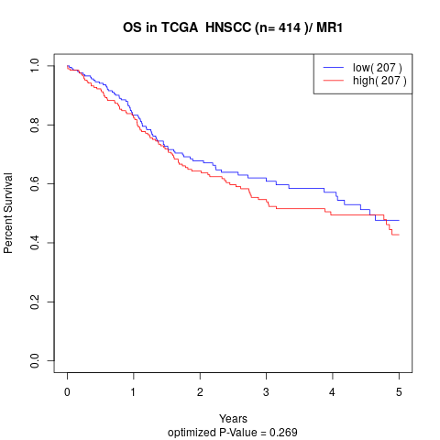

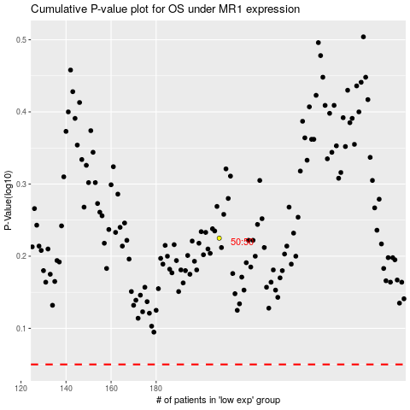

 |  |  |  |  |  | cases_OS | p_OS | rank | exp
 |  |  |  |  |  |  | cases_RFS | p_RFS | rank | exp

