MRC1 _multivariate
Reported by Tex Li-Hsing Chi. tex@gate.sinica.edu.tw 2019-08-17

Table 2. The clinicopathological features of HNSCC cohort and MRC1 expression. (Chi square test)
Cutoff at -0.282 (50.0%)
 |  | MRC1 expression |  | MRC1 expression |  | (Optimised)
 | Features | Low | (%) | High | (%) | Case no | P-value | Remark | Matthews
Gender | Female | 157 | 37.8 | 149 | 35.9 | 415 | 0.3881 | 0 | 0
2 | Male | 50 | 12 | 59 | 14.2
Age at diagnosis | <=65y | 143 | 34.5 | 131 | 31.6 | 415 | 0.2269 | 0 | 0
4 | >65y | 64 | 15.4 | 77 | 18.6
Clinical T Status | T1+T2 | 83 | 20 | 66 | 15.9 | 415 | 0.0941 | 0 | 0
6 | T3+T4 | 124 | 29.9 | 142 | 34.2
Clinical N Status | N0 | 110 | 26.5 | 106 | 25.5 | 415 | 0.7294 | 0 | 0
8 | N1-3 | 97 | 23.4 | 102 | 24.6
Clinical M Status | M0 | 205 | 49.4 | 207 | 49.9 | 415 | 0.6232 | 0 | 0
10 | M1 | 2 | 0.5 | 1 | 0.2
Clinical Stage | Stage I+II | 57 | 13.7 | 45 | 10.8 | 415 | 0.1998 | 0 | 0
12 | Stage III+IV | 150 | 36.1 | 163 | 39.3
Surgical Margin status | Negative | 154 | 37.1 | 164 | 39.5 | 415 | 0.2984 | 0 | 0
14 | Positive | 53 | 12.8 | 44 | 10.6
Tobacco Exposure | Low | 74 | 17.8 | 87 | 21 | 415 | 0.227 | 0 | 0
16 | High | 133 | 32 | 121 | 29.2

Table 3. Univariate/Multivariate Cox's proportional hazards regression analyses on OS time of MRC1 gene expression in HNSCC

 |  | Univariate |  |  |  | Multivariate
 | Features | HR | CI95%(L) | CI95%(H) | P-value | HR | CI95%(L) | CI95%(H) | P-value
1 | Female | 1 |  |  |  | 1
Gender | Male | 1.157 | 0.843 | 1.587 | 0.367 | 1.2 | 0.859 | 1.676 | 0.285
11 | <=65y | 1 |  |  |  | 1
Age at diagnosis | >65y | 1.329 | 0.99 | 1.784 | 0.058 | 1.39 | 1.022 | 1.89 | 0.036
12 | T1+T2 | 1 |  |  |  | 1
Clinical T Status | T3+T4 | 1.409 | 1.028 | 1.931 | 0.033 | 2.179 | 1.151 | 4.123 | 0.017
13 | N0 | 1 |  |  |  | 1
Clinical N Status | N1-3 | 1.185 | 0.89 | 1.577 | 0.246 | 1.248 | 0.874 | 1.781 | 0.223
14 | M0 | 1 |  |  |  | 1
Clinical M Status | M1 | 4.097 | 1.009 | 16.644 | 0.049 | 9.386 | 2.048 | 43.018 | 0.004
15 | Stage I+II | 1 |  |  |  | 1
Clinical Stage | Stage III+IV | 1.245 | 0.882 | 1.759 | 0.213 | 0.508 | 0.237 | 1.09 | 0.082
16 | Negative | 1 |  |  |  | 1
Surgical Margin status | Positive | 1.591 | 1.155 | 2.191 | 0.004 | 1.672 | 1.211 | 2.311 | 0.002
17 | Low | 1 |  |  |  | 1
Tobacco Exposure | High | 1.364 | 1.008 | 1.844 | 0.044 | 1.461 | 1.06 | 2.013 | 0.021
18 | Low | 1 |  |  |  | 1
RNAseq(z-score) | High | 1.099 | 0.825 | 1.464 | 0.52 | 1.093 | 0.819 | 1.46 | 0.545

Table 4. Univariate/Multivariate Cox's proportional hazards regression analyses on RFS time of MRC1 gene expression in HNSCC

 |  | Univariate |  |  |  | Multivariate
 | Features | HR | CI95%(L) | CI95%(H) | P-value | HR | CI95%(L) | CI95%(H) | P-value
1 | Female | 1 |  |  |  | 1
Gender | Male | 1.157 | 0.843 | 1.587 | 0.367 | 1.2 | 0.859 | 1.676 | 0.285
11 | <=65y | 1 |  |  |  | 1
Age at diagnosis | >65y | 1.329 | 0.99 | 1.784 | 0.058 | 1.39 | 1.022 | 1.89 | 0.036
12 | T1+T2 | 1 |  |  |  | 1
Clinical T Status | T3+T4 | 1.409 | 1.028 | 1.931 | 0.033 | 2.179 | 1.151 | 4.123 | 0.017
13 | N0 | 1 |  |  |  | 1
Clinical N Status | N1-3 | 1.185 | 0.89 | 1.577 | 0.246 | 1.248 | 0.874 | 1.781 | 0.223
14 | M0 | 1 |  |  |  | 1
Clinical M Status | M1 | 4.097 | 1.009 | 16.644 | 0.049 | 9.386 | 2.048 | 43.018 | 0.004
15 | Stage I+II | 1 |  |  |  | 1
Clinical Stage | Stage III+IV | 1.245 | 0.882 | 1.759 | 0.213 | 0.508 | 0.237 | 1.09 | 0.082
16 | Negative | 1 |  |  |  | 1
Surgical Margin status | Positive | 1.591 | 1.155 | 2.191 | 0.004 | 1.672 | 1.211 | 2.311 | 0.002
17 | Low | 1 |  |  |  | 1
Tobacco Exposure | High | 1.364 | 1.008 | 1.844 | 0.044 | 1.461 | 1.06 | 2.013 | 0.021
18 | Low | 1 |  |  |  | 1
RNAseq(z-score) | High | 1.099 | 0.825 | 1.464 | 0.52 | 1.093 | 0.819 | 1.46 | 0.545

Kaplan-Meier survival estimate: Cutoff at -0.282 (50.0%)



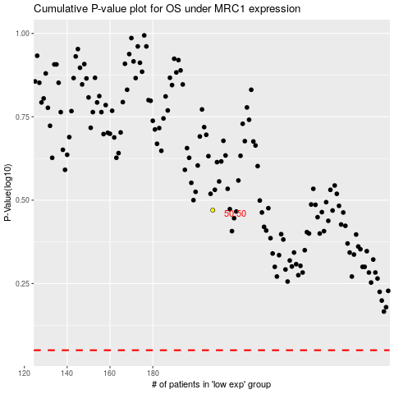

 |  |  |  |  |  | cases_OS | p_OS | rank | exp
 |  |  |  |  |  |  | cases_RFS | p_RFS | rank | exp

