MRE11A _multivariate
Reported by Tex Li-Hsing Chi. tex@gate.sinica.edu.tw 2019-08-17

Table 2. The clinicopathological features of HNSCC cohort and MRE11A expression. (Chi square test)
Cutoff at -0.169 (49.8%)
 |  | MRE11A expression |  | MRE11A expression |  | (Optimised)
 | Features | Low | (%) | High | (%) | Case no | P-value | Remark | Matthews
Gender | Female | 146 | 35.2 | 160 | 38.6 | 415 | 0.1714 | 0 | 0
2 | Male | 61 | 14.7 | 48 | 11.6
Age at diagnosis | <=65y | 128 | 30.8 | 146 | 35.2 | 415 | 0.0904 | 0 | 0
4 | >65y | 79 | 19 | 62 | 14.9
Clinical T Status | T1+T2 | 71 | 17.1 | 78 | 18.8 | 415 | 0.5638 | 0 | 0
6 | T3+T4 | 136 | 32.8 | 130 | 31.3
Clinical N Status | N0 | 95 | 22.9 | 121 | 29.2 | 415 | 0.0162 | 1 | 0
8 | N1-3 | 112 | 27 | 87 | 21
Clinical M Status | M0 | 205 | 49.4 | 207 | 49.9 | 415 | 0.6232 | 0 | 0
10 | M1 | 2 | 0.5 | 1 | 0.2
Clinical Stage | Stage I+II | 48 | 11.6 | 54 | 13 | 415 | 0.5878 | 0 | 0
12 | Stage III+IV | 159 | 38.3 | 154 | 37.1
Surgical Margin status | Negative | 161 | 38.8 | 157 | 37.8 | 415 | 0.6429 | 0 | 0
14 | Positive | 46 | 11.1 | 51 | 12.3
Tobacco Exposure | Low | 75 | 18.1 | 86 | 20.7 | 415 | 0.3141 | 0 | 0
16 | High | 132 | 31.8 | 122 | 29.4

Table 3. Univariate/Multivariate Cox's proportional hazards regression analyses on OS time of MRE11A gene expression in HNSCC

 |  | Univariate |  |  |  | Multivariate
 | Features | HR | CI95%(L) | CI95%(H) | P-value | HR | CI95%(L) | CI95%(H) | P-value
1 | Female | 1 |  |  |  | 1
Gender | Male | 1.157 | 0.843 | 1.587 | 0.367 | 1.24 | 0.885 | 1.736 | 0.211
11 | <=65y | 1 |  |  |  | 1
Age at diagnosis | >65y | 1.329 | 0.99 | 1.784 | 0.058 | 1.421 | 1.044 | 1.935 | 0.025
12 | T1+T2 | 1 |  |  |  | 1
Clinical T Status | T3+T4 | 1.409 | 1.028 | 1.931 | 0.033 | 2.26 | 1.195 | 4.276 | 0.012
13 | N0 | 1 |  |  |  | 1
Clinical N Status | N1-3 | 1.185 | 0.89 | 1.577 | 0.246 | 1.296 | 0.903 | 1.859 | 0.159
14 | M0 | 1 |  |  |  | 1
Clinical M Status | M1 | 4.097 | 1.009 | 16.644 | 0.049 | 10.222 | 2.22 | 47.07 | 0.003
15 | Stage I+II | 1 |  |  |  | 1
Clinical Stage | Stage III+IV | 1.245 | 0.882 | 1.759 | 0.213 | 0.48 | 0.223 | 1.034 | 0.061
16 | Negative | 1 |  |  |  | 1
Surgical Margin status | Positive | 1.591 | 1.155 | 2.191 | 0.004 | 1.661 | 1.202 | 2.295 | 0.002
17 | Low | 1 |  |  |  | 1
Tobacco Exposure | High | 1.364 | 1.008 | 1.844 | 0.044 | 1.501 | 1.086 | 2.075 | 0.014
18 | Low | 1 |  |  |  | 1
RNAseq(z-score) | High | 1.053 | 0.79 | 1.403 | 0.727 | 1.235 | 0.914 | 1.668 | 0.169

Table 4. Univariate/Multivariate Cox's proportional hazards regression analyses on RFS time of MRE11A gene expression in HNSCC

 |  | Univariate |  |  |  | Multivariate
 | Features | HR | CI95%(L) | CI95%(H) | P-value | HR | CI95%(L) | CI95%(H) | P-value
1 | Female | 1 |  |  |  | 1
Gender | Male | 1.157 | 0.843 | 1.587 | 0.367 | 1.24 | 0.885 | 1.736 | 0.211
11 | <=65y | 1 |  |  |  | 1
Age at diagnosis | >65y | 1.329 | 0.99 | 1.784 | 0.058 | 1.421 | 1.044 | 1.935 | 0.025
12 | T1+T2 | 1 |  |  |  | 1
Clinical T Status | T3+T4 | 1.409 | 1.028 | 1.931 | 0.033 | 2.26 | 1.195 | 4.276 | 0.012
13 | N0 | 1 |  |  |  | 1
Clinical N Status | N1-3 | 1.185 | 0.89 | 1.577 | 0.246 | 1.296 | 0.903 | 1.859 | 0.159
14 | M0 | 1 |  |  |  | 1
Clinical M Status | M1 | 4.097 | 1.009 | 16.644 | 0.049 | 10.222 | 2.22 | 47.07 | 0.003
15 | Stage I+II | 1 |  |  |  | 1
Clinical Stage | Stage III+IV | 1.245 | 0.882 | 1.759 | 0.213 | 0.48 | 0.223 | 1.034 | 0.061
16 | Negative | 1 |  |  |  | 1
Surgical Margin status | Positive | 1.591 | 1.155 | 2.191 | 0.004 | 1.661 | 1.202 | 2.295 | 0.002
17 | Low | 1 |  |  |  | 1
Tobacco Exposure | High | 1.364 | 1.008 | 1.844 | 0.044 | 1.501 | 1.086 | 2.075 | 0.014
18 | Low | 1 |  |  |  | 1
RNAseq(z-score) | High | 1.053 | 0.79 | 1.403 | 0.727 | 1.235 | 0.914 | 1.668 | 0.169

Kaplan-Meier survival estimate: Cutoff at -0.169 (49.8%)



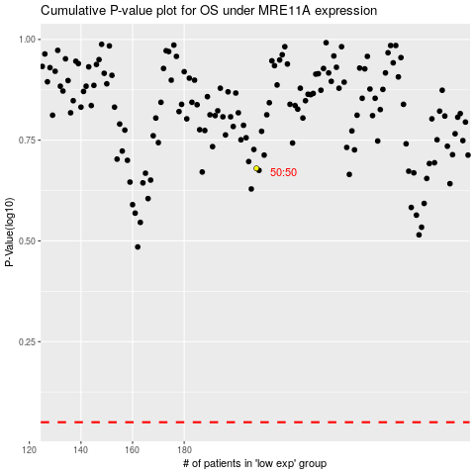

 |  |  |  |  |  | cases_OS | p_OS | rank | exp
 |  |  |  |  |  |  | cases_RFS | p_RFS | rank | exp

