MRFAP1 _multivariate
Reported by Tex Li-Hsing Chi. tex@gate.sinica.edu.tw 2019-08-17

Table 2. The clinicopathological features of HNSCC cohort and MRFAP1 expression. (Chi square test)
Cutoff at 0.238 (67.1%)
 |  | MRFAP1 expression |  | MRFAP1 expression |  | (Optimised)
 | Features | Low | (%) | High | (%) | Case no | P-value | Remark | Matthews
Gender | Female | 206 | 49.6 | 100 | 24.1 | 415 | 0.9024 | 0 | 0
2 | Male | 72 | 17.3 | 37 | 8.9
Age at diagnosis | <=65y | 185 | 44.6 | 89 | 21.4 | 415 | 0.8336 | 0 | 0
4 | >65y | 93 | 22.4 | 48 | 11.6
Clinical T Status | T1+T2 | 99 | 23.9 | 50 | 12 | 415 | 0.9459 | 0 | 0
6 | T3+T4 | 179 | 43.1 | 87 | 21
Clinical N Status | N0 | 146 | 35.2 | 70 | 16.9 | 415 | 0.8663 | 0 | 0
8 | N1-3 | 132 | 31.8 | 67 | 16.1
Clinical M Status | M0 | 277 | 66.7 | 135 | 32.5 | 415 | 0.2544 | 0 | 0
10 | M1 | 1 | 0.2 | 2 | 0.5
Clinical Stage | Stage I+II | 68 | 16.4 | 34 | 8.2 | 415 | 1 | 0 | 0
12 | Stage III+IV | 210 | 50.6 | 103 | 24.8
Surgical Margin status | Negative | 213 | 51.3 | 105 | 25.3 | 415 | 1 | 0 | 0
14 | Positive | 65 | 15.7 | 32 | 7.7
Tobacco Exposure | Low | 110 | 26.5 | 51 | 12.3 | 415 | 0.6695 | 0 | 0
16 | High | 168 | 40.5 | 86 | 20.7

Table 3. Univariate/Multivariate Cox's proportional hazards regression analyses on OS time of MRFAP1 gene expression in HNSCC

 |  | Univariate |  |  |  | Multivariate
 | Features | HR | CI95%(L) | CI95%(H) | P-value | HR | CI95%(L) | CI95%(H) | P-value
1 | Female | 1 |  |  |  | 1
Gender | Male | 1.157 | 0.843 | 1.587 | 0.367 | 1.195 | 0.856 | 1.668 | 0.295
11 | <=65y | 1 |  |  |  | 1
Age at diagnosis | >65y | 1.329 | 0.99 | 1.784 | 0.058 | 1.371 | 1.009 | 1.865 | 0.044
12 | T1+T2 | 1 |  |  |  | 1
Clinical T Status | T3+T4 | 1.409 | 1.028 | 1.931 | 0.033 | 2.22 | 1.175 | 4.196 | 0.014
13 | N0 | 1 |  |  |  | 1
Clinical N Status | N1-3 | 1.185 | 0.89 | 1.577 | 0.246 | 1.249 | 0.876 | 1.782 | 0.219
14 | M0 | 1 |  |  |  | 1
Clinical M Status | M1 | 4.097 | 1.009 | 16.644 | 0.049 | 8.401 | 1.819 | 38.799 | 0.006
15 | Stage I+II | 1 |  |  |  | 1
Clinical Stage | Stage III+IV | 1.245 | 0.882 | 1.759 | 0.213 | 0.5 | 0.233 | 1.074 | 0.076
16 | Negative | 1 |  |  |  | 1
Surgical Margin status | Positive | 1.591 | 1.155 | 2.191 | 0.004 | 1.639 | 1.186 | 2.266 | 0.003
17 | Low | 1 |  |  |  | 1
Tobacco Exposure | High | 1.364 | 1.008 | 1.844 | 0.044 | 1.43 | 1.039 | 1.97 | 0.028
18 | Low | 1 |  |  |  | 1
RNAseq(z-score) | High | 1.366 | 1.012 | 1.844 | 0.042 | 1.258 | 0.928 | 1.703 | 0.139

Table 4. Univariate/Multivariate Cox's proportional hazards regression analyses on RFS time of MRFAP1 gene expression in HNSCC

 |  | Univariate |  |  |  | Multivariate
 | Features | HR | CI95%(L) | CI95%(H) | P-value | HR | CI95%(L) | CI95%(H) | P-value
1 | Female | 1 |  |  |  | 1
Gender | Male | 1.157 | 0.843 | 1.587 | 0.367 | 1.195 | 0.856 | 1.668 | 0.295
11 | <=65y | 1 |  |  |  | 1
Age at diagnosis | >65y | 1.329 | 0.99 | 1.784 | 0.058 | 1.371 | 1.009 | 1.865 | 0.044
12 | T1+T2 | 1 |  |  |  | 1
Clinical T Status | T3+T4 | 1.409 | 1.028 | 1.931 | 0.033 | 2.22 | 1.175 | 4.196 | 0.014
13 | N0 | 1 |  |  |  | 1
Clinical N Status | N1-3 | 1.185 | 0.89 | 1.577 | 0.246 | 1.249 | 0.876 | 1.782 | 0.219
14 | M0 | 1 |  |  |  | 1
Clinical M Status | M1 | 4.097 | 1.009 | 16.644 | 0.049 | 8.401 | 1.819 | 38.799 | 0.006
15 | Stage I+II | 1 |  |  |  | 1
Clinical Stage | Stage III+IV | 1.245 | 0.882 | 1.759 | 0.213 | 0.5 | 0.233 | 1.074 | 0.076
16 | Negative | 1 |  |  |  | 1
Surgical Margin status | Positive | 1.591 | 1.155 | 2.191 | 0.004 | 1.639 | 1.186 | 2.266 | 0.003
17 | Low | 1 |  |  |  | 1
Tobacco Exposure | High | 1.364 | 1.008 | 1.844 | 0.044 | 1.43 | 1.039 | 1.97 | 0.028
18 | Low | 1 |  |  |  | 1
RNAseq(z-score) | High | 1.366 | 1.012 | 1.844 | 0.042 | 1.258 | 0.928 | 1.703 | 0.139

Kaplan-Meier survival estimate: Cutoff at 0.238 (67.1%)



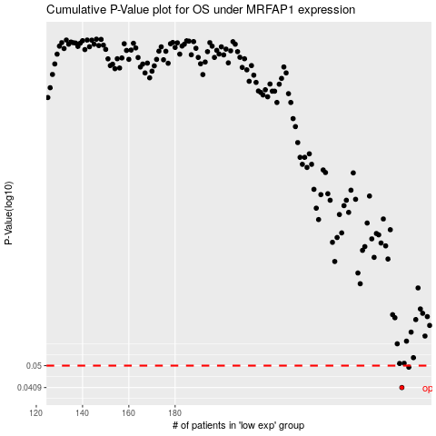

 |  |  |  |  |  | cases_OS | p_OS | rank | exp
 |  |  |  |  |  | 278 | 0.0409 | 375 | 0.23800465408
 |  |  |  |  |  | 281 | 0.0493 | 159 | 0.24674753139
 |  |  |  |  |  |  | cases_RFS | p_RFS | rank | exp
 |  |  |  |  |  |  | 277 | 0.0409 | 174 | 0.23343176664
 |  |  |  |  |  |  | 280 | 0.0493 | 130 | 0.24659926312

