MRFAP1L1 _multivariate
Reported by Tex Li-Hsing Chi. tex@gate.sinica.edu.tw 2019-08-17

Table 2. The clinicopathological features of HNSCC cohort and MRFAP1L1 expression. (Chi square test)
Cutoff at -0.208 (50.0%)
 |  | MRFAP1L1 expression |  | MRFAP1L1 expression |  | (Optimised)
 | Features | Low | (%) | High | (%) | Case no | P-value | Remark | Matthews
Gender | Female | 154 | 37.1 | 152 | 36.6 | 415 | 0.8463 | 0 | 0
2 | Male | 53 | 12.8 | 56 | 13.5
Age at diagnosis | <=65y | 132 | 31.8 | 142 | 34.2 | 415 | 0.3874 | 0 | 0
4 | >65y | 75 | 18.1 | 66 | 15.9
Clinical T Status | T1+T2 | 72 | 17.3 | 77 | 18.6 | 415 | 0.7095 | 0 | 0
6 | T3+T4 | 135 | 32.5 | 131 | 31.6
Clinical N Status | N0 | 109 | 26.3 | 107 | 25.8 | 415 | 0.8812 | 0 | 0
8 | N1-3 | 98 | 23.6 | 101 | 24.3
Clinical M Status | M0 | 206 | 49.6 | 206 | 49.6 | 415 | 1 | 0 | 0
10 | M1 | 1 | 0.2 | 2 | 0.5
Clinical Stage | Stage I+II | 50 | 12 | 52 | 12.5 | 415 | 0.9315 | 0 | 0
12 | Stage III+IV | 157 | 37.8 | 156 | 37.6
Surgical Margin status | Negative | 160 | 38.6 | 158 | 38.1 | 415 | 0.8167 | 0 | 0
14 | Positive | 47 | 11.3 | 50 | 12
Tobacco Exposure | Low | 73 | 17.6 | 88 | 21.2 | 415 | 0.1587 | 0 | 0
16 | High | 134 | 32.3 | 120 | 28.9

Table 3. Univariate/Multivariate Cox's proportional hazards regression analyses on OS time of MRFAP1L1 gene expression in HNSCC

 |  | Univariate |  |  |  | Multivariate
 | Features | HR | CI95%(L) | CI95%(H) | P-value | HR | CI95%(L) | CI95%(H) | P-value
1 | Female | 1 |  |  |  | 1
Gender | Male | 1.157 | 0.843 | 1.587 | 0.367 | 1.195 | 0.855 | 1.671 | 0.297
11 | <=65y | 1 |  |  |  | 1
Age at diagnosis | >65y | 1.329 | 0.99 | 1.784 | 0.058 | 1.386 | 1.019 | 1.884 | 0.038
12 | T1+T2 | 1 |  |  |  | 1
Clinical T Status | T3+T4 | 1.409 | 1.028 | 1.931 | 0.033 | 2.193 | 1.16 | 4.145 | 0.016
13 | N0 | 1 |  |  |  | 1
Clinical N Status | N1-3 | 1.185 | 0.89 | 1.577 | 0.246 | 1.241 | 0.869 | 1.771 | 0.234
14 | M0 | 1 |  |  |  | 1
Clinical M Status | M1 | 4.097 | 1.009 | 16.644 | 0.049 | 9.853 | 2.145 | 45.255 | 0.003
15 | Stage I+II | 1 |  |  |  | 1
Clinical Stage | Stage III+IV | 1.245 | 0.882 | 1.759 | 0.213 | 0.51 | 0.237 | 1.094 | 0.084
16 | Negative | 1 |  |  |  | 1
Surgical Margin status | Positive | 1.591 | 1.155 | 2.191 | 0.004 | 1.688 | 1.221 | 2.333 | 0.002
17 | Low | 1 |  |  |  | 1
Tobacco Exposure | High | 1.364 | 1.008 | 1.844 | 0.044 | 1.436 | 1.041 | 1.982 | 0.027
18 | Low | 1 |  |  |  | 1
RNAseq(z-score) | High | 0.835 | 0.626 | 1.113 | 0.219 | 0.843 | 0.631 | 1.125 | 0.246

Table 4. Univariate/Multivariate Cox's proportional hazards regression analyses on RFS time of MRFAP1L1 gene expression in HNSCC

 |  | Univariate |  |  |  | Multivariate
 | Features | HR | CI95%(L) | CI95%(H) | P-value | HR | CI95%(L) | CI95%(H) | P-value
1 | Female | 1 |  |  |  | 1
Gender | Male | 1.157 | 0.843 | 1.587 | 0.367 | 1.195 | 0.855 | 1.671 | 0.297
11 | <=65y | 1 |  |  |  | 1
Age at diagnosis | >65y | 1.329 | 0.99 | 1.784 | 0.058 | 1.386 | 1.019 | 1.884 | 0.038
12 | T1+T2 | 1 |  |  |  | 1
Clinical T Status | T3+T4 | 1.409 | 1.028 | 1.931 | 0.033 | 2.193 | 1.16 | 4.145 | 0.016
13 | N0 | 1 |  |  |  | 1
Clinical N Status | N1-3 | 1.185 | 0.89 | 1.577 | 0.246 | 1.241 | 0.869 | 1.771 | 0.234
14 | M0 | 1 |  |  |  | 1
Clinical M Status | M1 | 4.097 | 1.009 | 16.644 | 0.049 | 9.853 | 2.145 | 45.255 | 0.003
15 | Stage I+II | 1 |  |  |  | 1
Clinical Stage | Stage III+IV | 1.245 | 0.882 | 1.759 | 0.213 | 0.51 | 0.237 | 1.094 | 0.084
16 | Negative | 1 |  |  |  | 1
Surgical Margin status | Positive | 1.591 | 1.155 | 2.191 | 0.004 | 1.688 | 1.221 | 2.333 | 0.002
17 | Low | 1 |  |  |  | 1
Tobacco Exposure | High | 1.364 | 1.008 | 1.844 | 0.044 | 1.436 | 1.041 | 1.982 | 0.027
18 | Low | 1 |  |  |  | 1
RNAseq(z-score) | High | 0.835 | 0.626 | 1.113 | 0.219 | 0.843 | 0.631 | 1.125 | 0.246

Kaplan-Meier survival estimate: Cutoff at -0.208 (50.0%)



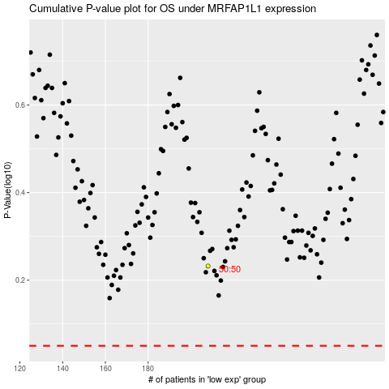

 |  |  |  |  |  | cases_OS | p_OS | rank | exp
 |  |  |  |  |  |  | cases_RFS | p_RFS | rank | exp

