MRGPRX3 _multivariate
Reported by Tex Li-Hsing Chi. tex@gate.sinica.edu.tw 2019-08-17

Table 2. The clinicopathological features of HNSCC cohort and MRGPRX3 expression. (Chi square test)
Cutoff at -0.305 (49.8%)
 |  | MRGPRX3 expression |  | MRGPRX3 expression |  | (Optimised)
 | Features | Low | (%) | High | (%) | Case no | P-value | Remark | Matthews
Gender | Female | 156 | 37.6 | 150 | 36.1 | 415 | 0.5222 | 0 | 0
2 | Male | 51 | 12.3 | 58 | 14
Age at diagnosis | <=65y | 138 | 33.3 | 136 | 32.8 | 415 | 0.8634 | 0 | 0
4 | >65y | 69 | 16.6 | 72 | 17.3
Clinical T Status | T1+T2 | 91 | 21.9 | 58 | 14 | 415 | 9e-04 | 1 | 0
6 | T3+T4 | 116 | 28 | 150 | 36.1
Clinical N Status | N0 | 107 | 25.8 | 109 | 26.3 | 415 | 0.9624 | 0 | 0
8 | N1-3 | 100 | 24.1 | 99 | 23.9
Clinical M Status | M0 | 205 | 49.4 | 207 | 49.9 | 415 | 0.6232 | 0 | 0
10 | M1 | 2 | 0.5 | 1 | 0.2
Clinical Stage | Stage I+II | 62 | 14.9 | 40 | 9.6 | 415 | 0.0154 | 1 | 0
12 | Stage III+IV | 145 | 34.9 | 168 | 40.5
Surgical Margin status | Negative | 162 | 39 | 156 | 37.6 | 415 | 0.4867 | 0 | 0
14 | Positive | 45 | 10.8 | 52 | 12.5
Tobacco Exposure | Low | 77 | 18.6 | 84 | 20.2 | 415 | 0.5459 | 0 | 0
16 | High | 130 | 31.3 | 124 | 29.9

Table 3. Univariate/Multivariate Cox's proportional hazards regression analyses on OS time of MRGPRX3 gene expression in HNSCC

 |  | Univariate |  |  |  | Multivariate
 | Features | HR | CI95%(L) | CI95%(H) | P-value | HR | CI95%(L) | CI95%(H) | P-value
1 | Female | 1 |  |  |  | 1
Gender | Male | 1.157 | 0.843 | 1.587 | 0.367 | 1.217 | 0.871 | 1.699 | 0.25
11 | <=65y | 1 |  |  |  | 1
Age at diagnosis | >65y | 1.329 | 0.99 | 1.784 | 0.058 | 1.389 | 1.021 | 1.889 | 0.036
12 | T1+T2 | 1 |  |  |  | 1
Clinical T Status | T3+T4 | 1.409 | 1.028 | 1.931 | 0.033 | 2.27 | 1.197 | 4.304 | 0.012
13 | N0 | 1 |  |  |  | 1
Clinical N Status | N1-3 | 1.185 | 0.89 | 1.577 | 0.246 | 1.238 | 0.868 | 1.766 | 0.238
14 | M0 | 1 |  |  |  | 1
Clinical M Status | M1 | 4.097 | 1.009 | 16.644 | 0.049 | 9.517 | 2.075 | 43.645 | 0.004
15 | Stage I+II | 1 |  |  |  | 1
Clinical Stage | Stage III+IV | 1.245 | 0.882 | 1.759 | 0.213 | 0.5 | 0.233 | 1.074 | 0.076
16 | Negative | 1 |  |  |  | 1
Surgical Margin status | Positive | 1.591 | 1.155 | 2.191 | 0.004 | 1.703 | 1.23 | 2.359 | 0.001
17 | Low | 1 |  |  |  | 1
Tobacco Exposure | High | 1.364 | 1.008 | 1.844 | 0.044 | 1.444 | 1.048 | 1.989 | 0.025
18 | Low | 1 |  |  |  | 1
RNAseq(z-score) | High | 0.928 | 0.697 | 1.236 | 0.609 | 0.851 | 0.636 | 1.138 | 0.276

Table 4. Univariate/Multivariate Cox's proportional hazards regression analyses on RFS time of MRGPRX3 gene expression in HNSCC

 |  | Univariate |  |  |  | Multivariate
 | Features | HR | CI95%(L) | CI95%(H) | P-value | HR | CI95%(L) | CI95%(H) | P-value
1 | Female | 1 |  |  |  | 1
Gender | Male | 1.157 | 0.843 | 1.587 | 0.367 | 1.217 | 0.871 | 1.699 | 0.25
11 | <=65y | 1 |  |  |  | 1
Age at diagnosis | >65y | 1.329 | 0.99 | 1.784 | 0.058 | 1.389 | 1.021 | 1.889 | 0.036
12 | T1+T2 | 1 |  |  |  | 1
Clinical T Status | T3+T4 | 1.409 | 1.028 | 1.931 | 0.033 | 2.27 | 1.197 | 4.304 | 0.012
13 | N0 | 1 |  |  |  | 1
Clinical N Status | N1-3 | 1.185 | 0.89 | 1.577 | 0.246 | 1.238 | 0.868 | 1.766 | 0.238
14 | M0 | 1 |  |  |  | 1
Clinical M Status | M1 | 4.097 | 1.009 | 16.644 | 0.049 | 9.517 | 2.075 | 43.645 | 0.004
15 | Stage I+II | 1 |  |  |  | 1
Clinical Stage | Stage III+IV | 1.245 | 0.882 | 1.759 | 0.213 | 0.5 | 0.233 | 1.074 | 0.076
16 | Negative | 1 |  |  |  | 1
Surgical Margin status | Positive | 1.591 | 1.155 | 2.191 | 0.004 | 1.703 | 1.23 | 2.359 | 0.001
17 | Low | 1 |  |  |  | 1
Tobacco Exposure | High | 1.364 | 1.008 | 1.844 | 0.044 | 1.444 | 1.048 | 1.989 | 0.025
18 | Low | 1 |  |  |  | 1
RNAseq(z-score) | High | 0.928 | 0.697 | 1.236 | 0.609 | 0.851 | 0.636 | 1.138 | 0.276

Kaplan-Meier survival estimate: Cutoff at -0.305 (49.8%)



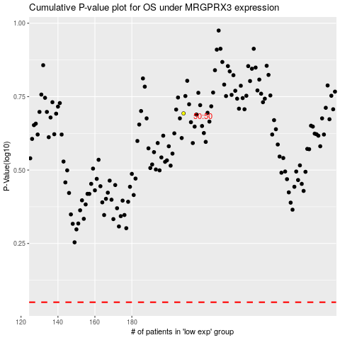

 |  |  |  |  |  | cases_OS | p_OS | rank | exp
 |  |  |  |  |  |  | cases_RFS | p_RFS | rank | exp

