MRPL12 _multivariate
Reported by Tex Li-Hsing Chi. tex@gate.sinica.edu.tw 2019-08-17

Table 2. The clinicopathological features of HNSCC cohort and MRPL12 expression. (Chi square test)
Cutoff at -0.227 (49.8%)
 |  | MRPL12 expression |  | MRPL12 expression |  | (Optimised)
 | Features | Low | (%) | High | (%) | Case no | P-value | Remark | Matthews
Gender | Female | 145 | 34.9 | 161 | 38.8 | 415 | 0.1116 | 0 | 0
2 | Male | 62 | 14.9 | 47 | 11.3
Age at diagnosis | <=65y | 134 | 32.3 | 140 | 33.7 | 415 | 0.6529 | 0 | 0
4 | >65y | 73 | 17.6 | 68 | 16.4
Clinical T Status | T1+T2 | 81 | 19.5 | 68 | 16.4 | 415 | 0.206 | 0 | 0
6 | T3+T4 | 126 | 30.4 | 140 | 33.7
Clinical N Status | N0 | 110 | 26.5 | 106 | 25.5 | 415 | 0.7294 | 0 | 0
8 | N1-3 | 97 | 23.4 | 102 | 24.6
Clinical M Status | M0 | 207 | 49.9 | 205 | 49.4 | 415 | 0.2482 | 0 | 0
10 | M1 | 0 | 0 | 3 | 0.7
Clinical Stage | Stage I+II | 57 | 13.7 | 45 | 10.8 | 415 | 0.1998 | 0 | 0
12 | Stage III+IV | 150 | 36.1 | 163 | 39.3
Surgical Margin status | Negative | 156 | 37.6 | 162 | 39 | 415 | 0.5636 | 0 | 0
14 | Positive | 51 | 12.3 | 46 | 11.1
Tobacco Exposure | Low | 98 | 23.6 | 63 | 15.2 | 415 | 4e-04 | 1 | 0
16 | High | 109 | 26.3 | 145 | 34.9

Table 3. Univariate/Multivariate Cox's proportional hazards regression analyses on OS time of MRPL12 gene expression in HNSCC

 |  | Univariate |  |  |  | Multivariate
 | Features | HR | CI95%(L) | CI95%(H) | P-value | HR | CI95%(L) | CI95%(H) | P-value
1 | Female | 1 |  |  |  | 1
Gender | Male | 1.157 | 0.843 | 1.587 | 0.367 | 1.206 | 0.862 | 1.686 | 0.274
11 | <=65y | 1 |  |  |  | 1
Age at diagnosis | >65y | 1.329 | 0.99 | 1.784 | 0.058 | 1.393 | 1.025 | 1.893 | 0.034
12 | T1+T2 | 1 |  |  |  | 1
Clinical T Status | T3+T4 | 1.409 | 1.028 | 1.931 | 0.033 | 2.195 | 1.161 | 4.149 | 0.016
13 | N0 | 1 |  |  |  | 1
Clinical N Status | N1-3 | 1.185 | 0.89 | 1.577 | 0.246 | 1.237 | 0.867 | 1.765 | 0.241
14 | M0 | 1 |  |  |  | 1
Clinical M Status | M1 | 4.097 | 1.009 | 16.644 | 0.049 | 9.054 | 1.961 | 41.811 | 0.005
15 | Stage I+II | 1 |  |  |  | 1
Clinical Stage | Stage III+IV | 1.245 | 0.882 | 1.759 | 0.213 | 0.508 | 0.236 | 1.09 | 0.082
16 | Negative | 1 |  |  |  | 1
Surgical Margin status | Positive | 1.591 | 1.155 | 2.191 | 0.004 | 1.665 | 1.204 | 2.301 | 0.002
17 | Low | 1 |  |  |  | 1
Tobacco Exposure | High | 1.364 | 1.008 | 1.844 | 0.044 | 1.438 | 1.04 | 1.987 | 0.028
18 | Low | 1 |  |  |  | 1
RNAseq(z-score) | High | 1.168 | 0.877 | 1.555 | 0.29 | 1.076 | 0.803 | 1.441 | 0.626

Table 4. Univariate/Multivariate Cox's proportional hazards regression analyses on RFS time of MRPL12 gene expression in HNSCC

 |  | Univariate |  |  |  | Multivariate
 | Features | HR | CI95%(L) | CI95%(H) | P-value | HR | CI95%(L) | CI95%(H) | P-value
1 | Female | 1 |  |  |  | 1
Gender | Male | 1.157 | 0.843 | 1.587 | 0.367 | 1.206 | 0.862 | 1.686 | 0.274
11 | <=65y | 1 |  |  |  | 1
Age at diagnosis | >65y | 1.329 | 0.99 | 1.784 | 0.058 | 1.393 | 1.025 | 1.893 | 0.034
12 | T1+T2 | 1 |  |  |  | 1
Clinical T Status | T3+T4 | 1.409 | 1.028 | 1.931 | 0.033 | 2.195 | 1.161 | 4.149 | 0.016
13 | N0 | 1 |  |  |  | 1
Clinical N Status | N1-3 | 1.185 | 0.89 | 1.577 | 0.246 | 1.237 | 0.867 | 1.765 | 0.241
14 | M0 | 1 |  |  |  | 1
Clinical M Status | M1 | 4.097 | 1.009 | 16.644 | 0.049 | 9.054 | 1.961 | 41.811 | 0.005
15 | Stage I+II | 1 |  |  |  | 1
Clinical Stage | Stage III+IV | 1.245 | 0.882 | 1.759 | 0.213 | 0.508 | 0.236 | 1.09 | 0.082
16 | Negative | 1 |  |  |  | 1
Surgical Margin status | Positive | 1.591 | 1.155 | 2.191 | 0.004 | 1.665 | 1.204 | 2.301 | 0.002
17 | Low | 1 |  |  |  | 1
Tobacco Exposure | High | 1.364 | 1.008 | 1.844 | 0.044 | 1.438 | 1.04 | 1.987 | 0.028
18 | Low | 1 |  |  |  | 1
RNAseq(z-score) | High | 1.168 | 0.877 | 1.555 | 0.29 | 1.076 | 0.803 | 1.441 | 0.626

Kaplan-Meier survival estimate: Cutoff at -0.227 (49.8%)



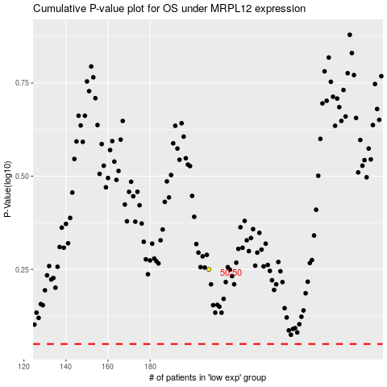

 |  |  |  |  |  | cases_OS | p_OS | rank | exp
 |  |  |  |  |  |  | cases_RFS | p_RFS | rank | exp

