MRPL18 _multivariate
Reported by Tex Li-Hsing Chi. tex@gate.sinica.edu.tw 2019-08-17

Table 2. The clinicopathological features of HNSCC cohort and MRPL18 expression. (Chi square test)
Cutoff at -0.141 (49.8%)
 |  | MRPL18 expression |  | MRPL18 expression |  | (Optimised)
 | Features | Low | (%) | High | (%) | Case no | P-value | Remark | Matthews
Gender | Female | 149 | 35.9 | 157 | 37.8 | 415 | 0.4848 | 0 | 0
2 | Male | 58 | 14 | 51 | 12.3
Age at diagnosis | <=65y | 132 | 31.8 | 142 | 34.2 | 415 | 0.3874 | 0 | 0
4 | >65y | 75 | 18.1 | 66 | 15.9
Clinical T Status | T1+T2 | 69 | 16.6 | 80 | 19.3 | 415 | 0.3239 | 0 | 0
6 | T3+T4 | 138 | 33.3 | 128 | 30.8
Clinical N Status | N0 | 112 | 27 | 104 | 25.1 | 415 | 0.4599 | 0 | 0
8 | N1-3 | 95 | 22.9 | 104 | 25.1
Clinical M Status | M0 | 206 | 49.6 | 206 | 49.6 | 415 | 1 | 0 | 0
10 | M1 | 1 | 0.2 | 2 | 0.5
Clinical Stage | Stage I+II | 47 | 11.3 | 55 | 13.3 | 415 | 0.4413 | 0 | 0
12 | Stage III+IV | 160 | 38.6 | 153 | 36.9
Surgical Margin status | Negative | 163 | 39.3 | 155 | 37.3 | 415 | 0.3537 | 0 | 0
14 | Positive | 44 | 10.6 | 53 | 12.8
Tobacco Exposure | Low | 85 | 20.5 | 76 | 18.3 | 415 | 0.3655 | 0 | 0
16 | High | 122 | 29.4 | 132 | 31.8

Table 3. Univariate/Multivariate Cox's proportional hazards regression analyses on OS time of MRPL18 gene expression in HNSCC

 |  | Univariate |  |  |  | Multivariate
 | Features | HR | CI95%(L) | CI95%(H) | P-value | HR | CI95%(L) | CI95%(H) | P-value
1 | Female | 1 |  |  |  | 1
Gender | Male | 1.157 | 0.843 | 1.587 | 0.367 | 1.202 | 0.861 | 1.68 | 0.28
11 | <=65y | 1 |  |  |  | 1
Age at diagnosis | >65y | 1.329 | 0.99 | 1.784 | 0.058 | 1.391 | 1.024 | 1.89 | 0.035
12 | T1+T2 | 1 |  |  |  | 1
Clinical T Status | T3+T4 | 1.409 | 1.028 | 1.931 | 0.033 | 2.207 | 1.167 | 4.173 | 0.015
13 | N0 | 1 |  |  |  | 1
Clinical N Status | N1-3 | 1.185 | 0.89 | 1.577 | 0.246 | 1.232 | 0.863 | 1.76 | 0.251
14 | M0 | 1 |  |  |  | 1
Clinical M Status | M1 | 4.097 | 1.009 | 16.644 | 0.049 | 9.24 | 2.012 | 42.434 | 0.004
15 | Stage I+II | 1 |  |  |  | 1
Clinical Stage | Stage III+IV | 1.245 | 0.882 | 1.759 | 0.213 | 0.506 | 0.236 | 1.087 | 0.081
16 | Negative | 1 |  |  |  | 1
Surgical Margin status | Positive | 1.591 | 1.155 | 2.191 | 0.004 | 1.67 | 1.209 | 2.308 | 0.002
17 | Low | 1 |  |  |  | 1
Tobacco Exposure | High | 1.364 | 1.008 | 1.844 | 0.044 | 1.442 | 1.045 | 1.99 | 0.026
18 | Low | 1 |  |  |  | 1
RNAseq(z-score) | High | 1.113 | 0.835 | 1.485 | 0.466 | 1.075 | 0.802 | 1.441 | 0.628

Table 4. Univariate/Multivariate Cox's proportional hazards regression analyses on RFS time of MRPL18 gene expression in HNSCC

 |  | Univariate |  |  |  | Multivariate
 | Features | HR | CI95%(L) | CI95%(H) | P-value | HR | CI95%(L) | CI95%(H) | P-value
1 | Female | 1 |  |  |  | 1
Gender | Male | 1.157 | 0.843 | 1.587 | 0.367 | 1.202 | 0.861 | 1.68 | 0.28
11 | <=65y | 1 |  |  |  | 1
Age at diagnosis | >65y | 1.329 | 0.99 | 1.784 | 0.058 | 1.391 | 1.024 | 1.89 | 0.035
12 | T1+T2 | 1 |  |  |  | 1
Clinical T Status | T3+T4 | 1.409 | 1.028 | 1.931 | 0.033 | 2.207 | 1.167 | 4.173 | 0.015
13 | N0 | 1 |  |  |  | 1
Clinical N Status | N1-3 | 1.185 | 0.89 | 1.577 | 0.246 | 1.232 | 0.863 | 1.76 | 0.251
14 | M0 | 1 |  |  |  | 1
Clinical M Status | M1 | 4.097 | 1.009 | 16.644 | 0.049 | 9.24 | 2.012 | 42.434 | 0.004
15 | Stage I+II | 1 |  |  |  | 1
Clinical Stage | Stage III+IV | 1.245 | 0.882 | 1.759 | 0.213 | 0.506 | 0.236 | 1.087 | 0.081
16 | Negative | 1 |  |  |  | 1
Surgical Margin status | Positive | 1.591 | 1.155 | 2.191 | 0.004 | 1.67 | 1.209 | 2.308 | 0.002
17 | Low | 1 |  |  |  | 1
Tobacco Exposure | High | 1.364 | 1.008 | 1.844 | 0.044 | 1.442 | 1.045 | 1.99 | 0.026
18 | Low | 1 |  |  |  | 1
RNAseq(z-score) | High | 1.113 | 0.835 | 1.485 | 0.466 | 1.075 | 0.802 | 1.441 | 0.628

Kaplan-Meier survival estimate: Cutoff at -0.141 (49.8%)



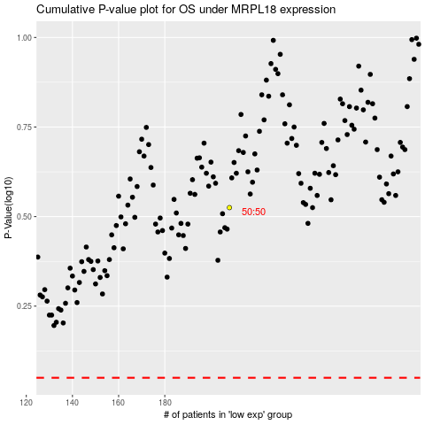

 |  |  |  |  |  | cases_OS | p_OS | rank | exp
 |  |  |  |  |  |  | cases_RFS | p_RFS | rank | exp

