MRPL19 _multivariate
Reported by Tex Li-Hsing Chi. tex@gate.sinica.edu.tw 2019-08-17

Table 2. The clinicopathological features of HNSCC cohort and MRPL19 expression. (Chi square test)
Cutoff at -0.064 (49.8%)
 |  | MRPL19 expression |  | MRPL19 expression |  | (Optimised)
 | Features | Low | (%) | High | (%) | Case no | P-value | Remark | Matthews
Gender | Female | 153 | 36.9 | 153 | 36.9 | 415 | 1 | 0 | 0
2 | Male | 54 | 13 | 55 | 13.3
Age at diagnosis | <=65y | 141 | 34 | 133 | 32 | 415 | 0.4272 | 0 | 0
4 | >65y | 66 | 15.9 | 75 | 18.1
Clinical T Status | T1+T2 | 83 | 20 | 66 | 15.9 | 415 | 0.0941 | 0 | 0
6 | T3+T4 | 124 | 29.9 | 142 | 34.2
Clinical N Status | N0 | 109 | 26.3 | 107 | 25.8 | 415 | 0.8812 | 0 | 0
8 | N1-3 | 98 | 23.6 | 101 | 24.3
Clinical M Status | M0 | 205 | 49.4 | 207 | 49.9 | 415 | 0.6232 | 0 | 0
10 | M1 | 2 | 0.5 | 1 | 0.2
Clinical Stage | Stage I+II | 53 | 12.8 | 49 | 11.8 | 415 | 0.7113 | 0 | 0
12 | Stage III+IV | 154 | 37.1 | 159 | 38.3
Surgical Margin status | Negative | 163 | 39.3 | 155 | 37.3 | 415 | 0.3537 | 0 | 0
14 | Positive | 44 | 10.6 | 53 | 12.8
Tobacco Exposure | Low | 84 | 20.2 | 77 | 18.6 | 415 | 0.4816 | 0 | 0
16 | High | 123 | 29.6 | 131 | 31.6

Table 3. Univariate/Multivariate Cox's proportional hazards regression analyses on OS time of MRPL19 gene expression in HNSCC

 |  | Univariate |  |  |  | Multivariate
 | Features | HR | CI95%(L) | CI95%(H) | P-value | HR | CI95%(L) | CI95%(H) | P-value
1 | Female | 1 |  |  |  | 1
Gender | Male | 1.157 | 0.843 | 1.587 | 0.367 | 1.201 | 0.86 | 1.678 | 0.282
11 | <=65y | 1 |  |  |  | 1
Age at diagnosis | >65y | 1.329 | 0.99 | 1.784 | 0.058 | 1.401 | 1.03 | 1.905 | 0.032
12 | T1+T2 | 1 |  |  |  | 1
Clinical T Status | T3+T4 | 1.409 | 1.028 | 1.931 | 0.033 | 2.174 | 1.149 | 4.113 | 0.017
13 | N0 | 1 |  |  |  | 1
Clinical N Status | N1-3 | 1.185 | 0.89 | 1.577 | 0.246 | 1.239 | 0.868 | 1.769 | 0.237
14 | M0 | 1 |  |  |  | 1
Clinical M Status | M1 | 4.097 | 1.009 | 16.644 | 0.049 | 9.45 | 2.061 | 43.33 | 0.004
15 | Stage I+II | 1 |  |  |  | 1
Clinical Stage | Stage III+IV | 1.245 | 0.882 | 1.759 | 0.213 | 0.514 | 0.239 | 1.104 | 0.088
16 | Negative | 1 |  |  |  | 1
Surgical Margin status | Positive | 1.591 | 1.155 | 2.191 | 0.004 | 1.664 | 1.203 | 2.3 | 0.002
17 | Low | 1 |  |  |  | 1
Tobacco Exposure | High | 1.364 | 1.008 | 1.844 | 0.044 | 1.458 | 1.058 | 2.01 | 0.021
18 | Low | 1 |  |  |  | 1
RNAseq(z-score) | High | 1.14 | 0.856 | 1.518 | 0.371 | 1.131 | 0.847 | 1.509 | 0.404

Table 4. Univariate/Multivariate Cox's proportional hazards regression analyses on RFS time of MRPL19 gene expression in HNSCC

 |  | Univariate |  |  |  | Multivariate
 | Features | HR | CI95%(L) | CI95%(H) | P-value | HR | CI95%(L) | CI95%(H) | P-value
1 | Female | 1 |  |  |  | 1
Gender | Male | 1.157 | 0.843 | 1.587 | 0.367 | 1.201 | 0.86 | 1.678 | 0.282
11 | <=65y | 1 |  |  |  | 1
Age at diagnosis | >65y | 1.329 | 0.99 | 1.784 | 0.058 | 1.401 | 1.03 | 1.905 | 0.032
12 | T1+T2 | 1 |  |  |  | 1
Clinical T Status | T3+T4 | 1.409 | 1.028 | 1.931 | 0.033 | 2.174 | 1.149 | 4.113 | 0.017
13 | N0 | 1 |  |  |  | 1
Clinical N Status | N1-3 | 1.185 | 0.89 | 1.577 | 0.246 | 1.239 | 0.868 | 1.769 | 0.237
14 | M0 | 1 |  |  |  | 1
Clinical M Status | M1 | 4.097 | 1.009 | 16.644 | 0.049 | 9.45 | 2.061 | 43.33 | 0.004
15 | Stage I+II | 1 |  |  |  | 1
Clinical Stage | Stage III+IV | 1.245 | 0.882 | 1.759 | 0.213 | 0.514 | 0.239 | 1.104 | 0.088
16 | Negative | 1 |  |  |  | 1
Surgical Margin status | Positive | 1.591 | 1.155 | 2.191 | 0.004 | 1.664 | 1.203 | 2.3 | 0.002
17 | Low | 1 |  |  |  | 1
Tobacco Exposure | High | 1.364 | 1.008 | 1.844 | 0.044 | 1.458 | 1.058 | 2.01 | 0.021
18 | Low | 1 |  |  |  | 1
RNAseq(z-score) | High | 1.14 | 0.856 | 1.518 | 0.371 | 1.131 | 0.847 | 1.509 | 0.404

Kaplan-Meier survival estimate: Cutoff at -0.064 (49.8%)



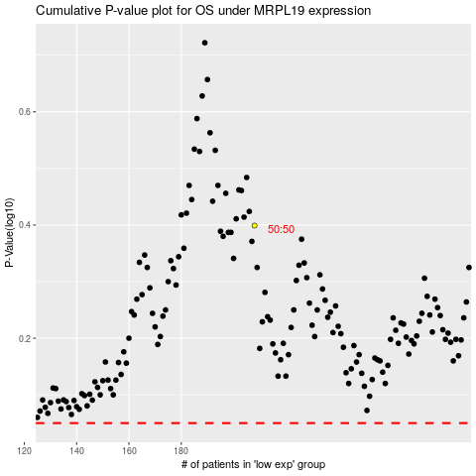

 |  |  |  |  |  | cases_OS | p_OS | rank | exp
 |  |  |  |  |  |  | cases_RFS | p_RFS | rank | exp

