MRPL3 _multivariate
Reported by Tex Li-Hsing Chi. tex@gate.sinica.edu.tw 2019-08-17

Table 2. The clinicopathological features of HNSCC cohort and MRPL3 expression. (Chi square test)
Cutoff at 0.16 (61.8%)
 |  | MRPL3 expression |  | MRPL3 expression |  | (Optimised)
 | Features | Low | (%) | High | (%) | Case no | P-value | Remark | Matthews
Gender | Female | 174 | 41.9 | 132 | 31.8 | 415 | 6e-04 | 1 | 0
2 | Male | 83 | 20 | 26 | 6.3
Age at diagnosis | <=65y | 166 | 40 | 108 | 26 | 415 | 0.497 | 0 | 0
4 | >65y | 91 | 21.9 | 50 | 12
Clinical T Status | T1+T2 | 96 | 23.1 | 53 | 12.8 | 415 | 0.4964 | 0 | 0
6 | T3+T4 | 161 | 38.8 | 105 | 25.3
Clinical N Status | N0 | 134 | 32.3 | 82 | 19.8 | 415 | 1 | 0 | 0
8 | N1-3 | 123 | 29.6 | 76 | 18.3
Clinical M Status | M0 | 255 | 61.4 | 157 | 37.8 | 415 | 1 | 0 | 0
10 | M1 | 2 | 0.5 | 1 | 0.2
Clinical Stage | Stage I+II | 65 | 15.7 | 37 | 8.9 | 415 | 0.7542 | 0 | 0
12 | Stage III+IV | 192 | 46.3 | 121 | 29.2
Surgical Margin status | Negative | 199 | 48 | 119 | 28.7 | 415 | 0.6343 | 0 | 0
14 | Positive | 58 | 14 | 39 | 9.4
Tobacco Exposure | Low | 120 | 28.9 | 41 | 9.9 | 415 | 0 | 1 | 0
16 | High | 137 | 33 | 117 | 28.2

Table 3. Univariate/Multivariate Cox's proportional hazards regression analyses on OS time of MRPL3 gene expression in HNSCC

 |  | Univariate |  |  |  | Multivariate
 | Features | HR | CI95%(L) | CI95%(H) | P-value | HR | CI95%(L) | CI95%(H) | P-value
1 | Female | 1 |  |  |  | 1
Gender | Male | 1.157 | 0.843 | 1.587 | 0.367 | 1.28 | 0.911 | 1.798 | 0.155
11 | <=65y | 1 |  |  |  | 1
Age at diagnosis | >65y | 1.329 | 0.99 | 1.784 | 0.058 | 1.347 | 0.991 | 1.832 | 0.057
12 | T1+T2 | 1 |  |  |  | 1
Clinical T Status | T3+T4 | 1.409 | 1.028 | 1.931 | 0.033 | 2.216 | 1.173 | 4.187 | 0.014
13 | N0 | 1 |  |  |  | 1
Clinical N Status | N1-3 | 1.185 | 0.89 | 1.577 | 0.246 | 1.247 | 0.873 | 1.781 | 0.225
14 | M0 | 1 |  |  |  | 1
Clinical M Status | M1 | 4.097 | 1.009 | 16.644 | 0.049 | 10.162 | 2.212 | 46.683 | 0.003
15 | Stage I+II | 1 |  |  |  | 1
Clinical Stage | Stage III+IV | 1.245 | 0.882 | 1.759 | 0.213 | 0.513 | 0.239 | 1.101 | 0.087
16 | Negative | 1 |  |  |  | 1
Surgical Margin status | Positive | 1.591 | 1.155 | 2.191 | 0.004 | 1.673 | 1.21 | 2.312 | 0.002
17 | Low | 1 |  |  |  | 1
Tobacco Exposure | High | 1.364 | 1.008 | 1.844 | 0.044 | 1.373 | 0.992 | 1.898 | 0.056
18 | Low | 1 |  |  |  | 1
RNAseq(z-score) | High | 1.411 | 1.054 | 1.887 | 0.02 | 1.408 | 1.04 | 1.904 | 0.027

Table 4. Univariate/Multivariate Cox's proportional hazards regression analyses on RFS time of MRPL3 gene expression in HNSCC

 |  | Univariate |  |  |  | Multivariate
 | Features | HR | CI95%(L) | CI95%(H) | P-value | HR | CI95%(L) | CI95%(H) | P-value
1 | Female | 1 |  |  |  | 1
Gender | Male | 1.157 | 0.843 | 1.587 | 0.367 | 1.28 | 0.911 | 1.798 | 0.155
11 | <=65y | 1 |  |  |  | 1
Age at diagnosis | >65y | 1.329 | 0.99 | 1.784 | 0.058 | 1.347 | 0.991 | 1.832 | 0.057
12 | T1+T2 | 1 |  |  |  | 1
Clinical T Status | T3+T4 | 1.409 | 1.028 | 1.931 | 0.033 | 2.216 | 1.173 | 4.187 | 0.014
13 | N0 | 1 |  |  |  | 1
Clinical N Status | N1-3 | 1.185 | 0.89 | 1.577 | 0.246 | 1.247 | 0.873 | 1.781 | 0.225
14 | M0 | 1 |  |  |  | 1
Clinical M Status | M1 | 4.097 | 1.009 | 16.644 | 0.049 | 10.162 | 2.212 | 46.683 | 0.003
15 | Stage I+II | 1 |  |  |  | 1
Clinical Stage | Stage III+IV | 1.245 | 0.882 | 1.759 | 0.213 | 0.513 | 0.239 | 1.101 | 0.087
16 | Negative | 1 |  |  |  | 1
Surgical Margin status | Positive | 1.591 | 1.155 | 2.191 | 0.004 | 1.673 | 1.21 | 2.312 | 0.002
17 | Low | 1 |  |  |  | 1
Tobacco Exposure | High | 1.364 | 1.008 | 1.844 | 0.044 | 1.373 | 0.992 | 1.898 | 0.056
18 | Low | 1 |  |  |  | 1
RNAseq(z-score) | High | 1.411 | 1.054 | 1.887 | 0.02 | 1.408 | 1.04 | 1.904 | 0.027

Kaplan-Meier survival estimate: Cutoff at 0.16 (61.8%)

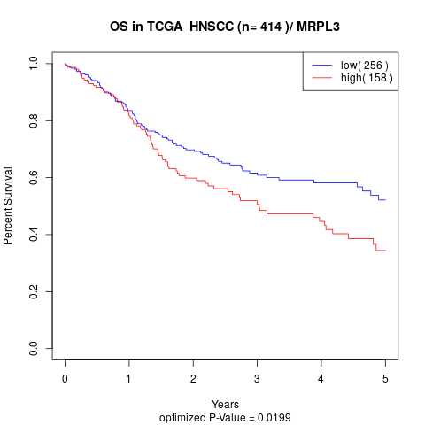

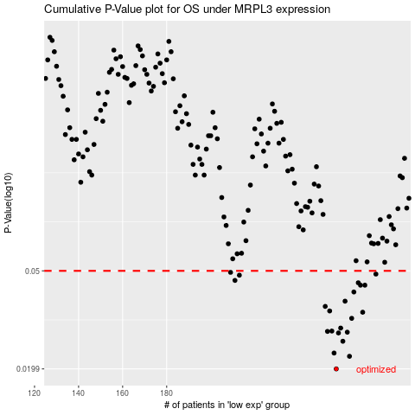

 |  |  |  |  |  | cases_OS | p_OS | rank | exp
 |  |  |  |  |  | 257 | 0.0199 | 196 | 0.16017944379
 |  |  |  |  |  | 263 | 0.0224 | 377 | 0.18913149875
 |  |  |  |  |  | 256 | 0.0231 | 351 | 0.15393970096
 |  |  |  |  |  | 260 | 0.0258 | 99 | 0.18190514472
 |  |  |  |  |  | 258 | 0.0279 | 218 | 0.16543630653
 |  |  |  |  |  | 262 | 0.0281 | 31 | 0.18900770596
 |  |  |  |  |  | 253 | 0.0283 | 215 | 0.12529346349
 |  |  |  |  |  | 255 | 0.0284 | 234 | 0.12994975131
 |  |  |  |  |  | 259 | 0.0292 | 24 | 0.16657815842
 |  |  |  |  |  | 264 | 0.032 | 185 | 0.19844500719
 |  |  |  |  |  | 269 | 0.0339 | 92 | 0.24784779064
 |  |  |  |  |  | 254 | 0.0343 | 334 | 0.12615361682
 |  |  |  |  |  | 252 | 0.0358 | 150 | 0.11986030595
 |  |  |  |  |  | 261 | 0.0376 | 41 | 0.18811237363
 |  |  |  |  |  | 265 | 0.041 | 207 | 0.20675751301
 |  |  |  |  |  | 268 | 0.0437 | 149 | 0.23131565689
 |  |  |  |  |  | 270 | 0.0437 | 200 | 0.24910623961
 |  |  |  |  |  | 267 | 0.0447 | 28 | 0.22501008668
 |  |  |  |  |  | 211 | 0.0457 | 385 | -0.10719685469
 |  |  |  |  |  | 213 | 0.048 | 414 | -0.10142723129
 |  |  |  |  |  | 275 | 0.0485 | 67 | 0.27766866043
 |  |  |  |  |  | 209 | 0.0493 | 275 | -0.10749840806
 |  |  |  |  |  |  | cases_RFS | p_RFS | rank | exp
 |  |  |  |  |  |  | 256 | 0.0199 | 351 | 0.15393970096
 |  |  |  |  |  |  | 262 | 0.0224 | 31 | 0.18900770596
 |  |  |  |  |  |  | 255 | 0.0231 | 234 | 0.12994975131
 |  |  |  |  |  |  | 259 | 0.0258 | 24 | 0.16657815842
 |  |  |  |  |  |  | 257 | 0.0279 | 196 | 0.16017944379
 |  |  |  |  |  |  | 261 | 0.0281 | 41 | 0.18811237363
 |  |  |  |  |  |  | 252 | 0.0283 | 150 | 0.11986030595
 |  |  |  |  |  |  | 254 | 0.0284 | 334 | 0.12615361682
 |  |  |  |  |  |  | 258 | 0.0292 | 218 | 0.16543630653
 |  |  |  |  |  |  | 263 | 0.032 | 377 | 0.18913149875
 |  |  |  |  |  |  | 268 | 0.0339 | 149 | 0.23131565689
 |  |  |  |  |  |  | 253 | 0.0343 | 215 | 0.12529346349
 |  |  |  |  |  |  | 251 | 0.0358 | 245 | 0.11746600152
 |  |  |  |  |  |  | 260 | 0.0376 | 99 | 0.18190514472
 |  |  |  |  |  |  | 264 | 0.041 | 185 | 0.19844500719
 |  |  |  |  |  |  | 267 | 0.0437 | 28 | 0.22501008668
 |  |  |  |  |  |  | 269 | 0.0437 | 92 | 0.24784779064
 |  |  |  |  |  |  | 266 | 0.0447 | 300 | 0.21938837501
 |  |  |  |  |  |  | 210 | 0.0457 | 34 | -0.1073093209
 |  |  |  |  |  |  | 212 | 0.048 | 126 | -0.10177249191
 |  |  |  |  |  |  | 274 | 0.0485 | 51 | 0.27070255109
 |  |  |  |  |  |  | 208 | 0.0493 | 321 | -0.11186220378

