MRPL30 _multivariate
Reported by Tex Li-Hsing Chi. tex@gate.sinica.edu.tw 2019-08-17

Table 2. The clinicopathological features of HNSCC cohort and MRPL30 expression. (Chi square test)
Cutoff at -0.255 (49.8%)
 |  | MRPL30 expression |  | MRPL30 expression |  | (Optimised)
 | Features | Low | (%) | High | (%) | Case no | P-value | Remark | Matthews
Gender | Female | 146 | 35.2 | 160 | 38.6 | 415 | 0.1714 | 0 | 0
2 | Male | 61 | 14.7 | 48 | 11.6
Age at diagnosis | <=65y | 135 | 32.5 | 139 | 33.5 | 415 | 0.8084 | 0 | 0
4 | >65y | 72 | 17.3 | 69 | 16.6
Clinical T Status | T1+T2 | 81 | 19.5 | 68 | 16.4 | 415 | 0.206 | 0 | 0
6 | T3+T4 | 126 | 30.4 | 140 | 33.7
Clinical N Status | N0 | 108 | 26 | 108 | 26 | 415 | 1 | 0 | 0
8 | N1-3 | 99 | 23.9 | 100 | 24.1
Clinical M Status | M0 | 205 | 49.4 | 207 | 49.9 | 415 | 0.6232 | 0 | 0
10 | M1 | 2 | 0.5 | 1 | 0.2
Clinical Stage | Stage I+II | 55 | 13.3 | 47 | 11.3 | 415 | 0.4087 | 0 | 0
12 | Stage III+IV | 152 | 36.6 | 161 | 38.8
Surgical Margin status | Negative | 165 | 39.8 | 153 | 36.9 | 415 | 0.1639 | 0 | 0
14 | Positive | 42 | 10.1 | 55 | 13.3
Tobacco Exposure | Low | 92 | 22.2 | 69 | 16.6 | 415 | 0.0206 | 1 | 0
16 | High | 115 | 27.7 | 139 | 33.5

Table 3. Univariate/Multivariate Cox's proportional hazards regression analyses on OS time of MRPL30 gene expression in HNSCC

 |  | Univariate |  |  |  | Multivariate
 | Features | HR | CI95%(L) | CI95%(H) | P-value | HR | CI95%(L) | CI95%(H) | P-value
1 | Female | 1 |  |  |  | 1
Gender | Male | 1.157 | 0.843 | 1.587 | 0.367 | 1.21 | 0.865 | 1.692 | 0.266
11 | <=65y | 1 |  |  |  | 1
Age at diagnosis | >65y | 1.329 | 0.99 | 1.784 | 0.058 | 1.38 | 1.014 | 1.877 | 0.04
12 | T1+T2 | 1 |  |  |  | 1
Clinical T Status | T3+T4 | 1.409 | 1.028 | 1.931 | 0.033 | 2.16 | 1.142 | 4.088 | 0.018
13 | N0 | 1 |  |  |  | 1
Clinical N Status | N1-3 | 1.185 | 0.89 | 1.577 | 0.246 | 1.233 | 0.864 | 1.759 | 0.249
14 | M0 | 1 |  |  |  | 1
Clinical M Status | M1 | 4.097 | 1.009 | 16.644 | 0.049 | 9.727 | 2.119 | 44.658 | 0.003
15 | Stage I+II | 1 |  |  |  | 1
Clinical Stage | Stage III+IV | 1.245 | 0.882 | 1.759 | 0.213 | 0.505 | 0.235 | 1.082 | 0.079
16 | Negative | 1 |  |  |  | 1
Surgical Margin status | Positive | 1.591 | 1.155 | 2.191 | 0.004 | 1.643 | 1.187 | 2.274 | 0.003
17 | Low | 1 |  |  |  | 1
Tobacco Exposure | High | 1.364 | 1.008 | 1.844 | 0.044 | 1.437 | 1.042 | 1.982 | 0.027
18 | Low | 1 |  |  |  | 1
RNAseq(z-score) | High | 1.269 | 0.951 | 1.692 | 0.105 | 1.154 | 0.859 | 1.551 | 0.341

Table 4. Univariate/Multivariate Cox's proportional hazards regression analyses on RFS time of MRPL30 gene expression in HNSCC

 |  | Univariate |  |  |  | Multivariate
 | Features | HR | CI95%(L) | CI95%(H) | P-value | HR | CI95%(L) | CI95%(H) | P-value
1 | Female | 1 |  |  |  | 1
Gender | Male | 1.157 | 0.843 | 1.587 | 0.367 | 1.21 | 0.865 | 1.692 | 0.266
11 | <=65y | 1 |  |  |  | 1
Age at diagnosis | >65y | 1.329 | 0.99 | 1.784 | 0.058 | 1.38 | 1.014 | 1.877 | 0.04
12 | T1+T2 | 1 |  |  |  | 1
Clinical T Status | T3+T4 | 1.409 | 1.028 | 1.931 | 0.033 | 2.16 | 1.142 | 4.088 | 0.018
13 | N0 | 1 |  |  |  | 1
Clinical N Status | N1-3 | 1.185 | 0.89 | 1.577 | 0.246 | 1.233 | 0.864 | 1.759 | 0.249
14 | M0 | 1 |  |  |  | 1
Clinical M Status | M1 | 4.097 | 1.009 | 16.644 | 0.049 | 9.727 | 2.119 | 44.658 | 0.003
15 | Stage I+II | 1 |  |  |  | 1
Clinical Stage | Stage III+IV | 1.245 | 0.882 | 1.759 | 0.213 | 0.505 | 0.235 | 1.082 | 0.079
16 | Negative | 1 |  |  |  | 1
Surgical Margin status | Positive | 1.591 | 1.155 | 2.191 | 0.004 | 1.643 | 1.187 | 2.274 | 0.003
17 | Low | 1 |  |  |  | 1
Tobacco Exposure | High | 1.364 | 1.008 | 1.844 | 0.044 | 1.437 | 1.042 | 1.982 | 0.027
18 | Low | 1 |  |  |  | 1
RNAseq(z-score) | High | 1.269 | 0.951 | 1.692 | 0.105 | 1.154 | 0.859 | 1.551 | 0.341

Kaplan-Meier survival estimate: Cutoff at -0.255 (49.8%)



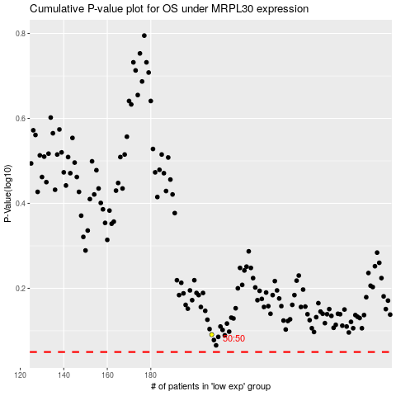

 |  |  |  |  |  | cases_OS | p_OS | rank | exp
 |  |  |  |  |  |  | cases_RFS | p_RFS | rank | exp

