MRPL39 _multivariate
Reported by Tex Li-Hsing Chi. tex@gate.sinica.edu.tw 2019-08-17

Table 2. The clinicopathological features of HNSCC cohort and MRPL39 expression. (Chi square test)
Cutoff at -0.216 (50.0%)
 |  | MRPL39 expression |  | MRPL39 expression |  | (Optimised)
 | Features | Low | (%) | High | (%) | Case no | P-value | Remark | Matthews
Gender | Female | 156 | 37.6 | 150 | 36.1 | 415 | 0.5222 | 0 | 0
2 | Male | 51 | 12.3 | 58 | 14
Age at diagnosis | <=65y | 136 | 32.8 | 138 | 33.3 | 415 | 0.9719 | 0 | 0
4 | >65y | 71 | 17.1 | 70 | 16.9
Clinical T Status | T1+T2 | 75 | 18.1 | 74 | 17.8 | 415 | 0.9707 | 0 | 0
6 | T3+T4 | 132 | 31.8 | 134 | 32.3
Clinical N Status | N0 | 106 | 25.5 | 110 | 26.5 | 415 | 0.8075 | 0 | 0
8 | N1-3 | 101 | 24.3 | 98 | 23.6
Clinical M Status | M0 | 206 | 49.6 | 206 | 49.6 | 415 | 1 | 0 | 0
10 | M1 | 1 | 0.2 | 2 | 0.5
Clinical Stage | Stage I+II | 52 | 12.5 | 50 | 12 | 415 | 0.8871 | 0 | 0
12 | Stage III+IV | 155 | 37.3 | 158 | 38.1
Surgical Margin status | Negative | 163 | 39.3 | 155 | 37.3 | 415 | 0.3537 | 0 | 0
14 | Positive | 44 | 10.6 | 53 | 12.8
Tobacco Exposure | Low | 77 | 18.6 | 84 | 20.2 | 415 | 0.5459 | 0 | 0
16 | High | 130 | 31.3 | 124 | 29.9

Table 3. Univariate/Multivariate Cox's proportional hazards regression analyses on OS time of MRPL39 gene expression in HNSCC

 |  | Univariate |  |  |  | Multivariate
 | Features | HR | CI95%(L) | CI95%(H) | P-value | HR | CI95%(L) | CI95%(H) | P-value
1 | Female | 1 |  |  |  | 1
Gender | Male | 1.157 | 0.843 | 1.587 | 0.367 | 1.191 | 0.851 | 1.667 | 0.308
11 | <=65y | 1 |  |  |  | 1
Age at diagnosis | >65y | 1.329 | 0.99 | 1.784 | 0.058 | 1.398 | 1.028 | 1.901 | 0.033
12 | T1+T2 | 1 |  |  |  | 1
Clinical T Status | T3+T4 | 1.409 | 1.028 | 1.931 | 0.033 | 2.209 | 1.168 | 4.176 | 0.015
13 | N0 | 1 |  |  |  | 1
Clinical N Status | N1-3 | 1.185 | 0.89 | 1.577 | 0.246 | 1.257 | 0.877 | 1.801 | 0.212
14 | M0 | 1 |  |  |  | 1
Clinical M Status | M1 | 4.097 | 1.009 | 16.644 | 0.049 | 9.283 | 2.023 | 42.587 | 0.004
15 | Stage I+II | 1 |  |  |  | 1
Clinical Stage | Stage III+IV | 1.245 | 0.882 | 1.759 | 0.213 | 0.498 | 0.232 | 1.071 | 0.075
16 | Negative | 1 |  |  |  | 1
Surgical Margin status | Positive | 1.591 | 1.155 | 2.191 | 0.004 | 1.659 | 1.199 | 2.295 | 0.002
17 | Low | 1 |  |  |  | 1
Tobacco Exposure | High | 1.364 | 1.008 | 1.844 | 0.044 | 1.45 | 1.052 | 1.998 | 0.023
18 | Low | 1 |  |  |  | 1
RNAseq(z-score) | High | 1.102 | 0.827 | 1.469 | 0.508 | 1.074 | 0.801 | 1.44 | 0.634

Table 4. Univariate/Multivariate Cox's proportional hazards regression analyses on RFS time of MRPL39 gene expression in HNSCC

 |  | Univariate |  |  |  | Multivariate
 | Features | HR | CI95%(L) | CI95%(H) | P-value | HR | CI95%(L) | CI95%(H) | P-value
1 | Female | 1 |  |  |  | 1
Gender | Male | 1.157 | 0.843 | 1.587 | 0.367 | 1.191 | 0.851 | 1.667 | 0.308
11 | <=65y | 1 |  |  |  | 1
Age at diagnosis | >65y | 1.329 | 0.99 | 1.784 | 0.058 | 1.398 | 1.028 | 1.901 | 0.033
12 | T1+T2 | 1 |  |  |  | 1
Clinical T Status | T3+T4 | 1.409 | 1.028 | 1.931 | 0.033 | 2.209 | 1.168 | 4.176 | 0.015
13 | N0 | 1 |  |  |  | 1
Clinical N Status | N1-3 | 1.185 | 0.89 | 1.577 | 0.246 | 1.257 | 0.877 | 1.801 | 0.212
14 | M0 | 1 |  |  |  | 1
Clinical M Status | M1 | 4.097 | 1.009 | 16.644 | 0.049 | 9.283 | 2.023 | 42.587 | 0.004
15 | Stage I+II | 1 |  |  |  | 1
Clinical Stage | Stage III+IV | 1.245 | 0.882 | 1.759 | 0.213 | 0.498 | 0.232 | 1.071 | 0.075
16 | Negative | 1 |  |  |  | 1
Surgical Margin status | Positive | 1.591 | 1.155 | 2.191 | 0.004 | 1.659 | 1.199 | 2.295 | 0.002
17 | Low | 1 |  |  |  | 1
Tobacco Exposure | High | 1.364 | 1.008 | 1.844 | 0.044 | 1.45 | 1.052 | 1.998 | 0.023
18 | Low | 1 |  |  |  | 1
RNAseq(z-score) | High | 1.102 | 0.827 | 1.469 | 0.508 | 1.074 | 0.801 | 1.44 | 0.634

Kaplan-Meier survival estimate: Cutoff at -0.216 (50.0%)



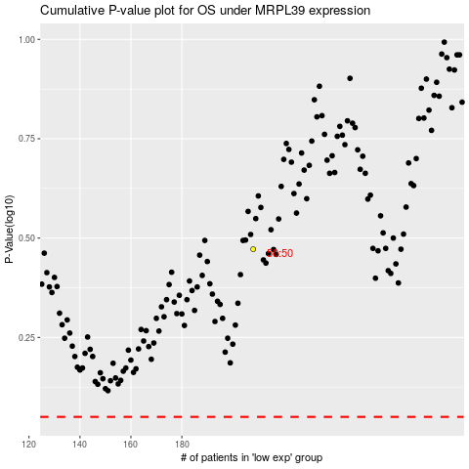

 |  |  |  |  |  | cases_OS | p_OS | rank | exp
 |  |  |  |  |  |  | cases_RFS | p_RFS | rank | exp

