MRPL4 _multivariate
Reported by Tex Li-Hsing Chi. tex@gate.sinica.edu.tw 2019-08-17

Table 2. The clinicopathological features of HNSCC cohort and MRPL4 expression. (Chi square test)
Cutoff at -0.202 (49.8%)
 |  | MRPL4 expression |  | MRPL4 expression |  | (Optimised)
 | Features | Low | (%) | High | (%) | Case no | P-value | Remark | Matthews
Gender | Female | 146 | 35.2 | 160 | 38.6 | 415 | 0.1714 | 0 | 0
2 | Male | 61 | 14.7 | 48 | 11.6
Age at diagnosis | <=65y | 134 | 32.3 | 140 | 33.7 | 415 | 0.6529 | 0 | 0
4 | >65y | 73 | 17.6 | 68 | 16.4
Clinical T Status | T1+T2 | 90 | 21.7 | 59 | 14.2 | 415 | 0.0019 | 1 | 0
6 | T3+T4 | 117 | 28.2 | 149 | 35.9
Clinical N Status | N0 | 111 | 26.7 | 105 | 25.3 | 415 | 0.5875 | 0 | 0
8 | N1-3 | 96 | 23.1 | 103 | 24.8
Clinical M Status | M0 | 206 | 49.6 | 206 | 49.6 | 415 | 1 | 0 | 0
10 | M1 | 1 | 0.2 | 2 | 0.5
Clinical Stage | Stage I+II | 63 | 15.2 | 39 | 9.4 | 415 | 0.008 | 1 | 0
12 | Stage III+IV | 144 | 34.7 | 169 | 40.7
Surgical Margin status | Negative | 156 | 37.6 | 162 | 39 | 415 | 0.5636 | 0 | 0
14 | Positive | 51 | 12.3 | 46 | 11.1
Tobacco Exposure | Low | 98 | 23.6 | 63 | 15.2 | 415 | 4e-04 | 1 | 0
16 | High | 109 | 26.3 | 145 | 34.9

Table 3. Univariate/Multivariate Cox's proportional hazards regression analyses on OS time of MRPL4 gene expression in HNSCC

 |  | Univariate |  |  |  | Multivariate
 | Features | HR | CI95%(L) | CI95%(H) | P-value | HR | CI95%(L) | CI95%(H) | P-value
1 | Female | 1 |  |  |  | 1
Gender | Male | 1.157 | 0.843 | 1.587 | 0.367 | 1.165 | 0.834 | 1.629 | 0.371
11 | <=65y | 1 |  |  |  | 1
Age at diagnosis | >65y | 1.329 | 0.99 | 1.784 | 0.058 | 1.391 | 1.024 | 1.891 | 0.035
12 | T1+T2 | 1 |  |  |  | 1
Clinical T Status | T3+T4 | 1.409 | 1.028 | 1.931 | 0.033 | 2.324 | 1.223 | 4.416 | 0.01
13 | N0 | 1 |  |  |  | 1
Clinical N Status | N1-3 | 1.185 | 0.89 | 1.577 | 0.246 | 1.259 | 0.882 | 1.797 | 0.205
14 | M0 | 1 |  |  |  | 1
Clinical M Status | M1 | 4.097 | 1.009 | 16.644 | 0.049 | 9.93 | 2.161 | 45.619 | 0.003
15 | Stage I+II | 1 |  |  |  | 1
Clinical Stage | Stage III+IV | 1.245 | 0.882 | 1.759 | 0.213 | 0.493 | 0.23 | 1.06 | 0.07
16 | Negative | 1 |  |  |  | 1
Surgical Margin status | Positive | 1.591 | 1.155 | 2.191 | 0.004 | 1.69 | 1.221 | 2.337 | 0.002
17 | Low | 1 |  |  |  | 1
Tobacco Exposure | High | 1.364 | 1.008 | 1.844 | 0.044 | 1.51 | 1.093 | 2.086 | 0.012
18 | Low | 1 |  |  |  | 1
RNAseq(z-score) | High | 0.905 | 0.679 | 1.207 | 0.499 | 0.788 | 0.583 | 1.065 | 0.121

Table 4. Univariate/Multivariate Cox's proportional hazards regression analyses on RFS time of MRPL4 gene expression in HNSCC

 |  | Univariate |  |  |  | Multivariate
 | Features | HR | CI95%(L) | CI95%(H) | P-value | HR | CI95%(L) | CI95%(H) | P-value
1 | Female | 1 |  |  |  | 1
Gender | Male | 1.157 | 0.843 | 1.587 | 0.367 | 1.165 | 0.834 | 1.629 | 0.371
11 | <=65y | 1 |  |  |  | 1
Age at diagnosis | >65y | 1.329 | 0.99 | 1.784 | 0.058 | 1.391 | 1.024 | 1.891 | 0.035
12 | T1+T2 | 1 |  |  |  | 1
Clinical T Status | T3+T4 | 1.409 | 1.028 | 1.931 | 0.033 | 2.324 | 1.223 | 4.416 | 0.01
13 | N0 | 1 |  |  |  | 1
Clinical N Status | N1-3 | 1.185 | 0.89 | 1.577 | 0.246 | 1.259 | 0.882 | 1.797 | 0.205
14 | M0 | 1 |  |  |  | 1
Clinical M Status | M1 | 4.097 | 1.009 | 16.644 | 0.049 | 9.93 | 2.161 | 45.619 | 0.003
15 | Stage I+II | 1 |  |  |  | 1
Clinical Stage | Stage III+IV | 1.245 | 0.882 | 1.759 | 0.213 | 0.493 | 0.23 | 1.06 | 0.07
16 | Negative | 1 |  |  |  | 1
Surgical Margin status | Positive | 1.591 | 1.155 | 2.191 | 0.004 | 1.69 | 1.221 | 2.337 | 0.002
17 | Low | 1 |  |  |  | 1
Tobacco Exposure | High | 1.364 | 1.008 | 1.844 | 0.044 | 1.51 | 1.093 | 2.086 | 0.012
18 | Low | 1 |  |  |  | 1
RNAseq(z-score) | High | 0.905 | 0.679 | 1.207 | 0.499 | 0.788 | 0.583 | 1.065 | 0.121

Kaplan-Meier survival estimate: Cutoff at -0.202 (49.8%)



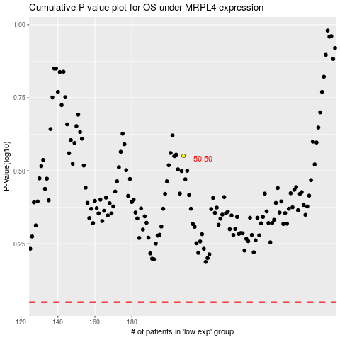

 |  |  |  |  |  | cases_OS | p_OS | rank | exp
 |  |  |  |  |  |  | cases_RFS | p_RFS | rank | exp

