MRPL42 _multivariate
Reported by Tex Li-Hsing Chi. tex@gate.sinica.edu.tw 2019-08-17

Table 2. The clinicopathological features of HNSCC cohort and MRPL42 expression. (Chi square test)
Cutoff at -0.169 (50.5%)
 |  | MRPL42 expression |  | MRPL42 expression |  | (Optimised)
 | Features | Low | (%) | High | (%) | Case no | P-value | Remark | Matthews
Gender | Female | 147 | 35.4 | 159 | 38.3 | 415 | 0.1013 | 0 | 0
2 | Male | 63 | 15.2 | 46 | 11.1
Age at diagnosis | <=65y | 134 | 32.3 | 140 | 33.7 | 415 | 0.3896 | 0 | 0
4 | >65y | 76 | 18.3 | 65 | 15.7
Clinical T Status | T1+T2 | 75 | 18.1 | 74 | 17.8 | 415 | 1 | 0 | 0
6 | T3+T4 | 135 | 32.5 | 131 | 31.6
Clinical N Status | N0 | 111 | 26.7 | 105 | 25.3 | 415 | 0.8137 | 0 | 0
8 | N1-3 | 99 | 23.9 | 100 | 24.1
Clinical M Status | M0 | 208 | 50.1 | 204 | 49.2 | 415 | 1 | 0 | 0
10 | M1 | 2 | 0.5 | 1 | 0.2
Clinical Stage | Stage I+II | 54 | 13 | 48 | 11.6 | 415 | 0.6672 | 0 | 0
12 | Stage III+IV | 156 | 37.6 | 157 | 37.8
Surgical Margin status | Negative | 175 | 42.2 | 143 | 34.5 | 415 | 0.0012 | 1 | 0
14 | Positive | 35 | 8.4 | 62 | 14.9
Tobacco Exposure | Low | 92 | 22.2 | 69 | 16.6 | 415 | 0.035 | 1 | 0
16 | High | 118 | 28.4 | 136 | 32.8

Table 3. Univariate/Multivariate Cox's proportional hazards regression analyses on OS time of MRPL42 gene expression in HNSCC

 |  | Univariate |  |  |  | Multivariate
 | Features | HR | CI95%(L) | CI95%(H) | P-value | HR | CI95%(L) | CI95%(H) | P-value
1 | Female | 1 |  |  |  | 1
Gender | Male | 1.157 | 0.843 | 1.587 | 0.367 | 1.222 | 0.874 | 1.707 | 0.241
11 | <=65y | 1 |  |  |  | 1
Age at diagnosis | >65y | 1.329 | 0.99 | 1.784 | 0.058 | 1.413 | 1.038 | 1.922 | 0.028
12 | T1+T2 | 1 |  |  |  | 1
Clinical T Status | T3+T4 | 1.409 | 1.028 | 1.931 | 0.033 | 2.281 | 1.205 | 4.317 | 0.011
13 | N0 | 1 |  |  |  | 1
Clinical N Status | N1-3 | 1.185 | 0.89 | 1.577 | 0.246 | 1.258 | 0.881 | 1.795 | 0.207
14 | M0 | 1 |  |  |  | 1
Clinical M Status | M1 | 4.097 | 1.009 | 16.644 | 0.049 | 10.644 | 2.308 | 49.078 | 0.002
15 | Stage I+II | 1 |  |  |  | 1
Clinical Stage | Stage III+IV | 1.245 | 0.882 | 1.759 | 0.213 | 0.475 | 0.221 | 1.022 | 0.057
16 | Negative | 1 |  |  |  | 1
Surgical Margin status | Positive | 1.591 | 1.155 | 2.191 | 0.004 | 1.601 | 1.155 | 2.22 | 0.005
17 | Low | 1 |  |  |  | 1
Tobacco Exposure | High | 1.364 | 1.008 | 1.844 | 0.044 | 1.42 | 1.029 | 1.958 | 0.033
18 | Low | 1 |  |  |  | 1
RNAseq(z-score) | High | 1.358 | 1.015 | 1.816 | 0.039 | 1.336 | 0.992 | 1.8 | 0.057

Table 4. Univariate/Multivariate Cox's proportional hazards regression analyses on RFS time of MRPL42 gene expression in HNSCC

 |  | Univariate |  |  |  | Multivariate
 | Features | HR | CI95%(L) | CI95%(H) | P-value | HR | CI95%(L) | CI95%(H) | P-value
1 | Female | 1 |  |  |  | 1
Gender | Male | 1.157 | 0.843 | 1.587 | 0.367 | 1.222 | 0.874 | 1.707 | 0.241
11 | <=65y | 1 |  |  |  | 1
Age at diagnosis | >65y | 1.329 | 0.99 | 1.784 | 0.058 | 1.413 | 1.038 | 1.922 | 0.028
12 | T1+T2 | 1 |  |  |  | 1
Clinical T Status | T3+T4 | 1.409 | 1.028 | 1.931 | 0.033 | 2.281 | 1.205 | 4.317 | 0.011
13 | N0 | 1 |  |  |  | 1
Clinical N Status | N1-3 | 1.185 | 0.89 | 1.577 | 0.246 | 1.258 | 0.881 | 1.795 | 0.207
14 | M0 | 1 |  |  |  | 1
Clinical M Status | M1 | 4.097 | 1.009 | 16.644 | 0.049 | 10.644 | 2.308 | 49.078 | 0.002
15 | Stage I+II | 1 |  |  |  | 1
Clinical Stage | Stage III+IV | 1.245 | 0.882 | 1.759 | 0.213 | 0.475 | 0.221 | 1.022 | 0.057
16 | Negative | 1 |  |  |  | 1
Surgical Margin status | Positive | 1.591 | 1.155 | 2.191 | 0.004 | 1.601 | 1.155 | 2.22 | 0.005
17 | Low | 1 |  |  |  | 1
Tobacco Exposure | High | 1.364 | 1.008 | 1.844 | 0.044 | 1.42 | 1.029 | 1.958 | 0.033
18 | Low | 1 |  |  |  | 1
RNAseq(z-score) | High | 1.358 | 1.015 | 1.816 | 0.039 | 1.336 | 0.992 | 1.8 | 0.057

Kaplan-Meier survival estimate: Cutoff at -0.169 (50.5%)



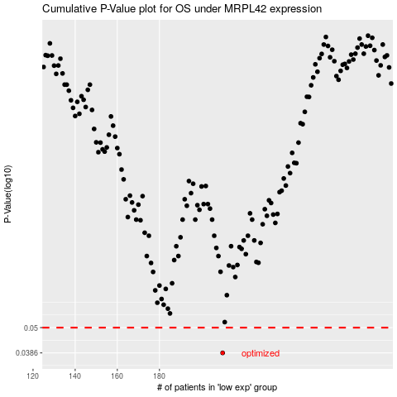

 |  |  |  |  |  | cases_OS | p_OS | rank | exp
 |  |  |  |  |  | 210 | 0.0386 | 377 | -0.16869865081
 |  |  |  |  |  |  | cases_RFS | p_RFS | rank | exp
 |  |  |  |  |  |  | 209 | 0.0386 | 271 | -0.16970788947

