MRPL42P5 _multivariate
Reported by Tex Li-Hsing Chi. tex@gate.sinica.edu.tw 2019-08-17

Table 2. The clinicopathological features of HNSCC cohort and MRPL42P5 expression. (Chi square test)
Cutoff at -0.31 (50.0%)
 |  | MRPL42P5 expression |  | MRPL42P5 expression |  | (Optimised)
 | Features | Low | (%) | High | (%) | Case no | P-value | Remark | Matthews
Gender | Female | 156 | 37.6 | 150 | 36.1 | 415 | 0.5222 | 0 | 0
2 | Male | 51 | 12.3 | 58 | 14
Age at diagnosis | <=65y | 142 | 34.2 | 132 | 31.8 | 415 | 0.3167 | 0 | 0
4 | >65y | 65 | 15.7 | 76 | 18.3
Clinical T Status | T1+T2 | 79 | 19 | 70 | 16.9 | 415 | 0.3924 | 0 | 0
6 | T3+T4 | 128 | 30.8 | 138 | 33.3
Clinical N Status | N0 | 107 | 25.8 | 109 | 26.3 | 415 | 0.9624 | 0 | 0
8 | N1-3 | 100 | 24.1 | 99 | 23.9
Clinical M Status | M0 | 204 | 49.2 | 208 | 50.1 | 415 | 0.1232 | 0 | 0
10 | M1 | 3 | 0.7 | 0 | 0
Clinical Stage | Stage I+II | 57 | 13.7 | 45 | 10.8 | 415 | 0.1998 | 0 | 0
12 | Stage III+IV | 150 | 36.1 | 163 | 39.3
Surgical Margin status | Negative | 160 | 38.6 | 158 | 38.1 | 415 | 0.8167 | 0 | 0
14 | Positive | 47 | 11.3 | 50 | 12
Tobacco Exposure | Low | 78 | 18.8 | 83 | 20 | 415 | 0.6873 | 0 | 0
16 | High | 129 | 31.1 | 125 | 30.1

Table 3. Univariate/Multivariate Cox's proportional hazards regression analyses on OS time of MRPL42P5 gene expression in HNSCC

 |  | Univariate |  |  |  | Multivariate
 | Features | HR | CI95%(L) | CI95%(H) | P-value | HR | CI95%(L) | CI95%(H) | P-value
1 | Female | 1 |  |  |  | 1
Gender | Male | 1.157 | 0.843 | 1.587 | 0.367 | 1.208 | 0.865 | 1.689 | 0.267
11 | <=65y | 1 |  |  |  | 1
Age at diagnosis | >65y | 1.329 | 0.99 | 1.784 | 0.058 | 1.4 | 1.028 | 1.905 | 0.033
12 | T1+T2 | 1 |  |  |  | 1
Clinical T Status | T3+T4 | 1.409 | 1.028 | 1.931 | 0.033 | 2.198 | 1.163 | 4.156 | 0.015
13 | N0 | 1 |  |  |  | 1
Clinical N Status | N1-3 | 1.185 | 0.89 | 1.577 | 0.246 | 1.241 | 0.87 | 1.771 | 0.233
14 | M0 | 1 |  |  |  | 1
Clinical M Status | M1 | 4.097 | 1.009 | 16.644 | 0.049 | 9.085 | 1.968 | 41.952 | 0.005
15 | Stage I+II | 1 |  |  |  | 1
Clinical Stage | Stage III+IV | 1.245 | 0.882 | 1.759 | 0.213 | 0.508 | 0.237 | 1.092 | 0.083
16 | Negative | 1 |  |  |  | 1
Surgical Margin status | Positive | 1.591 | 1.155 | 2.191 | 0.004 | 1.671 | 1.209 | 2.308 | 0.002
17 | Low | 1 |  |  |  | 1
Tobacco Exposure | High | 1.364 | 1.008 | 1.844 | 0.044 | 1.447 | 1.05 | 1.994 | 0.024
18 | Low | 1 |  |  |  | 1
RNAseq(z-score) | High | 0.947 | 0.711 | 1.261 | 0.709 | 0.935 | 0.699 | 1.252 | 0.654

Table 4. Univariate/Multivariate Cox's proportional hazards regression analyses on RFS time of MRPL42P5 gene expression in HNSCC

 |  | Univariate |  |  |  | Multivariate
 | Features | HR | CI95%(L) | CI95%(H) | P-value | HR | CI95%(L) | CI95%(H) | P-value
1 | Female | 1 |  |  |  | 1
Gender | Male | 1.157 | 0.843 | 1.587 | 0.367 | 1.208 | 0.865 | 1.689 | 0.267
11 | <=65y | 1 |  |  |  | 1
Age at diagnosis | >65y | 1.329 | 0.99 | 1.784 | 0.058 | 1.4 | 1.028 | 1.905 | 0.033
12 | T1+T2 | 1 |  |  |  | 1
Clinical T Status | T3+T4 | 1.409 | 1.028 | 1.931 | 0.033 | 2.198 | 1.163 | 4.156 | 0.015
13 | N0 | 1 |  |  |  | 1
Clinical N Status | N1-3 | 1.185 | 0.89 | 1.577 | 0.246 | 1.241 | 0.87 | 1.771 | 0.233
14 | M0 | 1 |  |  |  | 1
Clinical M Status | M1 | 4.097 | 1.009 | 16.644 | 0.049 | 9.085 | 1.968 | 41.952 | 0.005
15 | Stage I+II | 1 |  |  |  | 1
Clinical Stage | Stage III+IV | 1.245 | 0.882 | 1.759 | 0.213 | 0.508 | 0.237 | 1.092 | 0.083
16 | Negative | 1 |  |  |  | 1
Surgical Margin status | Positive | 1.591 | 1.155 | 2.191 | 0.004 | 1.671 | 1.209 | 2.308 | 0.002
17 | Low | 1 |  |  |  | 1
Tobacco Exposure | High | 1.364 | 1.008 | 1.844 | 0.044 | 1.447 | 1.05 | 1.994 | 0.024
18 | Low | 1 |  |  |  | 1
RNAseq(z-score) | High | 0.947 | 0.711 | 1.261 | 0.709 | 0.935 | 0.699 | 1.252 | 0.654

Kaplan-Meier survival estimate: Cutoff at -0.31 (50.0%)



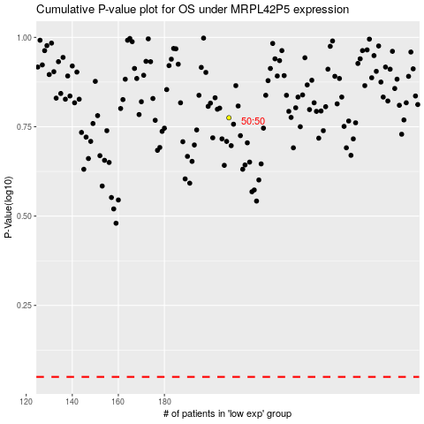

 |  |  |  |  |  | cases_OS | p_OS | rank | exp
 |  |  |  |  |  |  | cases_RFS | p_RFS | rank | exp

