MRPL43 _multivariate
Reported by Tex Li-Hsing Chi. tex@gate.sinica.edu.tw 2019-08-17

Table 2. The clinicopathological features of HNSCC cohort and MRPL43 expression. (Chi square test)
Cutoff at -0.222 (49.8%)
 |  | MRPL43 expression |  | MRPL43 expression |  | (Optimised)
 | Features | Low | (%) | High | (%) | Case no | P-value | Remark | Matthews
Gender | Female | 152 | 36.6 | 154 | 37.1 | 415 | 0.9766 | 0 | 0
2 | Male | 55 | 13.3 | 54 | 13
Age at diagnosis | <=65y | 139 | 33.5 | 135 | 32.5 | 415 | 0.7044 | 0 | 0
4 | >65y | 68 | 16.4 | 73 | 17.6
Clinical T Status | T1+T2 | 76 | 18.3 | 73 | 17.6 | 415 | 0.8092 | 0 | 0
6 | T3+T4 | 131 | 31.6 | 135 | 32.5
Clinical N Status | N0 | 118 | 28.4 | 98 | 23.6 | 415 | 0.0551 | 1 | 0
8 | N1-3 | 89 | 21.4 | 110 | 26.5
Clinical M Status | M0 | 207 | 49.9 | 205 | 49.4 | 415 | 0.2482 | 0 | 0
10 | M1 | 0 | 0 | 3 | 0.7
Clinical Stage | Stage I+II | 53 | 12.8 | 49 | 11.8 | 415 | 0.7113 | 0 | 0
12 | Stage III+IV | 154 | 37.1 | 159 | 38.3
Surgical Margin status | Negative | 165 | 39.8 | 153 | 36.9 | 415 | 0.1639 | 0 | 0
14 | Positive | 42 | 10.1 | 55 | 13.3
Tobacco Exposure | Low | 76 | 18.3 | 85 | 20.5 | 415 | 0.4207 | 0 | 0
16 | High | 131 | 31.6 | 123 | 29.6

Table 3. Univariate/Multivariate Cox's proportional hazards regression analyses on OS time of MRPL43 gene expression in HNSCC

 |  | Univariate |  |  |  | Multivariate
 | Features | HR | CI95%(L) | CI95%(H) | P-value | HR | CI95%(L) | CI95%(H) | P-value
1 | Female | 1 |  |  |  | 1
Gender | Male | 1.157 | 0.843 | 1.587 | 0.367 | 1.207 | 0.864 | 1.686 | 0.271
11 | <=65y | 1 |  |  |  | 1
Age at diagnosis | >65y | 1.329 | 0.99 | 1.784 | 0.058 | 1.391 | 1.024 | 1.891 | 0.035
12 | T1+T2 | 1 |  |  |  | 1
Clinical T Status | T3+T4 | 1.409 | 1.028 | 1.931 | 0.033 | 2.212 | 1.17 | 4.184 | 0.015
13 | N0 | 1 |  |  |  | 1
Clinical N Status | N1-3 | 1.185 | 0.89 | 1.577 | 0.246 | 1.257 | 0.879 | 1.799 | 0.21
14 | M0 | 1 |  |  |  | 1
Clinical M Status | M1 | 4.097 | 1.009 | 16.644 | 0.049 | 9.835 | 2.129 | 45.424 | 0.003
15 | Stage I+II | 1 |  |  |  | 1
Clinical Stage | Stage III+IV | 1.245 | 0.882 | 1.759 | 0.213 | 0.499 | 0.232 | 1.073 | 0.075
16 | Negative | 1 |  |  |  | 1
Surgical Margin status | Positive | 1.591 | 1.155 | 2.191 | 0.004 | 1.673 | 1.211 | 2.312 | 0.002
17 | Low | 1 |  |  |  | 1
Tobacco Exposure | High | 1.364 | 1.008 | 1.844 | 0.044 | 1.452 | 1.054 | 2.001 | 0.022
18 | Low | 1 |  |  |  | 1
RNAseq(z-score) | High | 0.971 | 0.729 | 1.295 | 0.843 | 0.917 | 0.685 | 1.229 | 0.562

Table 4. Univariate/Multivariate Cox's proportional hazards regression analyses on RFS time of MRPL43 gene expression in HNSCC

 |  | Univariate |  |  |  | Multivariate
 | Features | HR | CI95%(L) | CI95%(H) | P-value | HR | CI95%(L) | CI95%(H) | P-value
1 | Female | 1 |  |  |  | 1
Gender | Male | 1.157 | 0.843 | 1.587 | 0.367 | 1.207 | 0.864 | 1.686 | 0.271
11 | <=65y | 1 |  |  |  | 1
Age at diagnosis | >65y | 1.329 | 0.99 | 1.784 | 0.058 | 1.391 | 1.024 | 1.891 | 0.035
12 | T1+T2 | 1 |  |  |  | 1
Clinical T Status | T3+T4 | 1.409 | 1.028 | 1.931 | 0.033 | 2.212 | 1.17 | 4.184 | 0.015
13 | N0 | 1 |  |  |  | 1
Clinical N Status | N1-3 | 1.185 | 0.89 | 1.577 | 0.246 | 1.257 | 0.879 | 1.799 | 0.21
14 | M0 | 1 |  |  |  | 1
Clinical M Status | M1 | 4.097 | 1.009 | 16.644 | 0.049 | 9.835 | 2.129 | 45.424 | 0.003
15 | Stage I+II | 1 |  |  |  | 1
Clinical Stage | Stage III+IV | 1.245 | 0.882 | 1.759 | 0.213 | 0.499 | 0.232 | 1.073 | 0.075
16 | Negative | 1 |  |  |  | 1
Surgical Margin status | Positive | 1.591 | 1.155 | 2.191 | 0.004 | 1.673 | 1.211 | 2.312 | 0.002
17 | Low | 1 |  |  |  | 1
Tobacco Exposure | High | 1.364 | 1.008 | 1.844 | 0.044 | 1.452 | 1.054 | 2.001 | 0.022
18 | Low | 1 |  |  |  | 1
RNAseq(z-score) | High | 0.971 | 0.729 | 1.295 | 0.843 | 0.917 | 0.685 | 1.229 | 0.562

Kaplan-Meier survival estimate: Cutoff at -0.222 (49.8%)



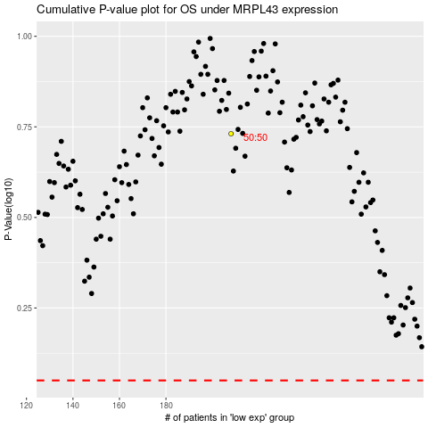

 |  |  |  |  |  | cases_OS | p_OS | rank | exp
 |  |  |  |  |  |  | cases_RFS | p_RFS | rank | exp

