MRPL46 _multivariate
Reported by Tex Li-Hsing Chi. tex@gate.sinica.edu.tw 2019-08-17

Table 2. The clinicopathological features of HNSCC cohort and MRPL46 expression. (Chi square test)
Cutoff at -0.197 (58.2%)
 |  | MRPL46 expression |  | MRPL46 expression |  | (Optimised)
 | Features | Low | (%) | High | (%) | Case no | P-value | Remark | Matthews
Gender | Female | 172 | 41.4 | 134 | 32.3 | 415 | 0.2397 | 0 | 0
2 | Male | 69 | 16.6 | 40 | 9.6
Age at diagnosis | <=65y | 162 | 39 | 112 | 27 | 415 | 0.6169 | 0 | 0
4 | >65y | 79 | 19 | 62 | 14.9
Clinical T Status | T1+T2 | 90 | 21.7 | 59 | 14.2 | 415 | 0.5376 | 0 | 0
6 | T3+T4 | 151 | 36.4 | 115 | 27.7
Clinical N Status | N0 | 127 | 30.6 | 89 | 21.4 | 415 | 0.8322 | 0 | 0
8 | N1-3 | 114 | 27.5 | 85 | 20.5
Clinical M Status | M0 | 240 | 57.8 | 172 | 41.4 | 415 | 0.5745 | 0 | 0
10 | M1 | 1 | 0.2 | 2 | 0.5
Clinical Stage | Stage I+II | 66 | 15.9 | 36 | 8.7 | 415 | 0.1477 | 0 | 0
12 | Stage III+IV | 175 | 42.2 | 138 | 33.3
Surgical Margin status | Negative | 192 | 46.3 | 126 | 30.4 | 415 | 0.0998 | 0 | 0
14 | Positive | 49 | 11.8 | 48 | 11.6
Tobacco Exposure | Low | 96 | 23.1 | 65 | 15.7 | 415 | 0.6831 | 0 | 0
16 | High | 145 | 34.9 | 109 | 26.3

Table 3. Univariate/Multivariate Cox's proportional hazards regression analyses on OS time of MRPL46 gene expression in HNSCC

 |  | Univariate |  |  |  | Multivariate
 | Features | HR | CI95%(L) | CI95%(H) | P-value | HR | CI95%(L) | CI95%(H) | P-value
1 | Female | 1 |  |  |  | 1
Gender | Male | 1.157 | 0.843 | 1.587 | 0.367 | 1.195 | 0.854 | 1.672 | 0.3
11 | <=65y | 1 |  |  |  | 1
Age at diagnosis | >65y | 1.329 | 0.99 | 1.784 | 0.058 | 1.368 | 1.005 | 1.862 | 0.046
12 | T1+T2 | 1 |  |  |  | 1
Clinical T Status | T3+T4 | 1.409 | 1.028 | 1.931 | 0.033 | 2.205 | 1.166 | 4.168 | 0.015
13 | N0 | 1 |  |  |  | 1
Clinical N Status | N1-3 | 1.185 | 0.89 | 1.577 | 0.246 | 1.242 | 0.87 | 1.772 | 0.233
14 | M0 | 1 |  |  |  | 1
Clinical M Status | M1 | 4.097 | 1.009 | 16.644 | 0.049 | 8.75 | 1.899 | 40.321 | 0.005
15 | Stage I+II | 1 |  |  |  | 1
Clinical Stage | Stage III+IV | 1.245 | 0.882 | 1.759 | 0.213 | 0.5 | 0.233 | 1.074 | 0.075
16 | Negative | 1 |  |  |  | 1
Surgical Margin status | Positive | 1.591 | 1.155 | 2.191 | 0.004 | 1.627 | 1.174 | 2.255 | 0.003
17 | Low | 1 |  |  |  | 1
Tobacco Exposure | High | 1.364 | 1.008 | 1.844 | 0.044 | 1.435 | 1.04 | 1.98 | 0.028
18 | Low | 1 |  |  |  | 1
RNAseq(z-score) | High | 1.345 | 1.006 | 1.799 | 0.046 | 1.188 | 0.883 | 1.599 | 0.254

Table 4. Univariate/Multivariate Cox's proportional hazards regression analyses on RFS time of MRPL46 gene expression in HNSCC

 |  | Univariate |  |  |  | Multivariate
 | Features | HR | CI95%(L) | CI95%(H) | P-value | HR | CI95%(L) | CI95%(H) | P-value
1 | Female | 1 |  |  |  | 1
Gender | Male | 1.157 | 0.843 | 1.587 | 0.367 | 1.195 | 0.854 | 1.672 | 0.3
11 | <=65y | 1 |  |  |  | 1
Age at diagnosis | >65y | 1.329 | 0.99 | 1.784 | 0.058 | 1.368 | 1.005 | 1.862 | 0.046
12 | T1+T2 | 1 |  |  |  | 1
Clinical T Status | T3+T4 | 1.409 | 1.028 | 1.931 | 0.033 | 2.205 | 1.166 | 4.168 | 0.015
13 | N0 | 1 |  |  |  | 1
Clinical N Status | N1-3 | 1.185 | 0.89 | 1.577 | 0.246 | 1.242 | 0.87 | 1.772 | 0.233
14 | M0 | 1 |  |  |  | 1
Clinical M Status | M1 | 4.097 | 1.009 | 16.644 | 0.049 | 8.75 | 1.899 | 40.321 | 0.005
15 | Stage I+II | 1 |  |  |  | 1
Clinical Stage | Stage III+IV | 1.245 | 0.882 | 1.759 | 0.213 | 0.5 | 0.233 | 1.074 | 0.075
16 | Negative | 1 |  |  |  | 1
Surgical Margin status | Positive | 1.591 | 1.155 | 2.191 | 0.004 | 1.627 | 1.174 | 2.255 | 0.003
17 | Low | 1 |  |  |  | 1
Tobacco Exposure | High | 1.364 | 1.008 | 1.844 | 0.044 | 1.435 | 1.04 | 1.98 | 0.028
18 | Low | 1 |  |  |  | 1
RNAseq(z-score) | High | 1.345 | 1.006 | 1.799 | 0.046 | 1.188 | 0.883 | 1.599 | 0.254

Kaplan-Meier survival estimate: Cutoff at -0.197 (58.2%)



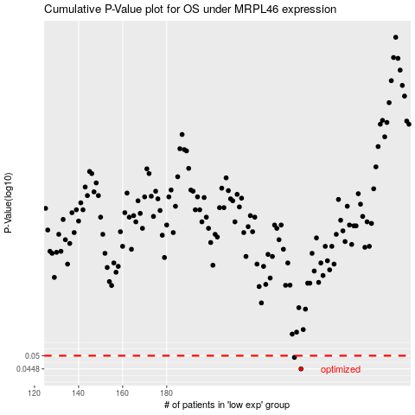

 |  |  |  |  |  | cases_OS | p_OS | rank | exp
 |  |  |  |  |  | 241 | 0.0448 | 210 | -0.19688140921
 |  |  |  |  |  | 238 | 0.0493 | 414 | -0.21515154415
 |  |  |  |  |  |  | cases_RFS | p_RFS | rank | exp
 |  |  |  |  |  |  | 240 | 0.0448 | 219 | -0.19708770169
 |  |  |  |  |  |  | 237 | 0.0493 | 119 | -0.21893080158

