MRPL48 _multivariate
Reported by Tex Li-Hsing Chi. tex@gate.sinica.edu.tw 2019-08-17

Table 2. The clinicopathological features of HNSCC cohort and MRPL48 expression. (Chi square test)
Cutoff at -0.022 (65.2%)
 |  | MRPL48 expression |  | MRPL48 expression |  | (Optimised)
 | Features | Low | (%) | High | (%) | Case no | P-value | Remark | Matthews
Gender | Female | 196 | 47.2 | 110 | 26.5 | 415 | 0.4363 | 0 | 0
2 | Male | 75 | 18.1 | 34 | 8.2
Age at diagnosis | <=65y | 174 | 41.9 | 100 | 24.1 | 415 | 0.3353 | 0 | 0
4 | >65y | 97 | 23.4 | 44 | 10.6
Clinical T Status | T1+T2 | 98 | 23.6 | 51 | 12.3 | 415 | 0.9655 | 0 | 0
6 | T3+T4 | 173 | 41.7 | 93 | 22.4
Clinical N Status | N0 | 140 | 33.7 | 76 | 18.3 | 415 | 0.9095 | 0 | 0
8 | N1-3 | 131 | 31.6 | 68 | 16.4
Clinical M Status | M0 | 269 | 64.8 | 143 | 34.5 | 415 | 1 | 0 | 0
10 | M1 | 2 | 0.5 | 1 | 0.2
Clinical Stage | Stage I+II | 65 | 15.7 | 37 | 8.9 | 415 | 0.7909 | 0 | 0
12 | Stage III+IV | 206 | 49.6 | 107 | 25.8
Surgical Margin status | Negative | 215 | 51.8 | 103 | 24.8 | 415 | 0.0879 | 0 | 0
14 | Positive | 56 | 13.5 | 41 | 9.9
Tobacco Exposure | Low | 104 | 25.1 | 57 | 13.7 | 415 | 0.8328 | 0 | 0
16 | High | 167 | 40.2 | 87 | 21

Table 3. Univariate/Multivariate Cox's proportional hazards regression analyses on OS time of MRPL48 gene expression in HNSCC

 |  | Univariate |  |  |  | Multivariate
 | Features | HR | CI95%(L) | CI95%(H) | P-value | HR | CI95%(L) | CI95%(H) | P-value
1 | Female | 1 |  |  |  | 1
Gender | Male | 1.157 | 0.843 | 1.587 | 0.367 | 1.185 | 0.847 | 1.658 | 0.321
11 | <=65y | 1 |  |  |  | 1
Age at diagnosis | >65y | 1.329 | 0.99 | 1.784 | 0.058 | 1.427 | 1.048 | 1.942 | 0.024
12 | T1+T2 | 1 |  |  |  | 1
Clinical T Status | T3+T4 | 1.409 | 1.028 | 1.931 | 0.033 | 2.144 | 1.134 | 4.054 | 0.019
13 | N0 | 1 |  |  |  | 1
Clinical N Status | N1-3 | 1.185 | 0.89 | 1.577 | 0.246 | 1.225 | 0.858 | 1.749 | 0.263
14 | M0 | 1 |  |  |  | 1
Clinical M Status | M1 | 4.097 | 1.009 | 16.644 | 0.049 | 9.04 | 1.97 | 41.476 | 0.005
15 | Stage I+II | 1 |  |  |  | 1
Clinical Stage | Stage III+IV | 1.245 | 0.882 | 1.759 | 0.213 | 0.522 | 0.243 | 1.123 | 0.096
16 | Negative | 1 |  |  |  | 1
Surgical Margin status | Positive | 1.591 | 1.155 | 2.191 | 0.004 | 1.6 | 1.152 | 2.22 | 0.005
17 | Low | 1 |  |  |  | 1
Tobacco Exposure | High | 1.364 | 1.008 | 1.844 | 0.044 | 1.455 | 1.055 | 2.006 | 0.022
18 | Low | 1 |  |  |  | 1
RNAseq(z-score) | High | 1.347 | 1.003 | 1.809 | 0.048 | 1.259 | 0.93 | 1.705 | 0.136

Table 4. Univariate/Multivariate Cox's proportional hazards regression analyses on RFS time of MRPL48 gene expression in HNSCC

 |  | Univariate |  |  |  | Multivariate
 | Features | HR | CI95%(L) | CI95%(H) | P-value | HR | CI95%(L) | CI95%(H) | P-value
1 | Female | 1 |  |  |  | 1
Gender | Male | 1.157 | 0.843 | 1.587 | 0.367 | 1.185 | 0.847 | 1.658 | 0.321
11 | <=65y | 1 |  |  |  | 1
Age at diagnosis | >65y | 1.329 | 0.99 | 1.784 | 0.058 | 1.427 | 1.048 | 1.942 | 0.024
12 | T1+T2 | 1 |  |  |  | 1
Clinical T Status | T3+T4 | 1.409 | 1.028 | 1.931 | 0.033 | 2.144 | 1.134 | 4.054 | 0.019
13 | N0 | 1 |  |  |  | 1
Clinical N Status | N1-3 | 1.185 | 0.89 | 1.577 | 0.246 | 1.225 | 0.858 | 1.749 | 0.263
14 | M0 | 1 |  |  |  | 1
Clinical M Status | M1 | 4.097 | 1.009 | 16.644 | 0.049 | 9.04 | 1.97 | 41.476 | 0.005
15 | Stage I+II | 1 |  |  |  | 1
Clinical Stage | Stage III+IV | 1.245 | 0.882 | 1.759 | 0.213 | 0.522 | 0.243 | 1.123 | 0.096
16 | Negative | 1 |  |  |  | 1
Surgical Margin status | Positive | 1.591 | 1.155 | 2.191 | 0.004 | 1.6 | 1.152 | 2.22 | 0.005
17 | Low | 1 |  |  |  | 1
Tobacco Exposure | High | 1.364 | 1.008 | 1.844 | 0.044 | 1.455 | 1.055 | 2.006 | 0.022
18 | Low | 1 |  |  |  | 1
RNAseq(z-score) | High | 1.347 | 1.003 | 1.809 | 0.048 | 1.259 | 0.93 | 1.705 | 0.136

Kaplan-Meier survival estimate: Cutoff at -0.022 (65.2%)



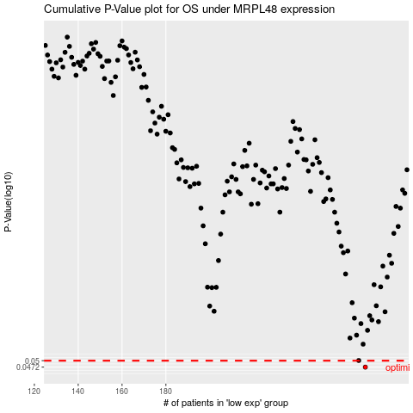

 |  |  |  |  |  | cases_OS | p_OS | rank | exp
 |  |  |  |  |  | 271 | 0.0472 | 264 | -0.021558597506
 |  |  |  |  |  |  | cases_RFS | p_RFS | rank | exp
 |  |  |  |  |  |  | 270 | 0.0472 | 31 | -0.025511308214

