MRPL53 _multivariate
Reported by Tex Li-Hsing Chi. tex@gate.sinica.edu.tw 2019-08-17

Table 2. The clinicopathological features of HNSCC cohort and MRPL53 expression. (Chi square test)
Cutoff at -0.175 (60.9%)
 |  | MRPL53 expression |  | MRPL53 expression |  | (Optimised)
 | Features | Low | (%) | High | (%) | Case no | P-value | Remark | Matthews
Gender | Female | 182 | 43.9 | 124 | 29.9 | 415 | 0.3545 | 0 | 0
2 | Male | 71 | 17.1 | 38 | 9.2
Age at diagnosis | <=65y | 170 | 41 | 104 | 25.1 | 415 | 0.6014 | 0 | 0
4 | >65y | 83 | 20 | 58 | 14
Clinical T Status | T1+T2 | 104 | 25.1 | 45 | 10.8 | 415 | 0.0079 | 1 | 0
6 | T3+T4 | 149 | 35.9 | 117 | 28.2
Clinical N Status | N0 | 131 | 31.6 | 85 | 20.5 | 415 | 0.9708 | 0 | 0
8 | N1-3 | 122 | 29.4 | 77 | 18.6
Clinical M Status | M0 | 251 | 60.5 | 161 | 38.8 | 415 | 1 | 0 | 0
10 | M1 | 2 | 0.5 | 1 | 0.2
Clinical Stage | Stage I+II | 72 | 17.3 | 30 | 7.2 | 415 | 0.0294 | 1 | 0
12 | Stage III+IV | 181 | 43.6 | 132 | 31.8
Surgical Margin status | Negative | 200 | 48.2 | 118 | 28.4 | 415 | 0.1548 | 0 | 0
14 | Positive | 53 | 12.8 | 44 | 10.6
Tobacco Exposure | Low | 104 | 25.1 | 57 | 13.7 | 415 | 0.2563 | 0 | 0
16 | High | 149 | 35.9 | 105 | 25.3

Table 3. Univariate/Multivariate Cox's proportional hazards regression analyses on OS time of MRPL53 gene expression in HNSCC

 |  | Univariate |  |  |  | Multivariate
 | Features | HR | CI95%(L) | CI95%(H) | P-value | HR | CI95%(L) | CI95%(H) | P-value
1 | Female | 1 |  |  |  | 1
Gender | Male | 1.157 | 0.843 | 1.587 | 0.367 | 1.177 | 0.841 | 1.648 | 0.342
11 | <=65y | 1 |  |  |  | 1
Age at diagnosis | >65y | 1.329 | 0.99 | 1.784 | 0.058 | 1.392 | 1.024 | 1.891 | 0.035
12 | T1+T2 | 1 |  |  |  | 1
Clinical T Status | T3+T4 | 1.409 | 1.028 | 1.931 | 0.033 | 2.177 | 1.151 | 4.115 | 0.017
13 | N0 | 1 |  |  |  | 1
Clinical N Status | N1-3 | 1.185 | 0.89 | 1.577 | 0.246 | 1.271 | 0.889 | 1.819 | 0.189
14 | M0 | 1 |  |  |  | 1
Clinical M Status | M1 | 4.097 | 1.009 | 16.644 | 0.049 | 9.144 | 1.992 | 41.962 | 0.004
15 | Stage I+II | 1 |  |  |  | 1
Clinical Stage | Stage III+IV | 1.245 | 0.882 | 1.759 | 0.213 | 0.489 | 0.228 | 1.05 | 0.067
16 | Negative | 1 |  |  |  | 1
Surgical Margin status | Positive | 1.591 | 1.155 | 2.191 | 0.004 | 1.629 | 1.176 | 2.256 | 0.003
17 | Low | 1 |  |  |  | 1
Tobacco Exposure | High | 1.364 | 1.008 | 1.844 | 0.044 | 1.429 | 1.036 | 1.971 | 0.03
18 | Low | 1 |  |  |  | 1
RNAseq(z-score) | High | 1.34 | 1.002 | 1.791 | 0.048 | 1.21 | 0.898 | 1.631 | 0.211

Table 4. Univariate/Multivariate Cox's proportional hazards regression analyses on RFS time of MRPL53 gene expression in HNSCC

 |  | Univariate |  |  |  | Multivariate
 | Features | HR | CI95%(L) | CI95%(H) | P-value | HR | CI95%(L) | CI95%(H) | P-value
1 | Female | 1 |  |  |  | 1
Gender | Male | 1.157 | 0.843 | 1.587 | 0.367 | 1.177 | 0.841 | 1.648 | 0.342
11 | <=65y | 1 |  |  |  | 1
Age at diagnosis | >65y | 1.329 | 0.99 | 1.784 | 0.058 | 1.392 | 1.024 | 1.891 | 0.035
12 | T1+T2 | 1 |  |  |  | 1
Clinical T Status | T3+T4 | 1.409 | 1.028 | 1.931 | 0.033 | 2.177 | 1.151 | 4.115 | 0.017
13 | N0 | 1 |  |  |  | 1
Clinical N Status | N1-3 | 1.185 | 0.89 | 1.577 | 0.246 | 1.271 | 0.889 | 1.819 | 0.189
14 | M0 | 1 |  |  |  | 1
Clinical M Status | M1 | 4.097 | 1.009 | 16.644 | 0.049 | 9.144 | 1.992 | 41.962 | 0.004
15 | Stage I+II | 1 |  |  |  | 1
Clinical Stage | Stage III+IV | 1.245 | 0.882 | 1.759 | 0.213 | 0.489 | 0.228 | 1.05 | 0.067
16 | Negative | 1 |  |  |  | 1
Surgical Margin status | Positive | 1.591 | 1.155 | 2.191 | 0.004 | 1.629 | 1.176 | 2.256 | 0.003
17 | Low | 1 |  |  |  | 1
Tobacco Exposure | High | 1.364 | 1.008 | 1.844 | 0.044 | 1.429 | 1.036 | 1.971 | 0.03
18 | Low | 1 |  |  |  | 1
RNAseq(z-score) | High | 1.34 | 1.002 | 1.791 | 0.048 | 1.21 | 0.898 | 1.631 | 0.211

Kaplan-Meier survival estimate: Cutoff at -0.175 (60.9%)



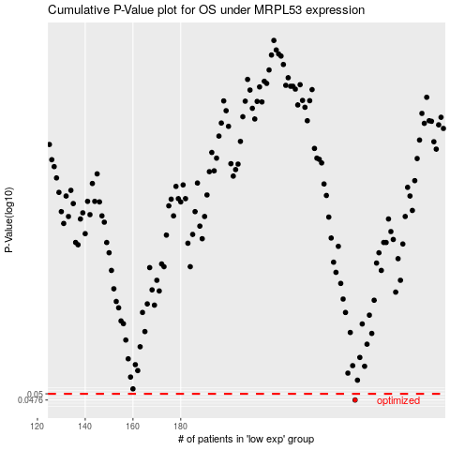

 |  |  |  |  |  | cases_OS | p_OS | rank | exp
 |  |  |  |  |  | 253 | 0.0476 | 48 | -0.1746759571
 |  |  |  |  |  |  | cases_RFS | p_RFS | rank | exp
 |  |  |  |  |  |  | 252 | 0.0476 | 282 | -0.17661809307

