MRPL54 _multivariate
Reported by Tex Li-Hsing Chi. tex@gate.sinica.edu.tw 2019-08-17

Table 2. The clinicopathological features of HNSCC cohort and MRPL54 expression. (Chi square test)
Cutoff at -0.318 (49.8%)
 |  | MRPL54 expression |  | MRPL54 expression |  | (Optimised)
 | Features | Low | (%) | High | (%) | Case no | P-value | Remark | Matthews
Gender | Female | 155 | 37.3 | 151 | 36.4 | 415 | 0.6768 | 0 | 0
2 | Male | 52 | 12.5 | 57 | 13.7
Age at diagnosis | <=65y | 141 | 34 | 133 | 32 | 415 | 0.4272 | 0 | 0
4 | >65y | 66 | 15.9 | 75 | 18.1
Clinical T Status | T1+T2 | 68 | 16.4 | 81 | 19.5 | 415 | 0.2336 | 0 | 0
6 | T3+T4 | 139 | 33.5 | 127 | 30.6
Clinical N Status | N0 | 109 | 26.3 | 107 | 25.8 | 415 | 0.8812 | 0 | 0
8 | N1-3 | 98 | 23.6 | 101 | 24.3
Clinical M Status | M0 | 206 | 49.6 | 206 | 49.6 | 415 | 1 | 0 | 0
10 | M1 | 1 | 0.2 | 2 | 0.5
Clinical Stage | Stage I+II | 47 | 11.3 | 55 | 13.3 | 415 | 0.4413 | 0 | 0
12 | Stage III+IV | 160 | 38.6 | 153 | 36.9
Surgical Margin status | Negative | 160 | 38.6 | 158 | 38.1 | 415 | 0.8167 | 0 | 0
14 | Positive | 47 | 11.3 | 50 | 12
Tobacco Exposure | Low | 75 | 18.1 | 86 | 20.7 | 415 | 0.3141 | 0 | 0
16 | High | 132 | 31.8 | 122 | 29.4

Table 3. Univariate/Multivariate Cox's proportional hazards regression analyses on OS time of MRPL54 gene expression in HNSCC

 |  | Univariate |  |  |  | Multivariate
 | Features | HR | CI95%(L) | CI95%(H) | P-value | HR | CI95%(L) | CI95%(H) | P-value
1 | Female | 1 |  |  |  | 1
Gender | Male | 1.157 | 0.843 | 1.587 | 0.367 | 1.213 | 0.868 | 1.696 | 0.259
11 | <=65y | 1 |  |  |  | 1
Age at diagnosis | >65y | 1.329 | 0.99 | 1.784 | 0.058 | 1.394 | 1.025 | 1.896 | 0.034
12 | T1+T2 | 1 |  |  |  | 1
Clinical T Status | T3+T4 | 1.409 | 1.028 | 1.931 | 0.033 | 2.193 | 1.159 | 4.149 | 0.016
13 | N0 | 1 |  |  |  | 1
Clinical N Status | N1-3 | 1.185 | 0.89 | 1.577 | 0.246 | 1.265 | 0.884 | 1.81 | 0.199
14 | M0 | 1 |  |  |  | 1
Clinical M Status | M1 | 4.097 | 1.009 | 16.644 | 0.049 | 9.507 | 2.073 | 43.597 | 0.004
15 | Stage I+II | 1 |  |  |  | 1
Clinical Stage | Stage III+IV | 1.245 | 0.882 | 1.759 | 0.213 | 0.497 | 0.231 | 1.067 | 0.073
16 | Negative | 1 |  |  |  | 1
Surgical Margin status | Positive | 1.591 | 1.155 | 2.191 | 0.004 | 1.684 | 1.218 | 2.329 | 0.002
17 | Low | 1 |  |  |  | 1
Tobacco Exposure | High | 1.364 | 1.008 | 1.844 | 0.044 | 1.45 | 1.053 | 1.998 | 0.023
18 | Low | 1 |  |  |  | 1
RNAseq(z-score) | High | 0.894 | 0.671 | 1.191 | 0.444 | 0.878 | 0.656 | 1.175 | 0.381

Table 4. Univariate/Multivariate Cox's proportional hazards regression analyses on RFS time of MRPL54 gene expression in HNSCC

 |  | Univariate |  |  |  | Multivariate
 | Features | HR | CI95%(L) | CI95%(H) | P-value | HR | CI95%(L) | CI95%(H) | P-value
1 | Female | 1 |  |  |  | 1
Gender | Male | 1.157 | 0.843 | 1.587 | 0.367 | 1.213 | 0.868 | 1.696 | 0.259
11 | <=65y | 1 |  |  |  | 1
Age at diagnosis | >65y | 1.329 | 0.99 | 1.784 | 0.058 | 1.394 | 1.025 | 1.896 | 0.034
12 | T1+T2 | 1 |  |  |  | 1
Clinical T Status | T3+T4 | 1.409 | 1.028 | 1.931 | 0.033 | 2.193 | 1.159 | 4.149 | 0.016
13 | N0 | 1 |  |  |  | 1
Clinical N Status | N1-3 | 1.185 | 0.89 | 1.577 | 0.246 | 1.265 | 0.884 | 1.81 | 0.199
14 | M0 | 1 |  |  |  | 1
Clinical M Status | M1 | 4.097 | 1.009 | 16.644 | 0.049 | 9.507 | 2.073 | 43.597 | 0.004
15 | Stage I+II | 1 |  |  |  | 1
Clinical Stage | Stage III+IV | 1.245 | 0.882 | 1.759 | 0.213 | 0.497 | 0.231 | 1.067 | 0.073
16 | Negative | 1 |  |  |  | 1
Surgical Margin status | Positive | 1.591 | 1.155 | 2.191 | 0.004 | 1.684 | 1.218 | 2.329 | 0.002
17 | Low | 1 |  |  |  | 1
Tobacco Exposure | High | 1.364 | 1.008 | 1.844 | 0.044 | 1.45 | 1.053 | 1.998 | 0.023
18 | Low | 1 |  |  |  | 1
RNAseq(z-score) | High | 0.894 | 0.671 | 1.191 | 0.444 | 0.878 | 0.656 | 1.175 | 0.381

Kaplan-Meier survival estimate: Cutoff at -0.318 (49.8%)



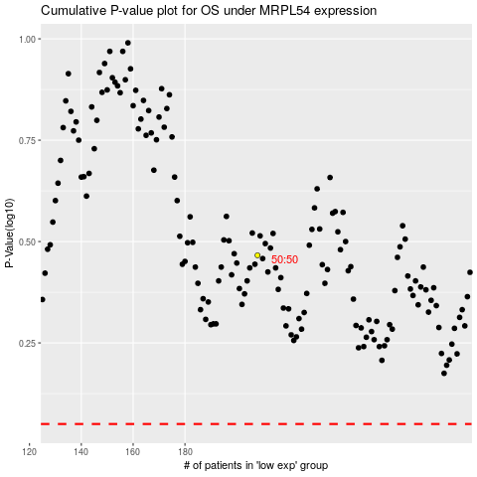

 |  |  |  |  |  | cases_OS | p_OS | rank | exp
 |  |  |  |  |  |  | cases_RFS | p_RFS | rank | exp

