MRPS11 _multivariate
Reported by Tex Li-Hsing Chi. tex@gate.sinica.edu.tw 2019-08-17

Table 2. The clinicopathological features of HNSCC cohort and MRPS11 expression. (Chi square test)
Cutoff at -0.345 (49.8%)
 |  | MRPS11 expression |  | MRPS11 expression |  | (Optimised)
 | Features | Low | (%) | High | (%) | Case no | P-value | Remark | Matthews
Gender | Female | 149 | 35.9 | 157 | 37.8 | 415 | 0.4848 | 0 | 0
2 | Male | 58 | 14 | 51 | 12.3
Age at diagnosis | <=65y | 124 | 29.9 | 150 | 36.1 | 415 | 0.0116 | 1 | 0
4 | >65y | 83 | 20 | 58 | 14
Clinical T Status | T1+T2 | 70 | 16.9 | 79 | 19 | 415 | 0.4343 | 0 | 0
6 | T3+T4 | 137 | 33 | 129 | 31.1
Clinical N Status | N0 | 100 | 24.1 | 116 | 28 | 415 | 0.1548 | 0 | 0
8 | N1-3 | 107 | 25.8 | 92 | 22.2
Clinical M Status | M0 | 206 | 49.6 | 206 | 49.6 | 415 | 1 | 0 | 0
10 | M1 | 1 | 0.2 | 2 | 0.5
Clinical Stage | Stage I+II | 49 | 11.8 | 53 | 12.8 | 415 | 0.7535 | 0 | 0
12 | Stage III+IV | 158 | 38.1 | 155 | 37.3
Surgical Margin status | Negative | 165 | 39.8 | 153 | 36.9 | 415 | 0.1639 | 0 | 0
14 | Positive | 42 | 10.1 | 55 | 13.3
Tobacco Exposure | Low | 82 | 19.8 | 79 | 19 | 415 | 0.763 | 0 | 0
16 | High | 125 | 30.1 | 129 | 31.1

Table 3. Univariate/Multivariate Cox's proportional hazards regression analyses on OS time of MRPS11 gene expression in HNSCC

 |  | Univariate |  |  |  | Multivariate
 | Features | HR | CI95%(L) | CI95%(H) | P-value | HR | CI95%(L) | CI95%(H) | P-value
1 | Female | 1 |  |  |  | 1
Gender | Male | 1.157 | 0.843 | 1.587 | 0.367 | 1.194 | 0.854 | 1.67 | 0.301
11 | <=65y | 1 |  |  |  | 1
Age at diagnosis | >65y | 1.329 | 0.99 | 1.784 | 0.058 | 1.407 | 1.034 | 1.916 | 0.03
12 | T1+T2 | 1 |  |  |  | 1
Clinical T Status | T3+T4 | 1.409 | 1.028 | 1.931 | 0.033 | 2.217 | 1.172 | 4.193 | 0.014
13 | N0 | 1 |  |  |  | 1
Clinical N Status | N1-3 | 1.185 | 0.89 | 1.577 | 0.246 | 1.254 | 0.878 | 1.792 | 0.214
14 | M0 | 1 |  |  |  | 1
Clinical M Status | M1 | 4.097 | 1.009 | 16.644 | 0.049 | 9.137 | 1.988 | 41.997 | 0.004
15 | Stage I+II | 1 |  |  |  | 1
Clinical Stage | Stage III+IV | 1.245 | 0.882 | 1.759 | 0.213 | 0.5 | 0.233 | 1.074 | 0.076
16 | Negative | 1 |  |  |  | 1
Surgical Margin status | Positive | 1.591 | 1.155 | 2.191 | 0.004 | 1.648 | 1.19 | 2.284 | 0.003
17 | Low | 1 |  |  |  | 1
Tobacco Exposure | High | 1.364 | 1.008 | 1.844 | 0.044 | 1.448 | 1.05 | 1.996 | 0.024
18 | Low | 1 |  |  |  | 1
RNAseq(z-score) | High | 1.119 | 0.839 | 1.492 | 0.444 | 1.101 | 0.821 | 1.476 | 0.522

Table 4. Univariate/Multivariate Cox's proportional hazards regression analyses on RFS time of MRPS11 gene expression in HNSCC

 |  | Univariate |  |  |  | Multivariate
 | Features | HR | CI95%(L) | CI95%(H) | P-value | HR | CI95%(L) | CI95%(H) | P-value
1 | Female | 1 |  |  |  | 1
Gender | Male | 1.157 | 0.843 | 1.587 | 0.367 | 1.194 | 0.854 | 1.67 | 0.301
11 | <=65y | 1 |  |  |  | 1
Age at diagnosis | >65y | 1.329 | 0.99 | 1.784 | 0.058 | 1.407 | 1.034 | 1.916 | 0.03
12 | T1+T2 | 1 |  |  |  | 1
Clinical T Status | T3+T4 | 1.409 | 1.028 | 1.931 | 0.033 | 2.217 | 1.172 | 4.193 | 0.014
13 | N0 | 1 |  |  |  | 1
Clinical N Status | N1-3 | 1.185 | 0.89 | 1.577 | 0.246 | 1.254 | 0.878 | 1.792 | 0.214
14 | M0 | 1 |  |  |  | 1
Clinical M Status | M1 | 4.097 | 1.009 | 16.644 | 0.049 | 9.137 | 1.988 | 41.997 | 0.004
15 | Stage I+II | 1 |  |  |  | 1
Clinical Stage | Stage III+IV | 1.245 | 0.882 | 1.759 | 0.213 | 0.5 | 0.233 | 1.074 | 0.076
16 | Negative | 1 |  |  |  | 1
Surgical Margin status | Positive | 1.591 | 1.155 | 2.191 | 0.004 | 1.648 | 1.19 | 2.284 | 0.003
17 | Low | 1 |  |  |  | 1
Tobacco Exposure | High | 1.364 | 1.008 | 1.844 | 0.044 | 1.448 | 1.05 | 1.996 | 0.024
18 | Low | 1 |  |  |  | 1
RNAseq(z-score) | High | 1.119 | 0.839 | 1.492 | 0.444 | 1.101 | 0.821 | 1.476 | 0.522

Kaplan-Meier survival estimate: Cutoff at -0.345 (49.8%)



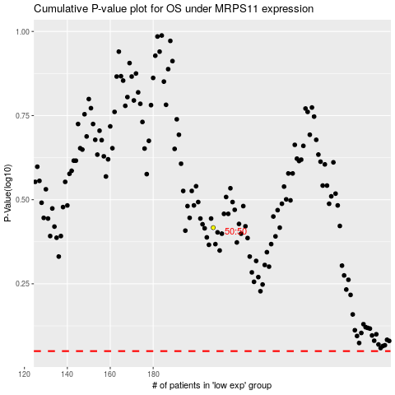

 |  |  |  |  |  | cases_OS | p_OS | rank | exp
 |  |  |  |  |  |  | cases_RFS | p_RFS | rank | exp

