MRPS12 _multivariate
Reported by Tex Li-Hsing Chi. tex@gate.sinica.edu.tw 2019-08-17

Table 2. The clinicopathological features of HNSCC cohort and MRPS12 expression. (Chi square test)
Cutoff at -0.24 (50.0%)
 |  | MRPS12 expression |  | MRPS12 expression |  | (Optimised)
 | Features | Low | (%) | High | (%) | Case no | P-value | Remark | Matthews
Gender | Female | 146 | 35.2 | 160 | 38.6 | 415 | 0.1714 | 0 | 0
2 | Male | 61 | 14.7 | 48 | 11.6
Age at diagnosis | <=65y | 146 | 35.2 | 128 | 30.8 | 415 | 0.0672 | 0 | 0
4 | >65y | 61 | 14.7 | 80 | 19.3
Clinical T Status | T1+T2 | 82 | 19.8 | 67 | 16.1 | 415 | 0.1417 | 0 | 0
6 | T3+T4 | 125 | 30.1 | 141 | 34
Clinical N Status | N0 | 105 | 25.3 | 111 | 26.7 | 415 | 0.6598 | 0 | 0
8 | N1-3 | 102 | 24.6 | 97 | 23.4
Clinical M Status | M0 | 206 | 49.6 | 206 | 49.6 | 415 | 1 | 0 | 0
10 | M1 | 1 | 0.2 | 2 | 0.5
Clinical Stage | Stage I+II | 56 | 13.5 | 46 | 11.1 | 415 | 0.2918 | 0 | 0
12 | Stage III+IV | 151 | 36.4 | 162 | 39
Surgical Margin status | Negative | 156 | 37.6 | 162 | 39 | 415 | 0.5636 | 0 | 0
14 | Positive | 51 | 12.3 | 46 | 11.1
Tobacco Exposure | Low | 85 | 20.5 | 76 | 18.3 | 415 | 0.3655 | 0 | 0
16 | High | 122 | 29.4 | 132 | 31.8

Table 3. Univariate/Multivariate Cox's proportional hazards regression analyses on OS time of MRPS12 gene expression in HNSCC

 |  | Univariate |  |  |  | Multivariate
 | Features | HR | CI95%(L) | CI95%(H) | P-value | HR | CI95%(L) | CI95%(H) | P-value
1 | Female | 1 |  |  |  | 1
Gender | Male | 1.157 | 0.843 | 1.587 | 0.367 | 1.204 | 0.861 | 1.682 | 0.278
11 | <=65y | 1 |  |  |  | 1
Age at diagnosis | >65y | 1.329 | 0.99 | 1.784 | 0.058 | 1.386 | 1.018 | 1.886 | 0.038
12 | T1+T2 | 1 |  |  |  | 1
Clinical T Status | T3+T4 | 1.409 | 1.028 | 1.931 | 0.033 | 2.198 | 1.162 | 4.156 | 0.015
13 | N0 | 1 |  |  |  | 1
Clinical N Status | N1-3 | 1.185 | 0.89 | 1.577 | 0.246 | 1.242 | 0.87 | 1.772 | 0.233
14 | M0 | 1 |  |  |  | 1
Clinical M Status | M1 | 4.097 | 1.009 | 16.644 | 0.049 | 9.271 | 2.016 | 42.63 | 0.004
15 | Stage I+II | 1 |  |  |  | 1
Clinical Stage | Stage III+IV | 1.245 | 0.882 | 1.759 | 0.213 | 0.503 | 0.234 | 1.08 | 0.078
16 | Negative | 1 |  |  |  | 1
Surgical Margin status | Positive | 1.591 | 1.155 | 2.191 | 0.004 | 1.672 | 1.21 | 2.31 | 0.002
17 | Low | 1 |  |  |  | 1
Tobacco Exposure | High | 1.364 | 1.008 | 1.844 | 0.044 | 1.45 | 1.052 | 1.999 | 0.023
18 | Low | 1 |  |  |  | 1
RNAseq(z-score) | High | 1.125 | 0.845 | 1.498 | 0.419 | 1.044 | 0.782 | 1.395 | 0.77

Table 4. Univariate/Multivariate Cox's proportional hazards regression analyses on RFS time of MRPS12 gene expression in HNSCC

 |  | Univariate |  |  |  | Multivariate
 | Features | HR | CI95%(L) | CI95%(H) | P-value | HR | CI95%(L) | CI95%(H) | P-value
1 | Female | 1 |  |  |  | 1
Gender | Male | 1.157 | 0.843 | 1.587 | 0.367 | 1.204 | 0.861 | 1.682 | 0.278
11 | <=65y | 1 |  |  |  | 1
Age at diagnosis | >65y | 1.329 | 0.99 | 1.784 | 0.058 | 1.386 | 1.018 | 1.886 | 0.038
12 | T1+T2 | 1 |  |  |  | 1
Clinical T Status | T3+T4 | 1.409 | 1.028 | 1.931 | 0.033 | 2.198 | 1.162 | 4.156 | 0.015
13 | N0 | 1 |  |  |  | 1
Clinical N Status | N1-3 | 1.185 | 0.89 | 1.577 | 0.246 | 1.242 | 0.87 | 1.772 | 0.233
14 | M0 | 1 |  |  |  | 1
Clinical M Status | M1 | 4.097 | 1.009 | 16.644 | 0.049 | 9.271 | 2.016 | 42.63 | 0.004
15 | Stage I+II | 1 |  |  |  | 1
Clinical Stage | Stage III+IV | 1.245 | 0.882 | 1.759 | 0.213 | 0.503 | 0.234 | 1.08 | 0.078
16 | Negative | 1 |  |  |  | 1
Surgical Margin status | Positive | 1.591 | 1.155 | 2.191 | 0.004 | 1.672 | 1.21 | 2.31 | 0.002
17 | Low | 1 |  |  |  | 1
Tobacco Exposure | High | 1.364 | 1.008 | 1.844 | 0.044 | 1.45 | 1.052 | 1.999 | 0.023
18 | Low | 1 |  |  |  | 1
RNAseq(z-score) | High | 1.125 | 0.845 | 1.498 | 0.419 | 1.044 | 0.782 | 1.395 | 0.77

Kaplan-Meier survival estimate: Cutoff at -0.24 (50.0%)

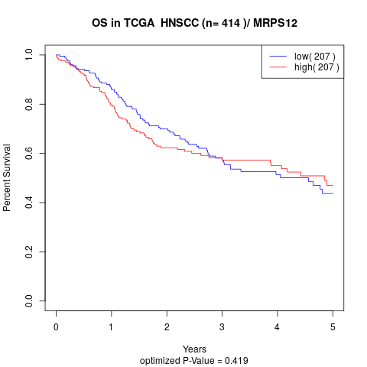

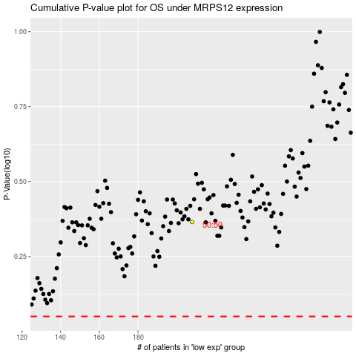

 |  |  |  |  |  | cases_OS | p_OS | rank | exp
 |  |  |  |  |  |  | cases_RFS | p_RFS | rank | exp

